工作表1
 | Conventional |  |  |  | Proposed scheme(std0) |  |  |  | Proposed scheme(std3) |  |  |  | Proposed scheme(std5) |  |  |  | Proposed scheme(std10)
#UE | Avg Succ | Pf | Avg delay | Correct rate | Avg Succ | Pf | Avg delay | Correct rate | Avg Succ | Pf | Avg delay | Correct rate | Avg Succ | Pf | Avg delay | Correct rate | Avg Succ | Pf | Avg delay | Correct rate
100 | 8.6719 | 0.362186 | 0.064413 | 99.997696 | 11.8291 | 0.219449 | 0.034125 | 99.999153 | 11.2136 | 0.271618 | 0.035168 | 98.483986 | 11.1912 | 0.289855 | 0.036406 | 97.879585 | 11.0383 | 0.320375 | 0.03929 | 96.699677
200 | 10.8354 | 0.552794 | 0.123142 | 100 | 17.848101 | 0.313586 | 0.061169 | 100 | 16.3125 | 0.397575 | 0.06077 | 97.097321 | 16.068701 | 0.416351 | 0.062028 | 96.011497 | 16.1367 | 0.467177 | 0.068585 | 94.044632
300 | 10.9642 | 0.678534 | 0.174585 | 100 | 21.534599 | 0.357902 | 0.086904 | 100 | 19.4074 | 0.476663 | 0.085777 | 95.426483 | 18.915501 | 0.501369 | 0.087178 | 93.28064 | 18.752501 | 0.558097 | 0.095856 | 90.442871
400 | 10.1687 | 0.767355 | 0.215484 | 100 | 23.858999 | 0.381367 | 0.111356 | 100 | 21.384399 | 0.524734 | 0.105403 | 93.724396 | 20.8286 | 0.552774 | 0.109323 | 91.536636 | 20.115499 | 0.610035 | 0.118968 | 86.752007
500 | 9.0056 | 0.831461 | 0.244047 | 100 | 25.408001 | 0.390325 | 0.134424 | 100 | 22.1185 | 0.556001 | 0.122048 | 90.696472 | 21.818899 | 0.589303 | 0.12938 | 88.597504 | 20.9916 | 0.635546 | 0.14178 | 83.555801
600 | 7.6708 | 0.878486 | 0.265934 | 100 | 26.403601 | 0.390109 | 0.156536 | 100 | 23.1392 | 0.564836 | 0.139539 | 90.063614 | 22.3943 | 0.596687 | 0.145871 | 86.723854 | 21.3752 | 0.649412 | 0.158772 | 80.347786
700 | 6.3854 | 0.912364 | 0.280476 | 100 | 27.0581 | 0.383673 | 0.177625 | 100 | 23.1544 | 0.586912 | 0.153538 | 86.635803 | 22.6518 | 0.605992 | 0.160091 | 84.287338 | 21.4683 | 0.664482 | 0.177408 | 76.521194
800 | 5.2097 | 0.937089 | 0.292699 | 100 | 27.351 | 0.376187 | 0.199001 | 100 | 23.363899 | 0.579338 | 0.164202 | 85.398842 | 22.5459 | 0.612048 | 0.176447 | 81.103882 | 21.262899 | 0.657123 | 0.195093 | 73.154182
900 | 4.2028 | 0.954601 | 0.301354 | 100 | 27.472401 | 0.369546 | 0.21824 | 100 | 23.116301 | 0.587582 | 0.17832 | 83.136574 | 22.458 | 0.604891 | 0.188797 | 79.33075 | 21.0616 | 0.653582 | 0.212966 | 69.752533
Accuracy rate
1000 | 3.3014 | 0.967796 | 0.307893 | 100 | 27.3421 | 0.366652 | 0.238551 | 100 | 22.8346 | 0.584499 | 0.192433 | 81.288048 | 22.180799 | 0.607701 | 0.203752 | 77.682953 | 20.5765 | 0.656077 | 0.228834 | 64.697105
Average Access Delay
Collision probability
Average number of successful transmission

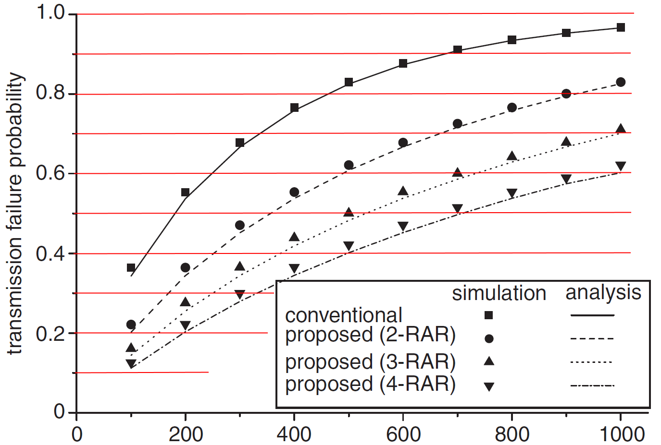
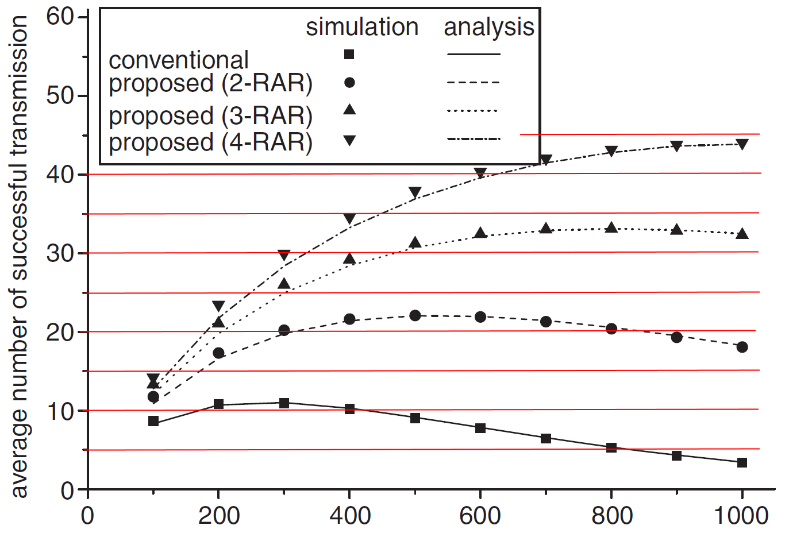

RAR Failed Ratio
 | Conventional | 2-RAR | 3-RAR | 4-RAR
100 |  |  | 97.879585
200 |  |  | 96.011497
300 |  |  | 93.28064
400 |  |  | 91.536636
500 |  |  | 88.597504
600 |  |  | 86.723854
700 |  |  | 84.287338
800 |  |  | 81.103882
900 |  |  | 79.33075
1000 |  |  | 77.682953
RAR Success Ratio
 | Conventional | 2-RAR | 3-RAR | 4-RAR
100 | 99.997696 |  |  | 96.699677
200 | 100 |  |  | 94.044632
300 | 100 |  |  | 90.442871
400 | 100 |  |  | 86.752007
500 | 100 |  |  | 83.555801
600 | 100 |  |  | 80.347786
700 | 100 |  |  | 76.521194
800 | 100 |  |  | 73.154182
900 | 100 |  |  | 69.752533
1000 | 100 |  |  | 64.697105

