Sheet1
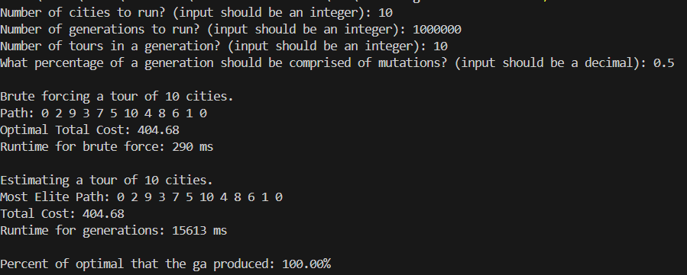
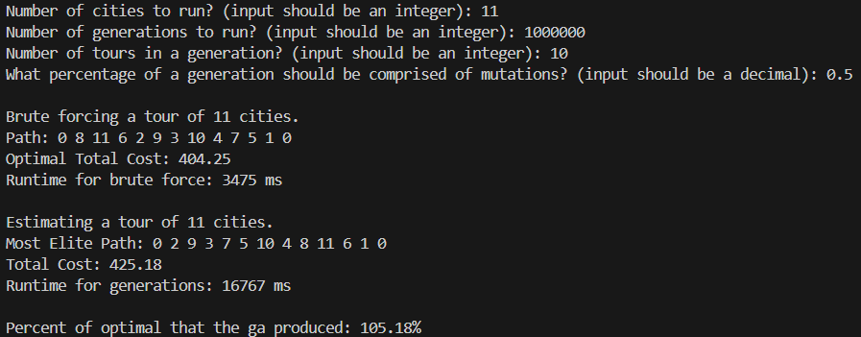
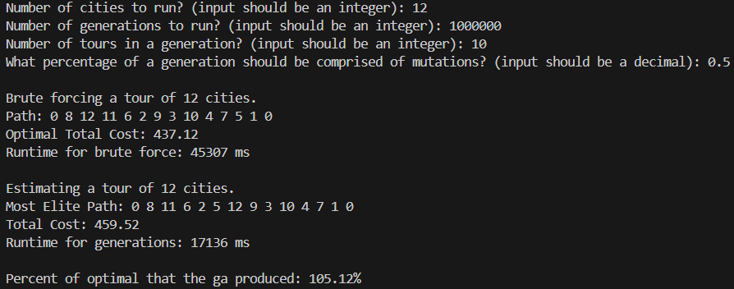
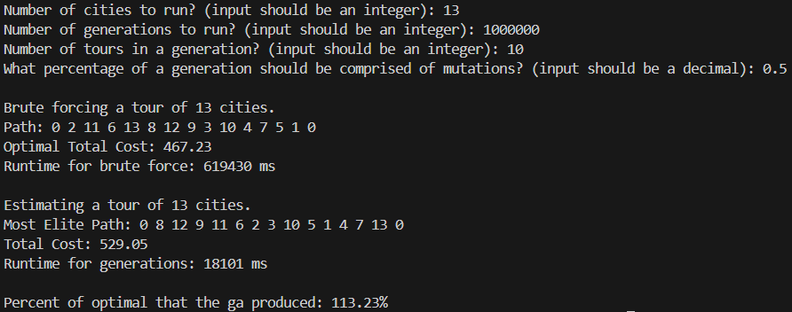
BruteForce |  |  |  | Estimated |  |  |  |  | # of Cities | # of Generations | # of Tours in a Generation | What percentage of a generation should be comprised of mutations
# of Cities | Resulting Path | Distance | Total Time | # of Cities | Resulting Path | Distance | Total Time | % of Optimal
10 | 0 2 9 3 7 5 10 4 8 6 1 0 | 404.68 | 0.290s | 10 | 0 2 9 3 7 5 10 4 8 6 1 0 | 404.68 | 15.613s | 100% | 10 | 1000000 | 10 | 0.5
11 | 0 8 11 6 2 9 3 10 4 7 5 1 0 | 404.25 | 3.475s | 11 | 0 2 9 3 7 5 10 4 8 11 6 1 0 | 425.18 | 16.767s | 105.18% | 11 | 1000000 | 10 | 0.5
12 | 0 8 12 11 6 2 9 3 10 4 7 5 1 0 | 437.12 | 45.307s | 12 | 0 8 11 6 2 5 12 9 3 10 4 7 1 0 | 459.52 | 17.136s | 105.12% | 12 | 1000000 | 10 | 0.5
13 | 0 2 11 6 13 8 12 9 3 10 4 7 5 1 0 | 467.23 | 619.430s | 13 | 0 8 12 9 11 6 2 3 10 5 1 4 7 13 0 | 529.05 | 18.101s | 113.23% | 13 | 1000000 | 10 | 0.5

