ReadMe
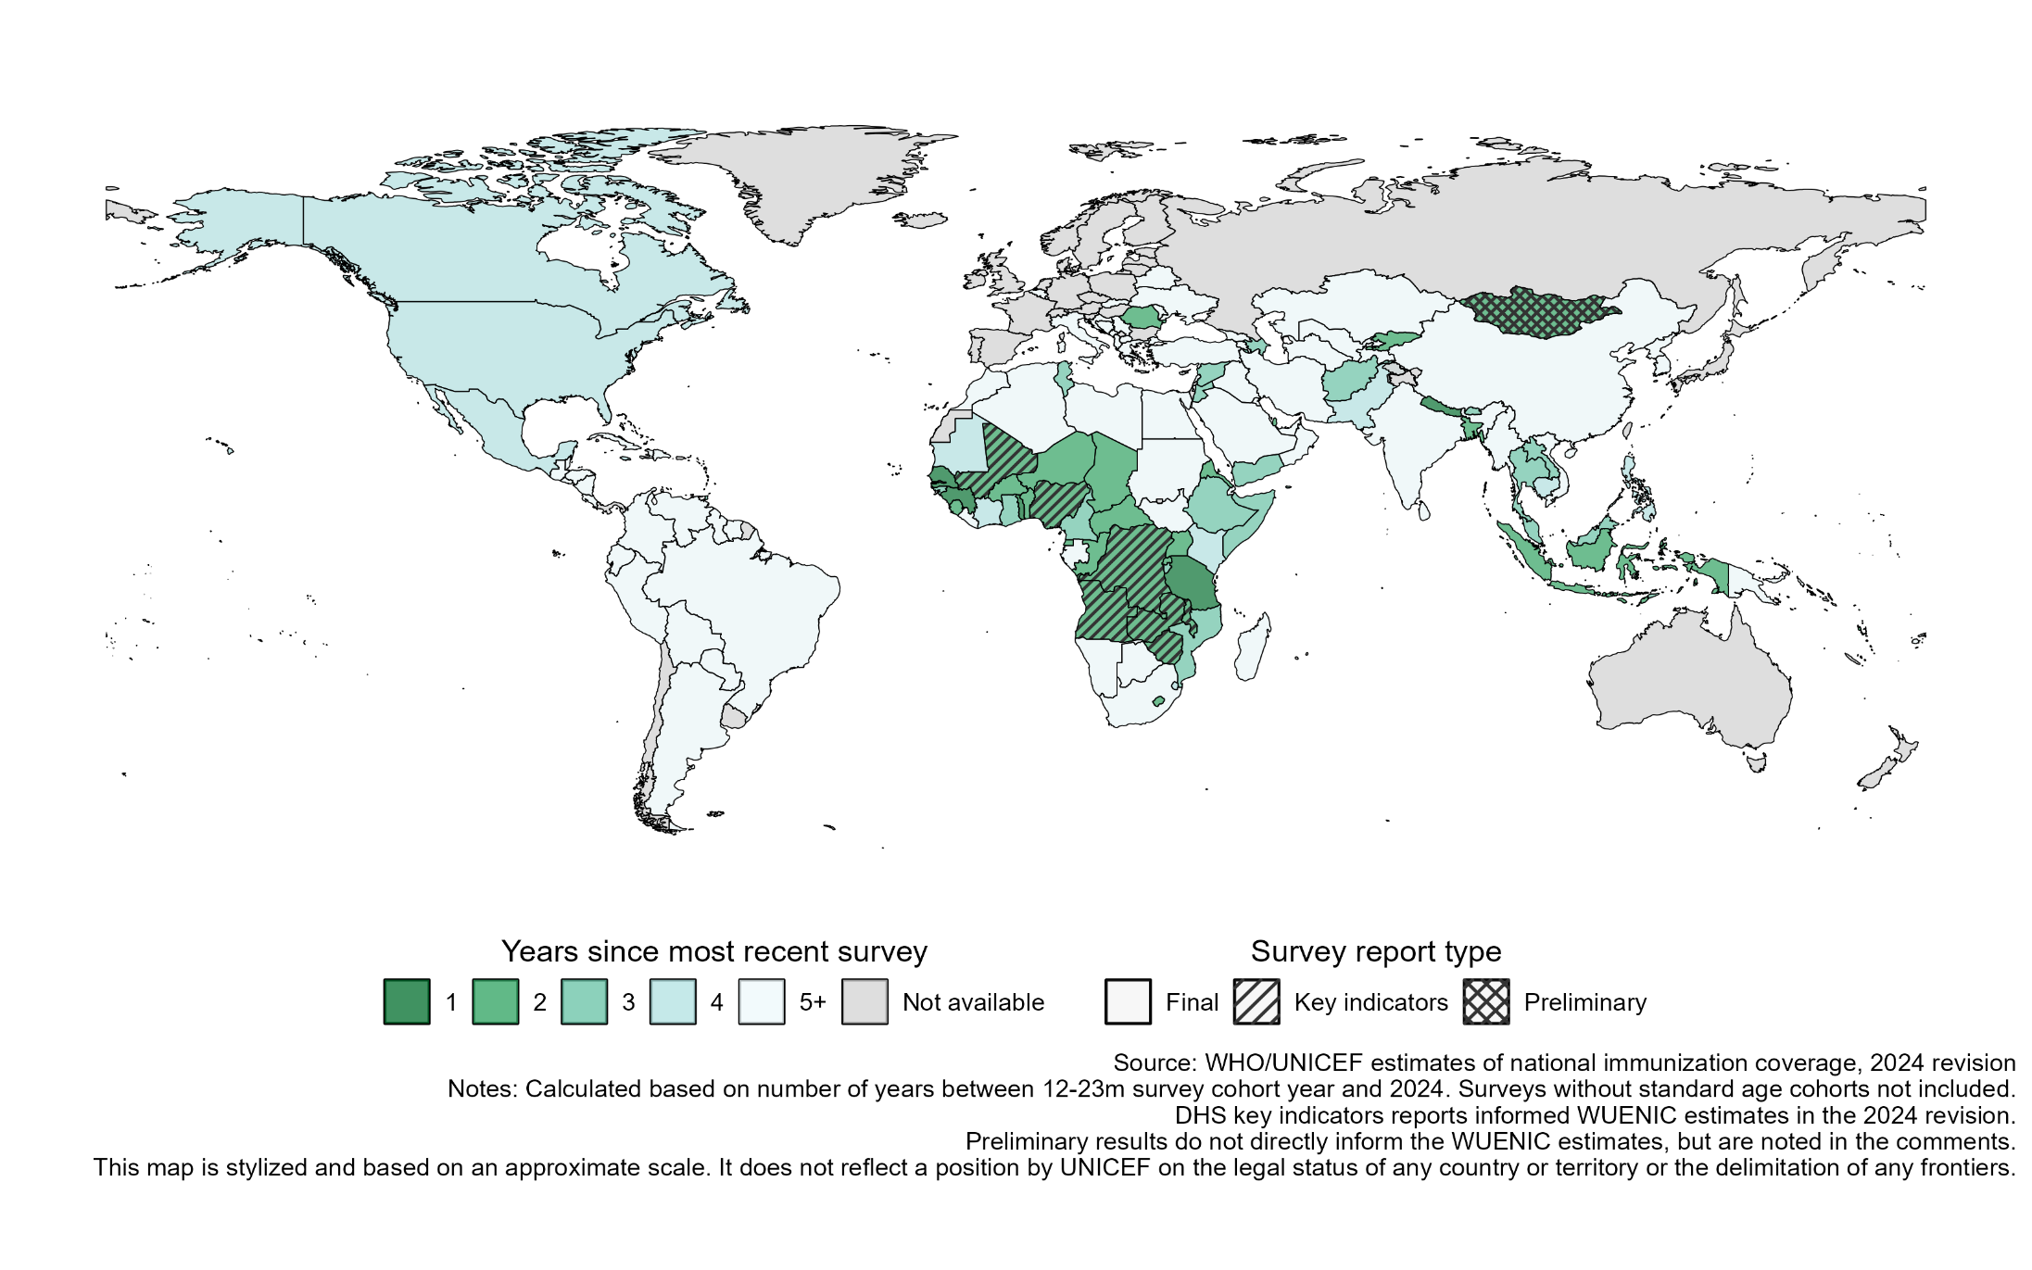
WHO and UNICEF National Estimates of Immunization Coverage (WUENIC), 2023 revision: Survey database
This database includes data extracted from final survey reports that were either publicly reported and available, or those received from countries by the WHO and UNICEF WUENIC working group prior to 25 June 2025. These surveys were included in the 2024 draft revision of WUENIC sent to countries for review and comment in May-June 2024. If a country replied to the draft WUENIC with information on survey results to consider, then the survey results were considered when the survey report included a description of the methods, in addition to the survey coverage estimates. If preliminary survey results are available, they are noted in the right-side explanatory text in the country reports [pdf files].
All reasonable precautions have been taken by the World Health Organization (WHO) and United Nations Children's Fund (UNICEF) to verify the information contained in this publication. However, the published material is being distributed without warranty of any kind, either expressed or implied. The responsibility for the interpretation and use of the material lies with the reader. In no event shall the WHO or UNICEF be liable for damages arising from its use.
Last update: 25 June 2025

Figure 1. Years since most recent survey with vaccination coverage estimates

