Sheet1
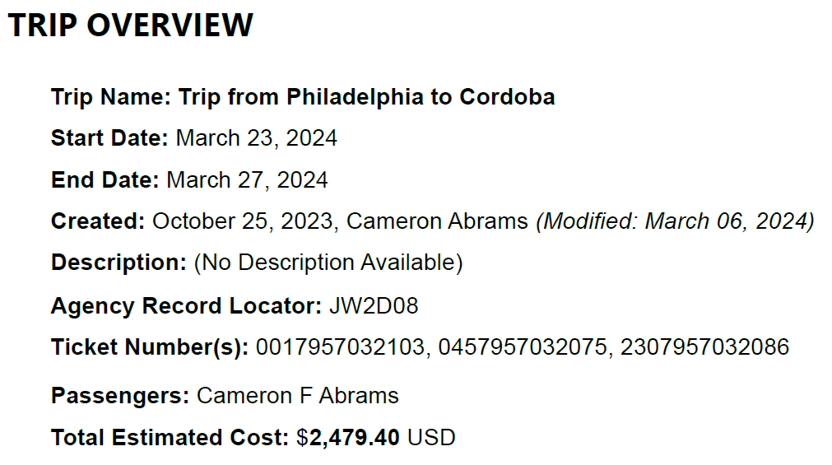
Airline | Flt No. | Dep Airpt | Dep Date Time | Arr Airpt | Arr Date Time | TZΔ (h) | TZdir (+/-) | Flight Durations | Total Flight Duration | Total Air Time
Delta | 2880 | PHL | 3/23/24 | ATL | 3/23/24 | 0.00 | 1 | 2:11:00
LATAM/Delta | 6355 | ATL | 3/23/24 | LIM | 3/23/24 | 0.00 | 1 | 5:40:00
LATAM | 2364 | LIM | 3/24/24 | COR | 3/24/24 | 2.00 | 1 | 3:40:00 | 11:31:00 | 18:39:00
Copa | 169 | COR | 3/27/24 | PTY | 3/27/24 | 2.00 | -1 | 6:36:00
American | 960 | PTY | 3/27/24 | MIA | 3/27/24 | 0.00 | 1 | 3:58:00
American | 2171 | MIA | 3/27/24 | PHL | 3/27/24 | 0.00 | 1 | 2:47:00 | 13:21:00 | 17:11:00
PHL-ATL 2:11
ATL-LIM 5:40
LIM-COR 3:40
COR-PTY 6:36
PTY-MIA 3:58
MIA-PHL 2:47

