Sheet1
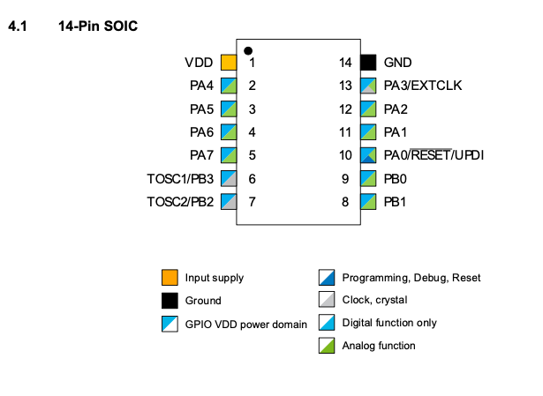
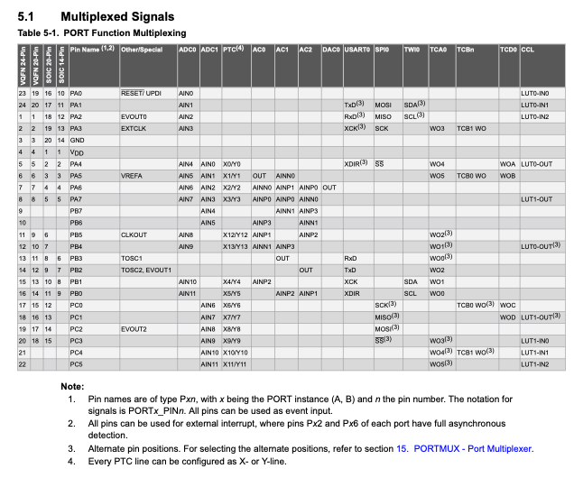
Night Light Pin Map

Pin Number | Pin Name | Use
1 | VDD | PWR
2 | PA4 | LED Data
3 | PA5 | Touch Send
4 | PA6 | Touch Return
5 | PA7 | TILT SW
6 | PB3 | RX
7 | PB2 | TX
8 | PB1
9 | PB0 | PTC
10 | PA0/RESET/UPDI | UPDI/RESET
11 | PA1
12 | PA2
13 | PA3
14 | GND | GND

