Sheet1
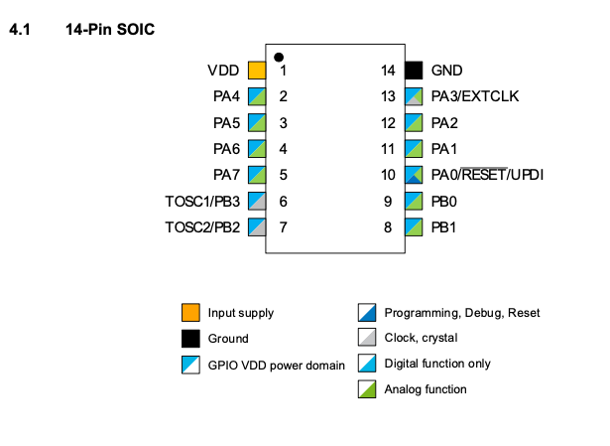
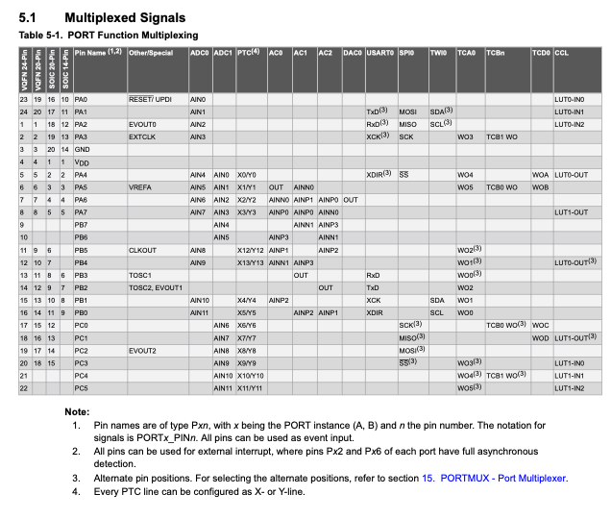
Night Light Pin Map

Pin Number | Pin Name | Use
1 | VDD | PWR
2 | PA4 | Vmeasure ADC1
3 | PA5 | Touch Send
4 | PA6 | Touch Return OR PTC
5 | PA7 | TILT SW
6 | PB3 | RX
7 | PB2 | TX
8 | PB1 | LED Data
9 | PB0 | Rst BTN (Software)
10 | PA0/RESET/UPDI | UPDI
11 | PA1 | spare
12 | PA2 | spare
13 | PA3 | spare
14 | GND | GND

