DISHTV
 | Categories | Metrics | Weekly |  |  |  | Monthly |  |  | Variance | Tolerance (Will Be Hidden) | Comments | Key | Link to data source:
 |  |  | 2021-06-27 | 2021-06-20 | Difference | June | May | Apr | March
CUSTOMER SATISFACTION PERFORMANCE | CXO Tech Portals | XiP TP/1K Active Receivers. (*provided monthly) |  |  | -17K | data avail. 7/1 | 22.80 | 24.90 | 28.50 |  | 1 |  | Good - Significant | Dave
 |  | ZiP TP/1K Active Receivers |  |  | -5K | data avail. 7/1 | 27.10 | 28.10 | 30.60 |  | 1 |  | Good - Insignificant | Source: Active Units Count report (DISH Manuf. emailed excel sheet on Mondays)
 |  | ViP TP/1K Active Receivers |  |  | -16K | data avail. 7/1 | 26.50 | 29.30 | 30.90 |  | 1 |  | Neutral - No Change | Frequency: WEEKLY & MONTHLY
 |  | Total Active DISH DBS STBs | 18.941M | 18.971M | -30K | 18.941M | 19.030M | 19.125M | 19.208M | -88K |  |  | Bad - Insignificant
 |  | Total IP Connected DISH DBS STBs | 3.722M | 3.723M | -1K |  |  |  |  |  |  |  | Bad - Significant | Source: Sunday report Chris Kuhrt (broadband connected accts 1x30 report emailed .pdf)
 |  | % Total IP Connected DISH DBS STBs | 46.57% | 46.51% |  |  |  |  |  |  |  |  |  | WEEKLY
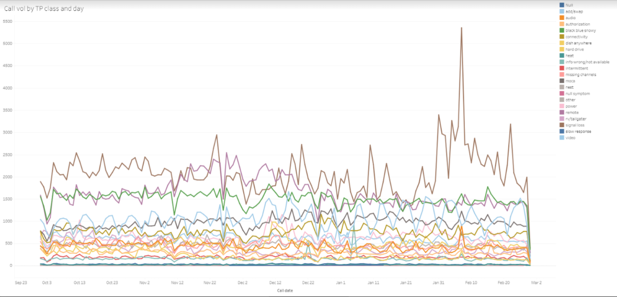
 |  | Total smart connect sessions | 87,648 | 87,934 |  |  |  |  |  |  |  | Ashok |  | Ashok?
 |  | Total unique receiver ids accessed | 44,476 | 44,820 |  |  |  |  |  |  |  | Ashok |  | Source: GH internal data clusteer
 |  | Total unique customer service agents | 3,369 | 3,354 |  |  |  |  |  |  |  | Ashok |  | Frequency: WEEKLY
 |  | Average daily smart connect sessions | 12,521 | 12,562 |  |  |  |  |  |  |  | Ashok
 |  | Average daily unique receiver ids | 6,792 | 6,790 |  |  |  |  |  |  |  | Ashok
 |  | Average daily unique customer service agents | 1,614 | 1,598 |  |  |  |  |  |  |  | Ashok

 | Signal Loss | 002 Signal Loss (Rain Fade) - Unique receivers | 1,219,594 | 840,165 |  |  |  |  |  |  |  | Ashok |  | Ashok
 |  | 015A (Full Signal Loss) - Unique receivers | 2,067,996 | 1,574,614 |  |  |  |  |  |  |  | Ashok |  | Source: CXO
 |  | 002 Signal Loss (Rain Fade) - Total Alerts | 9,578,867 | 7,257,734 |  |  |  |  |  |  |  | Ashok |  | Frequency:
 |  | 015A (Full Signal Loss) - Total Alerts | 21,242,735 | 16,645,840 |  |  |  |  |  |  |  | Ashok
 |  | 015B (Partial signal loss) - Unique Receivers | 16,524 | 15,939 |  |  |  |  |  |  |  | Ashok
 |  | 015B (Partial signal loss) - Total Alerts | 504,056 | 486,065 |  |  |  |  |  |  |  | Ashok
 |  | 015C (Temp Weather Related) - Unique Receivers | 745,246 | 493,906 |  |  |  |  |  |  |  | Ashok
 |  | 015C (Temp Weather Related) - Total Alerts | 3,321,494 | 1,919,818 |  |  |  |  |  |  |  | Ashok
 |  | 015D (Signal Degrading Repeeking Required) - Unique Receivers | 140,136 | 110,550 |  |  |  |  |  |  |  | Ashok
 |  | 015D (Signal Degrading Repeeking Required) - Total Alerts | 5,319,082 | 4,132,650 |  |  |  |  |  |  |  | Ashok
 |  | 004 ( PAT/PMT Error) - Unique Receivers | 63,267 | 57,913 |  |  |  |  |  |  |  | Ashok
 |  | 004 ( PAT/PMT Error) - Total Alerts | 332,508 | 304,204 |  |  |  |  |  |  |  | Ashok

 | Other | 311 (Internal Hard drive Failure) - Unique Receivers | 49 | 51 |  |  |  |  |  |  |  | Ashok |  | Jason A?
 |  | 311 (Internal Hard drive Failure) - Total Receivers | 210 | 191 |  |  |  |  |  |  |  | Ashok |  | Source:
 |  | 803 (Bill Past Due) - Unique Receivers | 48,693 | 48,389 |  |  |  |  |  |  |  | Ashok |  | Frequency:
 |  | 803 (Bill Past Due) - Total Receivers | 233,304 | 229,738 |  |  |  |  |  |  |  | Ashok

SERVICE USAGE PERFORMANCE | Voice Data | Unique Users | 941,818 | 951,634 |  |  |  |  |  |  | 4.00% | Ashok |  | Ashok?
 |  | Total # of Commands | 7,470,076 | 7,451,653 |  |  |  |  |  |  | 4.00% | Ashok |  | Source:
 |  | Number of Active 'Voice Capable' Remotes | 7478275 | 7473523 |  |  |  |  |  |  |  |  |  | Frequency:
 |  | Average Daily Unique Users | 299,570 | 303,907 |  |  |  |  |  |  | 4.00% | Ashok
 |  | Average Daily Commands | 1,067,154 | 1,064,522 |  |  |  |  |  |  | 4.00% | Ashok
 |  | "Dish" total requests (Request serviced by Dish) | 3,477,858 | 3,461,564 |  |  |  |  |  |  | 4.00% | Ashok
 |  | "Google" total requests (Request serviced by Google) | 1,683,052 | 1,684,390 |  |  |  |  |  |  | 4.00% | Ashok
 |  | "Dish" average daily requests | 496,837 | 494,509 |  |  |  |  |  |  | 4.00% | Ashok
 |  | "Google" average daily requests | 240,436 | 240,627 |  |  |  |  |  |  | 4.00% | Ashok
 | Search | Search performed by # of key-strokes = 0 | 78,579 | 83,886 |  |  |  |  |  |  |  |  |  | Jason A?
 |  | Search performed by # of key-strokes = 1 | 39,493 | 41,210 |  |  |  |  |  |  |  |  |  | Source:
 |  | Search performed by # of key-strokes = 2 | 74,755 | 78,371 |  |  |  |  |  |  |  |  |  | Frequency:
 |  | Search performed by # of key-strokes = 3 | 129,421 | 141,252
 |  | Search performed by # of key-strokes = 4 | 134,041 | 148,011
 |  | Total Number of Searches Performed | 760,926 | 833,658
 | DVR | DVR Screen Launch Counts | 71,642,358 | 68,340,242 |  |  |  |  |  |  |  |  |  | Jason A?
 |  | Number of events played from DVR | 11,123,824 | 10,672,529 |  |  |  |  |  |  |  |  |  | Source:
 |  | Number of DVR events deleted | 6,710,658 | 6,297,945 |  |  |  |  |  |  |  |  |  | Frequency:
 | VOD | # of Infocard views | 1,449,531 | 1,399,288 |  |  |  |  |  |  |  | new data parameters |  | Greg H?
 |  | # of Playbacks | 432,691 | 422,769 |  |  |  |  |  |  |  |  |  | Source:
 |  | # of Storefront Loads | 2,291,004 | 2,232,303 |  |  |  |  |  |  |  |  |  | Frequency:
 |  | Total presentations of “Recommended for You” shelf | 1,826,485 | 1,773,487
 |  | Total info card selected for more information | 340,104 | 313,312
 |  | Total play backs of a recommended asset | 163,983 | 150,708
 | AutoHop | Total pop ups displayed | 1,273,779 | 1,332,958 |  |  |  |  |  |  |  |  |  | Jason A?
 |  | User selected "No" | 117,282 | 115,333 |  |  |  |  |  |  |  |  |  | Source:
 |  | % No |  |  |  |  |  |  |  |  |  |  |  | Frequency:
 |  | User selected "Yes" | 1,127,913 | 1,187,706
 |  | % Yes
 |  | User pressed other key | 28,584 | 29,919
 | 3rd Party Applications |  |  |  |  |  |  |  |  |  |  | Link to Data Deck |  | Ashok?
 |  | YouTube Launches | Flat WoW | +9% WoW |  |  |  |  |  |  |  |  |  | Source:
 |  | Amazon Prime Launches | +5% WoW | +5% WoW |  |  |  |  |  |  |  |  |  | Frequency:
 |  | Netflix Launches | +1.8% WoW | +1% WoW
 |  | DraftKings Launches | -10% WoW | +1.5% WoW |  |  |  |  |  |  |  | Extremely volatile (see chart in link above)
 |  | YouTube Dwell Time | Flat 7DR | +6% 7DR |  |  |  |  |  |  |  | https://www.semrush.com/blog/dwell-time/ | Dwell time is the amount of time that goes by from the moment a user clicks on a search result to the moment they return to the search engine results pages (SERPs). It’s a measurement of a user’s dwelling time — how much time they linger on a page, beginning and ending with the SERPs.
 |  | Amazon Prime Dwell Time | -1% 7DR | -3% 7DR
 |  | Netflix Dwell Time | Flat 7DR | -1% 7DR
 |  | NEST Launches | Flat WoW | +4.7% WoW
 |  | NEST Number of active devices | 30,897 | 30,421 |  |  |  |  |  |  |  | Ashok
CONNECTIVITY / MODEL DISTRIBUTION | Hopper 3 | total active accts (000s). | 1,930 | 1,929 |  |  |  |  | 1,897 |  | 4 |  |  | Mark
 |  | ip connected 1x30 (000s) | 1,520 | 1,519 |  |  |  |  | 1,504 |  | 4 |  |  | Source: broadband_connected_accts_1x30-20210328[1].pdf (report changes weekly)
 |  | % ip connected 1x30 | 78.7 | 78.8 |  |  |  |  | 79.3 |  | 4 |  |  | Frequency: WEEKLY/Monthly
 | Hopper w/Sling | total active accounts (000s) | 2,364 | 2,365 |  |  |  |  | 2,384 |  | 4
 |  | ip connected 1x30 (000s) | 1,630 | 1,631 |  |  |  |  | 1,656 |  | 4
 |  | % ip connected 1x30 | 68 | 69 |  |  |  |  | 69.4 |  | 4
 | Hopper | total active accounts (000s) | 930 | 930 |  |  |  |  | 925 |  | 4
 |  | ip connected 1x30 (000s) | 394 | 394 |  |  |  |  | 394 |  | 4
 |  | % ip connected 1x30 | 42.5 | 42.5 |  |  |  |  | 42.6 |  | 4
 | Wally | total active accounts (000s) | 451 | 452 |  |  |  |  | 449 |  | 4
 |  | ip connected 1x30 (000s) | 77 | 77 |  |  |  |  | 78 |  | 4
 |  | % ip connected 1x30 | 17.2 | 17.2 |  |  |  |  | 17.6 |  | 4
 | VIP-DVR | total active accounts (000s) | 1,151 | 1,157 |  |  |  |  | 1,250 |  | 4
 |  | ip connected 1x30 (000s) | 79 | 80 |  |  |  |  | 90 |  | 4
 |  | % ip connected 1x30 | 6.9 | 6.9 |  |  |  |  | 7.2 |  | 4
 | VIP-NON DVR | total active accounts (000s) | 1,036 | 1,040 |  |  |  |  | 1,138 |  | 4
 |  | ip connected 1x30 (000s) | 20 | 20 |  |  |  |  | 22 |  | 4
 |  | % ip connected 1x30 | 2 | 2 |  |  |  |  | 2 |  | 4
 |  | Hopper | 407,645 | 408,795 |  |  |  |  |  |  |  |  |  | Mark
 |  | HwS | 1,151,232 | 1,152,449 |  |  |  |  |  |  |  |  |  | Source: #Manufacturing-IT = Active Units Count report
 |  | Joey | 1,735,008 | 1,738,686 |  |  |  |  |  |  |  |  |  | Frequency: WEEKLY
 |  | Joey CR | 2,491,414 | 2,497,474
 |  | HwS CR | 1,257,569 | 1,259,105
 |  | Super Joey | 271,370 | 272,188
 |  | Joey WL | 1,388,966 | 1,389,898
 |  | other | 109,650 | 109,354
 |  | 4K Joey | 61,299 | 61,167
 |  | Hopper 3 | 1,937,699 | 1,936,372
 |  | Wally | 1,087,095 | 1,088,486
 |  | Joey 3 | 2,406,751 | 2,402,806
 |  | HopperDuo | 522,967 | 522,294
DEVELOPMENT PACE | DevOps | Development Productivity – Frequency of ATV daily builds | 52 | 61 |  |  |  |  | 292 | -20 |  |  |  | Subbu
 |  | Build Fail Rate - ATV | 12 | 9 |  |  |  |  | 129 |  |  |  |  | Source: /ccshare/linux/c_files/builds_<type>/<model>/
 |  | Development Productivity – Frequency of STB daily builds | 456 | 325 |  |  |  |  | 1925 |  |  | Maxima winding down. Metro focused on SOAK. Hence less builds. |  | Frequency: Weekly.
 |  | Build Fail Rate - STB | 11 | 5 |  |  |  |  | 131 |  |  | lower is better
 |  | Manual Regression Tests Executed | 40 | 24 |  |  |  |  | 487 |  |  |  |  | Roger?
 |  | Automation Regression Tests executed | 622 | 263 |  |  |  |  | 2985 |  |  |  |  | Source:
 |  | Automated Regression % |  |  |  |  |  |  |  |  | >80% | Goal to maintain, 80% or better |  | Frequency:
 |  | EPG Acquisition by STB | 100% | 100% |  |  |  |  |  |  |  | Ashok
 |  | INVIDI_TOO_MANY_PACKAGES Failures | 0% | 0% |  |  |  |  |  |  |  | Ashok

 |  | GrassHopper - Development Productivity – Frequency of deployments | 2 | 0 |  |  |  |  | 21 |  |  | Ashok |  | Ashok?
 |  | GrassHopper Change Fail Rate | 0% | 0% |  |  |  |  | 0% |  |  | Ashok |  | Source:
 |  |  |  |  |  |  |  |  |  |  |  |  |  | Frequency:

Hardware Engineering
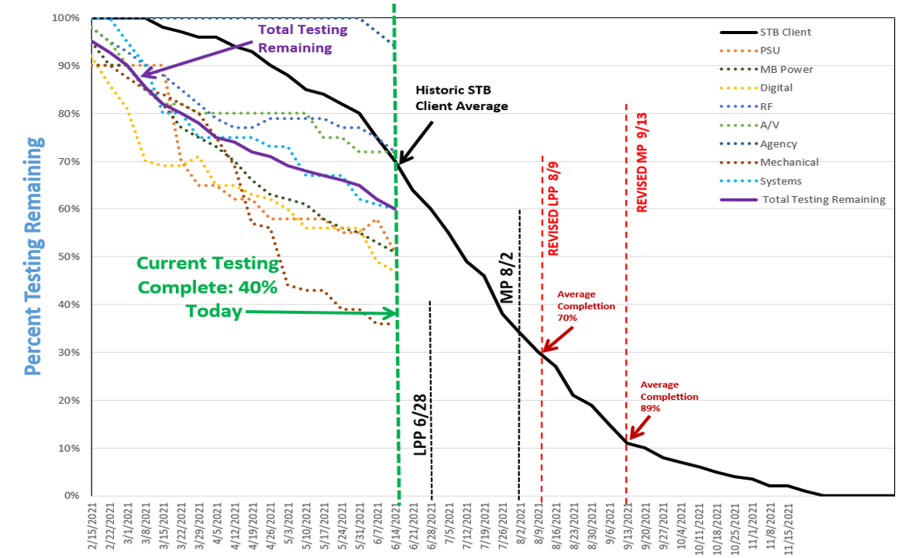
Dept | Categories | Metrics | Weekly |  | Variance from Target | Formatting | Tolerance (Will Be Hidden) | Target (Will Be Hidden) | Comments | Monthly |  |  | Variance | Comments
 |  |  | 2021-06-20 | 2021-06-14 |  |  |  |  |  | May | Apr | Mar
Hardware Engineering | Design Validation | Hopper Plus | 100% | 99% |  |  |  | 95% | 5% ahead of historical average for the week of 06/20 | 94% | 84% | 69%
 |  | MoCA Joey 4 | 97% | 97% |  |  |  | 96% | 1% ahead of historical average for the week of 06/20 | 90% | 82% | 64%
 |  | WiFi Joey 4 | 96% | 96% |  |  |  | 94% | 2% ahead of historical average for the week of 06/20 | 90% | 81% | 64%
 |  | Bell Zapper | 43% | 40% |  |  |  | 36% | 7% ahead of historical average for the week of 06/20 | 32% | 28% | 20%

 | Coincident RAs and Test Failures at ELP/SPA vs Active Receivers Test week - 6/26/2021 | BUILD YEAR | 2011 | 2012 | 2013 | 2014 | 2015 | 2016 | 2017 | 2018 | 2019 | 2020
 |  | HOP1 - % | 0.54 | 0.50
 |  | HOP2 - % |  | 0.41 | 0.26 | 0.21 | 0.27 | 0.23 |  |  |  |  |  | Seagate HDD Issue (2012)
 |  | HOP3 - % |  |  |  |  | 0.23 | 0.24 | 0.21 | 0.23 | 0.25 | 0.20
 |  | HOPPER DUO - % |  |  |  |  |  |  | 0.31 | 0.38 | 0.24 | 0.22
 |  | JOEY2 - % |  |  | 0.09 | 0.12 | 0.12 | 0.11 | 0.10
 |  | JOEY3 - % |  |  |  |  |  |  | 0.06 | 0.07 | 0.06 | 0.05
 |  | WALLY - % |  |  |  |  | 0.21 | 0.18 | 0.17 | 0.16 | 0.09 | 0.10 |  | Smartcard issue (2015)
 |  | WL JOEY - % |  |  |  | 0.12 | 0.14 | 0.14 | 0.15 | 0.14 | 0.11 | 0.12
 |  |  |  |  |  |  |  |  |  |  |  |  |  |  | Bell Zapper

 |  |  |  |  |  | Known Issue

 |  |  |  |  |  | New Issue

 |  |  |  |  |  | Statistical Significance (Z - Value)

 |  |  |  |  |  | 0 | > 1.96 | > 3.92 | > 5.88

