Analytics Info
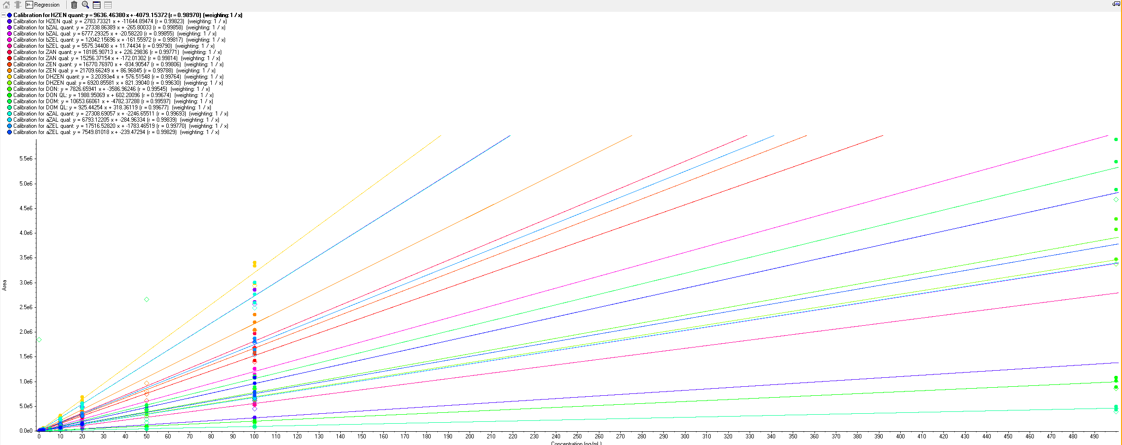
sample submission | submitter | sample preparation for measurement | project/cost center | sample details | number of samples | analyte group | analytes - details | Standard prep | measurement (Date) | measurement (Operator) | acquisition method/SOP | instrument | Data Analysis (Operator) | quantitation method/SOP | evaluation computer | results sent (Date and Person) / Data analysis finished | Note Comments
2019-08-23 | GBI/VGP | sample prep_extern | 10200729 | T48 RUSITEC | 49 | ZEN+DON | ZENs, DONs | yes | 2019-08-23 | GBI |  | Hyperion | GBI |  | multiquant GBI
2019-08-29 | GBI | sample prep_extern | 10200729 | T48 RUSITEC | 49 | ZEN+DON | ZENs, DONs | yes | 2019-08-29 | GBI | ZEN+DON_A1B1pos1_7min_Hyperion | Hyperion | GBI |  | multiquant GBI

