RMITwoMachines
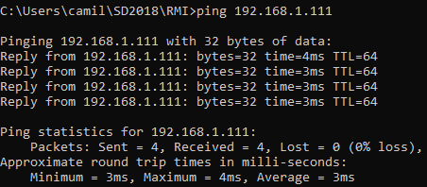
INFO: void void
0|16|0|0|0|0|0|0|16|16|media 4.8
int int
0|0|0|16|16|16|16|0|16|0|media 8.0
long long
0|0|16|0|0|0|0|0|0|0|media 1.6
string string1
0|15|15|0|16|16|16|0|15|15|media 10.8
string string2
16|0|0|0|0|0|0|16|0|0|media 3.2
string string4
0|16|16|15|15|15|0|0|16|0|media 9.3
string string8
15|0|0|0|0|0|15|15|0|16|media 6.1
string string16
0|16|15|16|16|16|0|0|16|0|media 9.5
string string32
16|0|0|0|0|0|0|0|0|0|media 1.6
string string64
0|0|16|16|0|16|16|16|0|0|media 8.0
string string128
15|15|16|0|0|0|0|0|15|0|media 6.1
string string256
0|16|0|31|0|15|0|16|0|15|media 9.3
string string512
16|31|15|0|16|16|16|0|16|0|media 12.6
string stringpot1024
0|16|0|0|16|15|0|0|16|0|media 6.3
int void
0|15|16|16|0|0|0|0|15|15|media 7.7
string void
15|0|0|0|0|16|15|0|0|0|media 4.6
long void
0|16|0|15|16|0|0|0|0|0|media 4.7
big string / void
16|0|0|0|0|15|0|0|0|16|media 4.7
super string / void
93|94|94|94|78|93|93|78|94|94|media 90.5
void int
16|15|0|0|0|16|16|0|15|16|media 9.4
void string
0|16|16|0|16|16|0|15|16|0|media 9.5
void long
0|0|0|0|16|0|16|0|0|0|media 3.2
void / big string
15|0|0|16|0|0|15|15|15|0|media 7.6
void / super string
1282|1282|1250|1266|1250|1265|1297|1282|1251|1297|media 1272.2
2xlong long
15|16|0|0|0|0|0|0|15|16|media 6.2
4xlong long
0|0|0|0|0|0|0|0|0|0|media 0.0
8xlong long
16|15|16|0|0|0|0|15|0|15|media 7.7
long,string string
0|0|0|0|0|0|0|0|0|0|media 0.0
long,long,string,string string
15|0|0|0|0|16|15|16|0|0|media 6.2
double,double,string localizacao
0|16|16|0|16|16|16|0|16|15|media 11.1

