FTB LTV and LTI Distributions
Figure 1: LTV distribution for FTBs in 2024 vs 2025 | FTB LTV 2024 vs 2025 |  |  | Figure 2: LTI distribution for FTBs in 2024 vs 2025 | FTB LTI 2024 vs 2025
 | LTV | Share of Loans 2024 (%) | Share of Loans 2025 (%) |  | LTI | Share of Loans 2024 (%) | Share of Loans 2025 (%)
 | 15-16 | 0.0 | 0.0 |  | 0.25-0.5 | 0.0 | 0.0
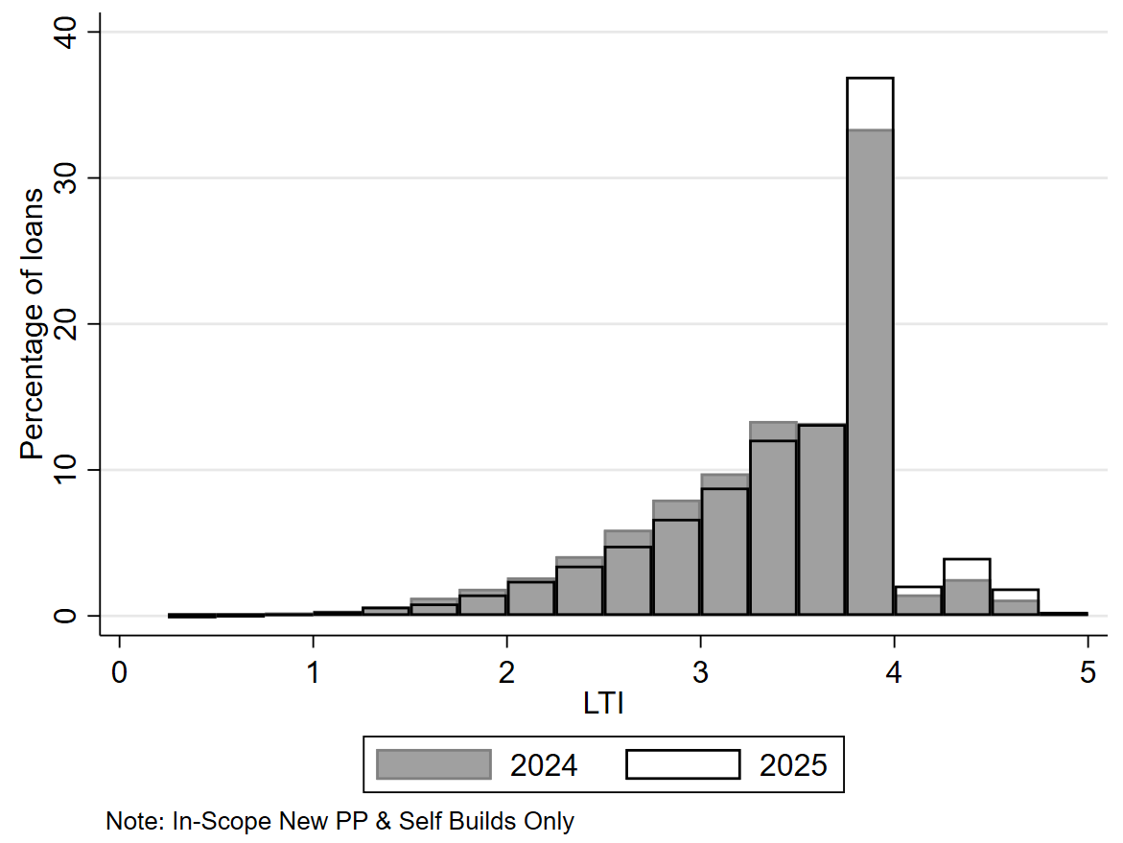
 | 17-18 | 0.1 | 0.1 |  | >0.5-0.75 | 0.1 | 0.1
 | 19-20 | 0.1 | 0.1 |  | > 0.75 - 1 | 0.2 | 0.2
 | 21-22 | 0.1 | 0.1 |  | > 1- 1.25 | 0.4 | 0.3
 | 23-24 | 0.1 | 0.1 |  | >1.25 -1.5 | 0.6 | 0.6
 | 25-26 | 0.1 | 0.1 |  | >1.5-1.75 | 1.2 | 0.9
 | 27-28 | 0.1 | 0.2 |  | >1.75-2 | 1.9 | 1.5
 | 29-30 | 0.2 | 0.2 |  | > 2- 2.25 | 2.6 | 2.4
 | 31-32 | 0.2 | 0.2 |  | >2.25 -2.5 | 4.1 | 3.5
 | 33-34 | 0.3 | 0.2 |  | >2.5-2.75 | 5.9 | 4.8
 | 35-36 | 0.3 | 0.3 |  | >2.75-3 | 8.0 | 6.7
 | 37-38 | 0.4 | 0.4 |  | > 3- 3.25 | 9.8 | 8.8
 | 39-40 | 0.4 | 0.4 |  | >3.25 -3.5 | 13.4 | 12.1
 | 41-42 | 0.4 | 0.5 |  | >3.5-3.75 | 13.2 | 13.1
 | 43-44 | 0.5 | 0.5 |  | >3.75-4 | 33.4 | 36.9
 | 45-46 | 0.5 | 0.5 |  | > 4- 4.25 | 1.5 | 2.1
 | 47-48 | 0.6 | 0.7 |  | >4.25 -4.5 | 2.5 | 4.0
 | 49-50 | 0.8 | 0.9 |  | >4.5 | 1.3 | 2.2
 | 51-52 | 0.8 | 0.8 |  | Note: loans with LTI<0.25 are removed. Share of number of loans
 | 53-54 | 0.8 | 0.9 |  | Sample used is new in-scope property purchase/self-build loans only
 | 55-56 | 1.0 | 0.9
 | 57-58 | 1.0 | 1.0
 | 59-60 | 1.4 | 1.3
 | 61-62 | 1.2 | 1.1
 | 63-64 | 1.5 | 1.4
 | 65-66 | 1.3 | 1.4
 | 67-68 | 1.7 | 1.6
 | 69-70 | 3.6 | 3.4
 | 71-72 | 3.9 | 3.3
 | 73-74 | 3.2 | 3.2
 | 75-76 | 3.4 | 3.3
 | 77-78 | 3.7 | 3.6
 | 79-80 | 5.9 | 5.7
 | 81-82 | 4.1 | 4.4
 | 83-84 | 4.3 | 4.3
 | 85-86 | 5.2 | 5.4
 | 87-88 | 5.9 | 5.8
 | 89-90 | 40.8 | 42.0
 | >90 | 0.0 | 0.0
 | Note: LTV<15 removed. Share of number of loans
 | Sample used is new in-scope property purchase/self-build loans only

0

SSB LTV and LTI Distribution
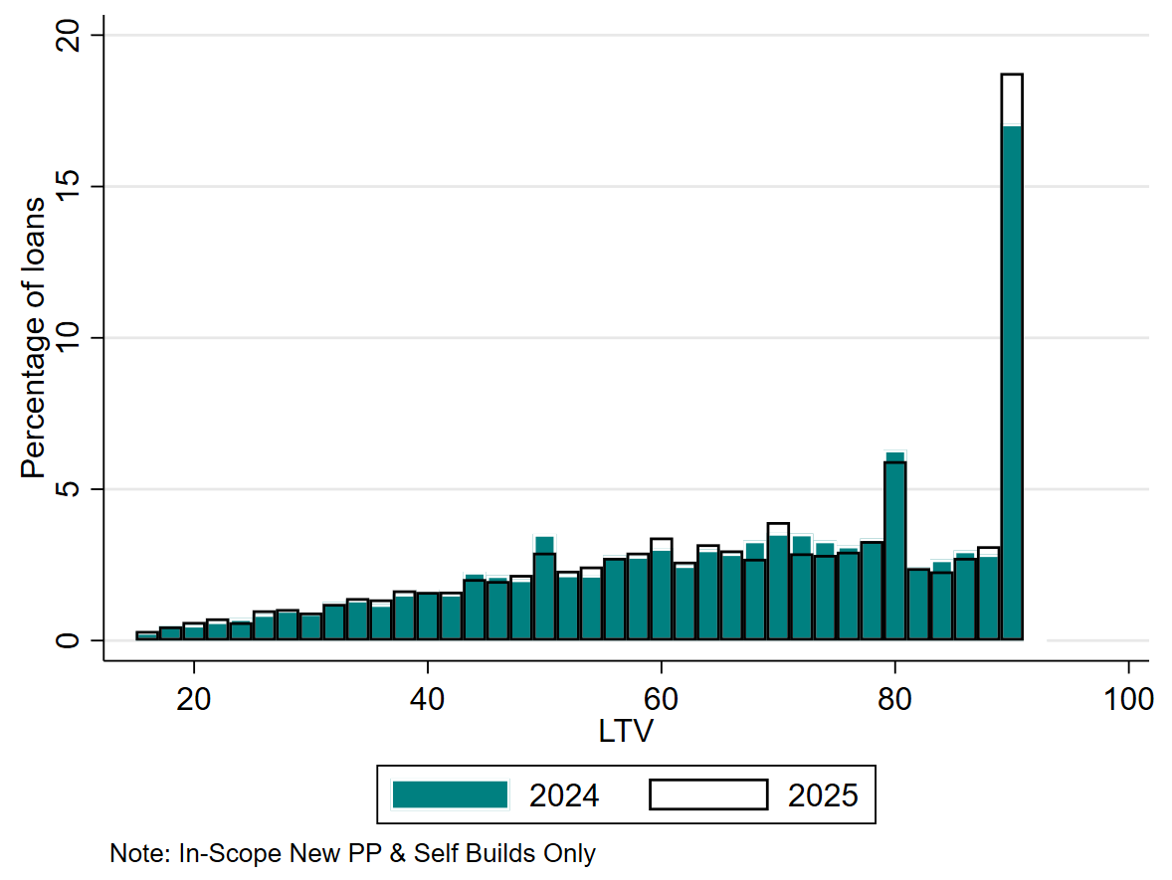
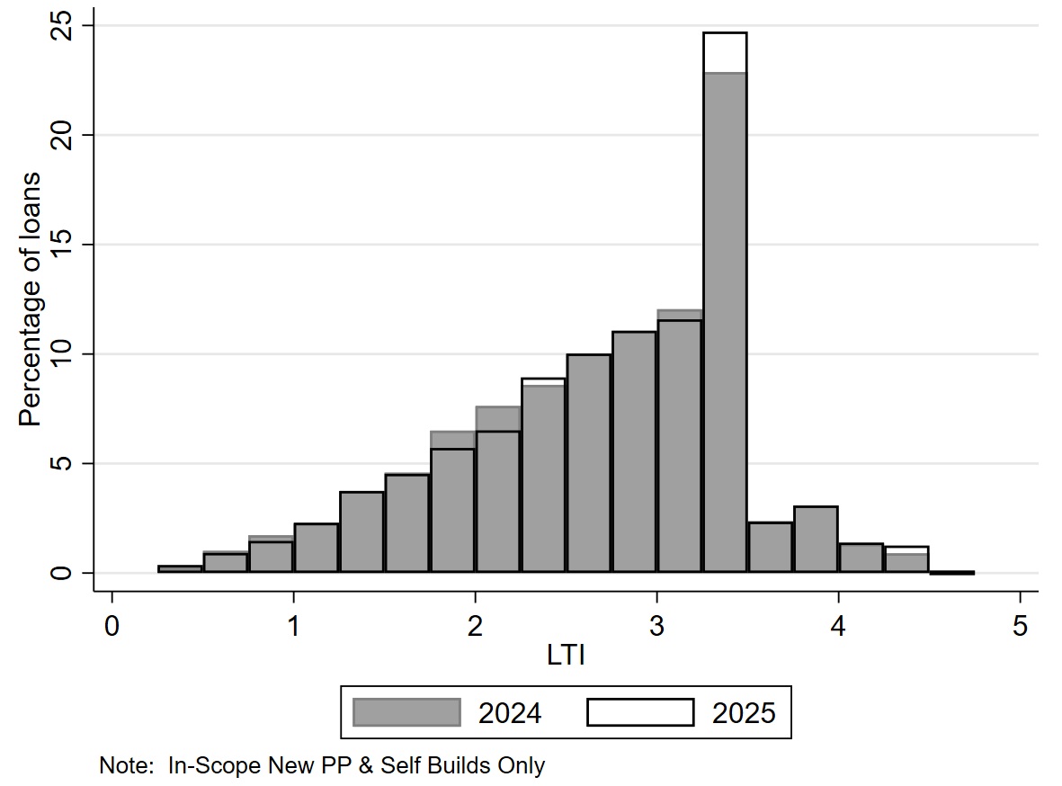
Figure 3: LTV distribution for SSBs in 2024 vs 2025 | SSB LTV 2024 vs 2025 |  |  | Figure 4: LTI distribution for SSBs in 2024 vs 2025 | SSB LTI 2024 vs 2025
 | LTV | Share of Loans 2024 (%) | Share of Loans 2025 (%) |  | LTI | Share of Loans 2024 (%) | Share of Loans 2025 (%)
 | 15-16 | 0.3 | 0.3 |  | 0.25-0.5 | 0.3 | 0.4
 | 17-18 | 0.5 | 0.5 |  | >0.5-0.75 | 1.0 | 0.9
 | 19-20 | 0.5 | 0.6 |  | > 0.75 - 1 | 1.7 | 1.5
 | 21-22 | 0.6 | 0.7 |  | > 1- 1.25 | 2.3 | 2.3
 | 23-24 | 0.7 | 0.6 |  | >1.25 -1.5 | 3.8 | 3.8
 | 25-26 | 0.9 | 1.0 |  | >1.5-1.75 | 4.6 | 4.5
 | 27-28 | 1.0 | 1.0 |  | >1.75-2 | 6.5 | 5.7
 | 29-30 | 0.9 | 0.9 |  | > 2- 2.25 | 7.6 | 6.5
 | 31-32 | 1.3 | 1.2 |  | >2.25 -2.5 | 8.6 | 8.9
 | 33-34 | 1.4 | 1.4 |  | >2.5-2.75 | 10.0 | 10.0
 | 35-36 | 1.2 | 1.4 |  | >2.75-3 | 11.0 | 11.1
 | 37-38 | 1.6 | 1.7 |  | > 3- 3.25 | 12.1 | 11.6
 | 39-40 | 1.7 | 1.6 |  | >3.25 -3.5 | 22.9 | 24.7
 | 41-42 | 1.6 | 1.6 |  | >3.5-3.75 | 2.4 | 2.3
 | 43-44 | 2.3 | 2.0 |  | >3.75-4 | 3.1 | 3.1
 | 45-46 | 2.2 | 2.0 |  | > 4- 4.25 | 1.3 | 1.4
 | 47-48 | 2.0 | 2.2 |  | >4.25 -4.5 | 0.9 | 1.3
 | 49-50 | 3.5 | 2.9 |  | >4.5 | 0.0 | 0.0
 | 51-52 | 2.2 | 2.3 |  | Note: loans with LTI<0.25 are removed. Share of number of loans
 | 53-54 | 2.2 | 2.5 |  | Sample used is new in-scope property purchase/self-build loans only
 | 55-56 | 2.8 | 2.7
 | 57-58 | 2.8 | 2.9
 | 59-60 | 3.1 | 3.4
 | 61-62 | 2.5 | 2.6
 | 63-64 | 3.0 | 3.2
 | 65-66 | 2.9 | 3.0
 | 67-68 | 3.3 | 2.7
 | 69-70 | 3.6 | 3.9
 | 71-72 | 3.5 | 2.9
 | 73-74 | 3.3 | 2.8
 | 75-76 | 3.1 | 2.9
 | 77-78 | 3.4 | 3.3
 | 79-80 | 6.3 | 5.9
 | 81-82 | 2.4 | 2.4
 | 83-84 | 2.7 | 2.3
 | 85-86 | 3.0 | 2.7
 | 87-88 | 2.9 | 3.1
 | 89-90 | 17.1 | 18.7
 | >90 | 0.0 | 0.0
 | Note: LTV<15 removed. Share of number of loans.
 | Sample used is new in-scope property purchase/self-build loans only

Trend over time in LTV and LTI
Figure 5: Trend over Time in LTI for FTBs |  |  |  |  |  |  | Figure 6: Trend over Time in LTV for FTBs |  |  |  |  |  |  | Figure 7: Trend over Time in LTI for SSBs |  |  |  |  |  |  | Figure 8: Trend over Time in LTV for SSBs

 | FTB LTI over Time |  |  |  |  | FTB LTV over Time |  |  |  |  | SSB LTI over Time |  |  |  |  | SSB LTV over Time
 | LTI FTB P10 | LTI FTB P25 | LTI FTB Median | LTI FTB P75 | LTI FTB P90 | LTV FTB P10 | LTV FTB P25 | LTV FTB Median | LTV FTB P75 | LTV FTB P90 | LTI SSB P10 | LTI SSB P25 | LTI SSB Median | LTI SSB P75 | LTI SSB P90 | LTV SSB P10 | LTV SSB P25 | LTV SSB Median | LTV SSB P75 | LTV SSB P90
2006 | 2.6 | 3.5 | 4.3 | 5.0 | 5.7 | 48 | 72 | 92 | 100 | 100 | 1.5 | 2.4 | 3.5 | 4.6 | 5.6 | 19 | 36 | 59 | 80 | 91
2007 | 2.7 | 3.6 | 4.4 | 5.2 | 5.9 | 46 | 65 | 90 | 98 | 100 | 1.5 | 2.5 | 3.6 | 4.6 | 5.6 | 20 | 38 | 62 | 81 | 92
2008 | 2.8 | 3.7 | 4.5 | 5.3 | 6.0 | 47 | 64 | 87 | 94 | 100 | 1.4 | 2.4 | 3.4 | 4.5 | 5.4 | 20 | 37 | 60 | 80 | 92
2009 | 2.7 | 3.4 | 4.2 | 5.0 | 5.6 | 49 | 66 | 81 | 92 | 92 | 1.3 | 2.1 | 3.2 | 4.2 | 5.3 | 19 | 36 | 60 | 82 | 92
2010 | 2.4 | 3.1 | 4.0 | 4.7 | 5.3 | 50 | 71 | 85 | 92 | 92 | 1.2 | 2.0 | 3.0 | 4.0 | 4.9 | 22 | 40 | 66 | 86 | 92
2011 | 2.0 | 2.6 | 3.4 | 4.2 | 4.8 | 42 | 66 | 85 | 90 | 92 | 1.1 | 1.6 | 2.3 | 3.0 | 3.7 | 20 | 38 | 63 | 84 | 92
2012 | 1.7 | 2.3 | 3.0 | 3.8 | 4.4 | 41 | 66 | 85 | 90 | 92 | 1.0 | 1.5 | 2.1 | 2.8 | 3.5 | 20 | 43 | 70 | 87 | 92
2013 | 1.5 | 2.1 | 2.8 | 3.5 | 4.0 | 43 | 65 | 83 | 90 | 92 | 1.0 | 1.5 | 2.1 | 2.8 | 3.4 | 23 | 45 | 70 | 86 | 92
2014 | 1.6 | 2.1 | 2.8 | 3.4 | 3.9 | 47 | 69 | 85 | 90 | 92 | 1.1 | 1.6 | 2.2 | 2.9 | 3.5 | 24 | 46 | 70 | 85 | 90
2015 | 1.7 | 2.3 | 2.9 | 3.5 | 3.9 | 56 | 73 | 85 | 90 | 90 | 1.1 | 1.6 | 2.3 | 2.9 | 3.4 | 30 | 48 | 67 | 80 | 85
2016 | 1.9 | 2.4 | 3.0 | 3.4 | 3.7 | 57 | 74 | 85 | 90 | 90 | 1.2 | 1.7 | 2.4 | 3.0 | 3.4 | 32 | 50 | 69 | 80 | 81
2017 | 2.0 | 2.6 | 3.2 | 3.5 | 3.9 | 59 | 75 | 86 | 90 | 90 | 1.3 | 1.9 | 2.5 | 3.1 | 3.5 | 34 | 51 | 70 | 80 | 85
2018 | 2.1 | 2.7 | 3.2 | 3.5 | 3.8 | 59 | 75 | 86 | 90 | 90 | 1.3 | 1.9 | 2.6 | 3.2 | 3.5 | 34 | 50 | 69 | 80 | 83
2019 | 2.2 | 2.7 | 3.3 | 3.5 | 3.7 | 62 | 77 | 88 | 90 | 90 | 1.3 | 1.9 | 2.6 | 3.2 | 3.5 | 35 | 52 | 70 | 80 | 84
2020 | 2.2 | 2.8 | 3.3 | 3.5 | 3.5 | 65 | 78 | 88 | 90 | 90 | 1.4 | 2.0 | 2.6 | 3.2 | 3.5 | 36 | 52 | 70 | 80 | 80
2021 | 2.3 | 2.9 | 3.3 | 3.5 | 3.6 | 62 | 76 | 86 | 90 | 90 | 1.4 | 2.0 | 2.7 | 3.2 | 3.5 | 36 | 51 | 68 | 79 | 80
2022 | 2.4 | 2.9 | 3.4 | 3.5 | 3.8 | 61 | 75 | 86 | 90 | 90 | 1.5 | 2.1 | 2.8 | 3.3 | 3.5 | 36 | 51 | 68 | 80 | 80
2023 | 2.4 | 3.0 | 3.4 | 3.8 | 4.0 | 60 | 74 | 86 | 90 | 90 | 1.5 | 2.1 | 2.8 | 3.3 | 3.5 | 36 | 51 | 68 | 80 | 90
2024 | 2.4 | 3.0 | 3.5 | 3.9 | 4.0 | 59 | 73 | 85 | 90 | 90 | 1.5 | 2.1 | 2.8 | 3.3 | 3.5 | 34 | 49 | 67 | 80 | 90
2025 | 2.5 | 3.1 | 3.7 | 4.0 | 4.0 | 58 | 73 | 85 | 90 | 90 | 1.5 | 2.1 | 2.8 | 3.4 | 3.5 | 33 | 48 | 65 | 80 | 90
 | Note: Data from 2006 - 2014 covers all mortgage agreements originated by retail banks since 2006 except split mortgages. Data from 2015-2025H1 includes in-scope property purchase/self-build loans and topup/equity release loans. Data Source: Loan-Level Data (LLD) from 2006-2014 and Monitoring Templates Data (MT) from 2015-2025
 | Some marginal differences in this series from previously published data may arise due to enhanced processing of retrospective data from 2006-2014.

Allocation of Allowances Chart
Figure 9: Allocation of Allowances by Borrower Type, 2025
First Time Buyers | Second and Subsequent Buyers

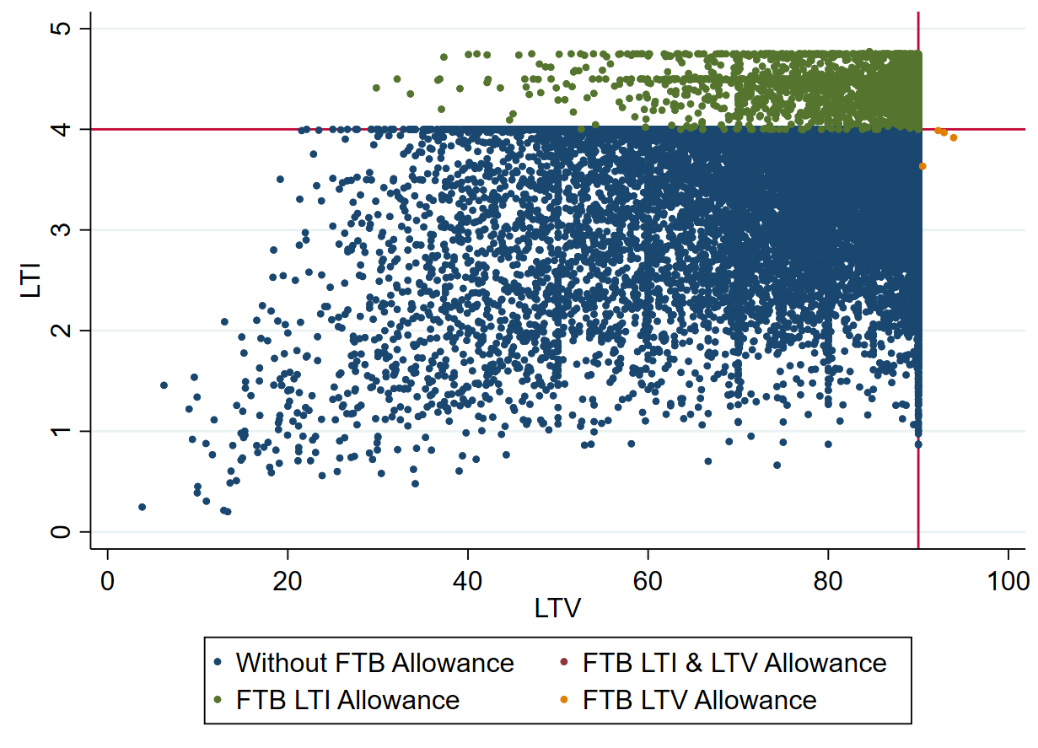
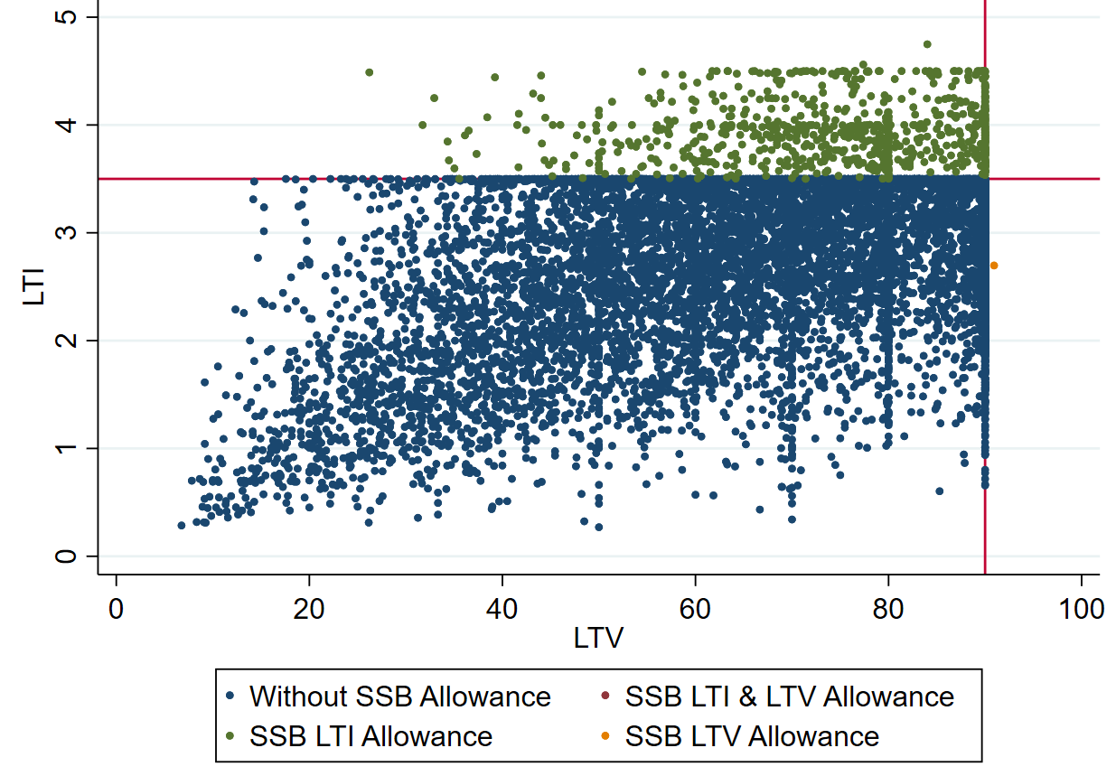

Note: Authors Calculations using Central Bank of Ireland Data. Sample used is all new in-scope property purchase/self-build loans.

