Hoja1
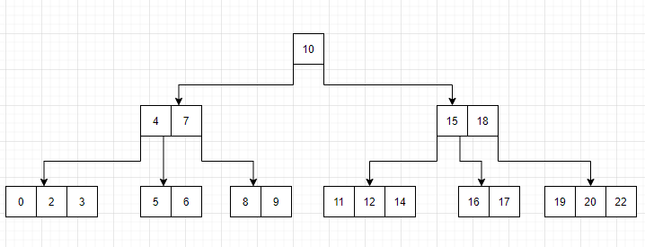
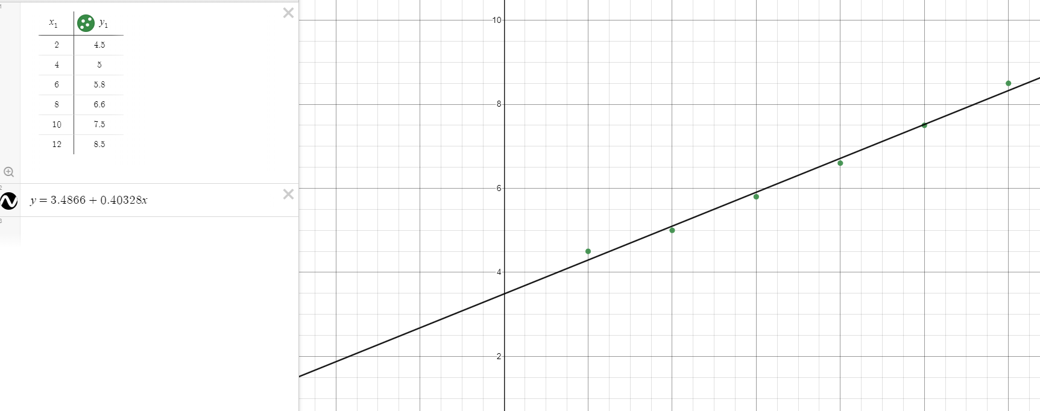
 | x | y | xy | x^2 | st | sr
 | 2 | 4.5 | 9 | 4 | 3.30027778 | 0.04193018
 | 4 | 5 | 20 | 16 | 1.73361111 | 0.01077502
 | 6 | 5.8 | 34.8 | 36 | 0.26694444 | 0.0126796
 | 8 | 6.6 | 52.8 | 64 | 0.08027778 | 0.01462784
 | 10 | 7.5 | 75 | 100 | 1.40027778 | 0.00087125
 | 12 | 8.5 | 102 | 144 | 4.76694444 | 0.02621537
 | 42 | 37.9 | 293.6 | 364 | 11.54833333 | 0.10709926
 | 7 | 6.3166666667

 | a1= (6*293,6)-(42*37,5)/(6*364 -42^2 = 0,40428 |  |  |  |  | Desviacion estandar

 | a0=6,316667 - 0,40428*7 = 3,486 |  |  |  |  | sy=√11.5483333/(6-1) = 1,51975875

 | y = 3,4866 + 0,40328x |  |  |  |  | Error estandar

 |  |  |  |  |  | sy/x = √0,10709926/(6-2) = 0,16363011

 | coeficiente de relacion

 | r=√(11,548333 - 0,10709926)/11,548333 * 100 = 99.53%

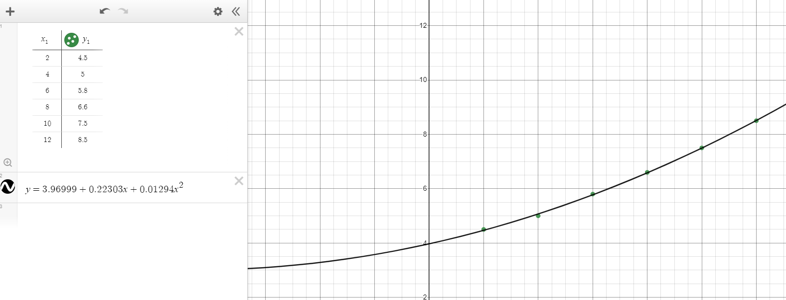

 | x | y | xy | x^2 | x^3 | x^4 | x^2y | st | sr
 | 2 | 4.5 | 9 | 4 | 8 | 16 | 18 | 3.30027778 | 0.001033163
 | 4 | 5 | 20 | 16 | 64 | 256 | 80 | 1.73361111 | 0.00480051
 | 6 | 5.8 | 34.8 | 36 | 216 | 1296 | 208.8 | 0.26694444 | 0.000661224
 | 8 | 6.6 | 52.8 | 64 | 512 | 4096 | 422.4 | 0.08027778 | 0.000293876
 | 10 | 7.5 | 75 | 100 | 1000 | 10000 | 750 | 1.40027778 | 0.0000249
 | 12 | 8.5 | 102 | 144 | 1728 | 20736 | 1224 | 4.76694444 | 0.000114796
 | 42 | 37.9 | 293.6 | 364 | 3528 | 36400 | 2703.2 | 11.54833333 | 0.006928469
 | 7 | 6.3166666667

 |  |  |  |  |  | desviacion estandar

 | 6a0 + 42a1 +364a2 = 37,9 |  |  |  | a0= 3,9699 | sy=√11.5483333/(6-1) = 1,51975875
 | 42a0 +364a1 +3528a2 = 293,6 |  |  |  | a1= 0,22303
 | 364a0 + 3528a1 + 36400a2 = 2703,2 |  |  |  | a2= 0,01294 | error estandar

 | y = 3,96999 + 0,22303x + 0,01294x^2 |  |  |  |  | sy/x = √0,006928469/(6-3) = 0,048067150

 | coeficiente de relacion

 | r=√(11,548333 - 0,006928469)/11,548333 * 100 = 99.97%

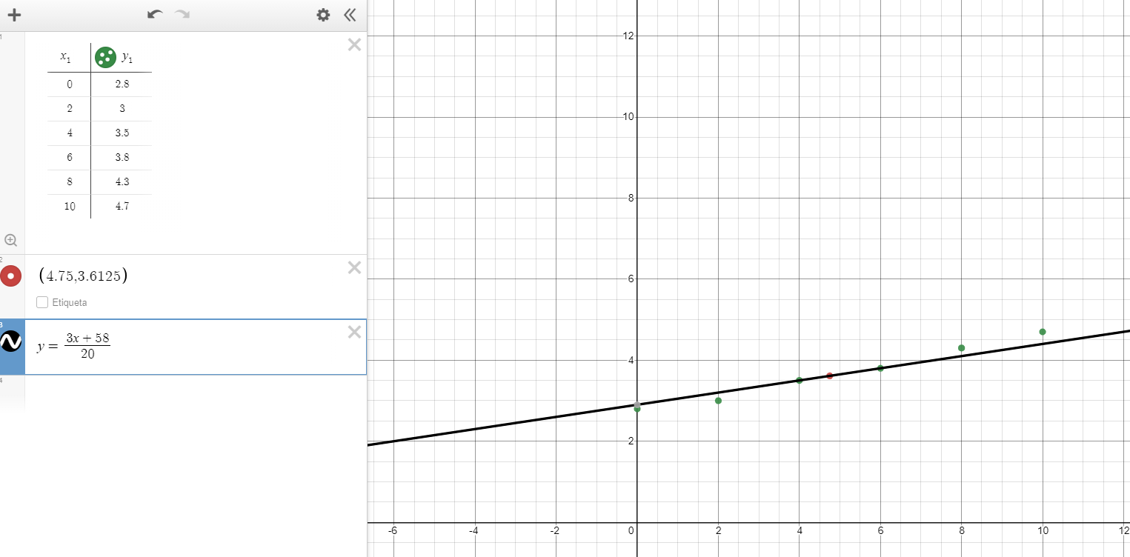
 | Grado 1

 | f1(x) = x-x1/x0-x1 * f(x0) + x-x0/x1-x0 f(x1)

 | f1(x) = x-6/4-6 * 3,5 + x-4/6-4 * 3,8

 | f1(x) = 3x+58/20 |  |  | f1(4,75) = 3,6125

 | grado 2

 | f2(x) = (x-x1)(x-x2)/(x0+x1)(x0-x2) * f(x0) + (x-x0)(x-x2)/(x1-x0)(x1-x2) f(x1) + (x-x0)(x-x1)/(x2-x0)(x2-x1) * f(x2)
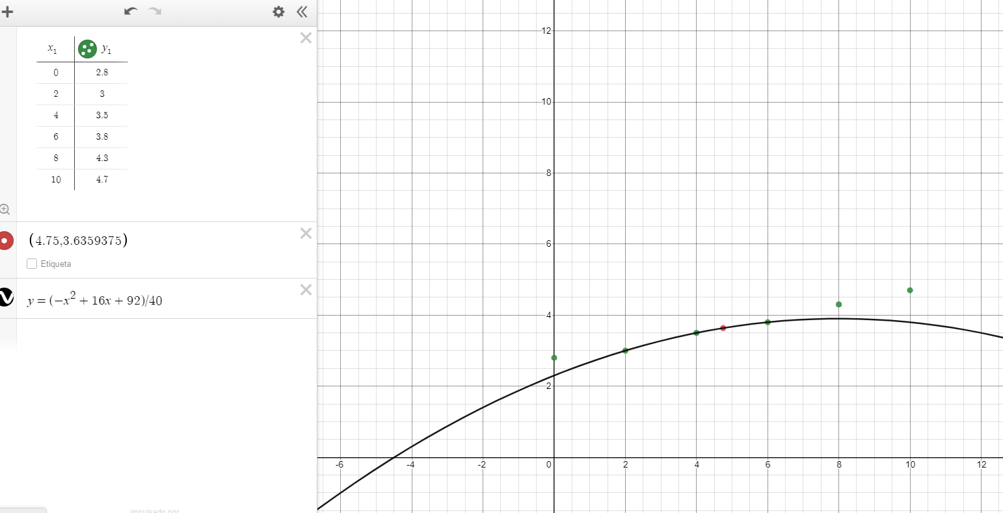
 | f2(x) = (x-4)(x-6)/(2+4)(2-6) * 3 + (x-2)(x-6)/(4-2)(4-6) * 3,5 + (x-2)(x-4)/(6-2)(5-4) * 3,8

 | f2(x) = (-x^2 + 16x + 92)/40 |  |  |  | f2(4,75) = 3,6359375

Busqueda binaria

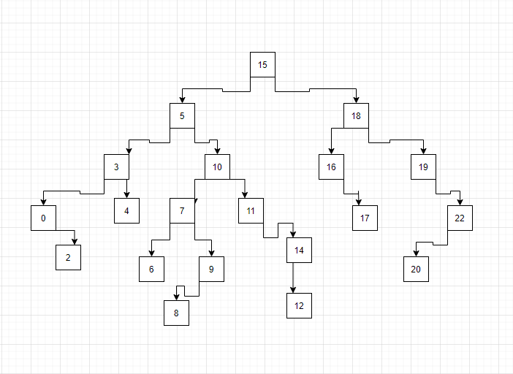

Arbol B

