WWR per cluster
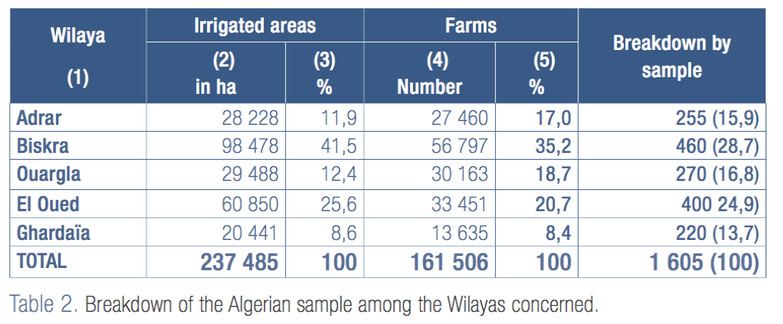
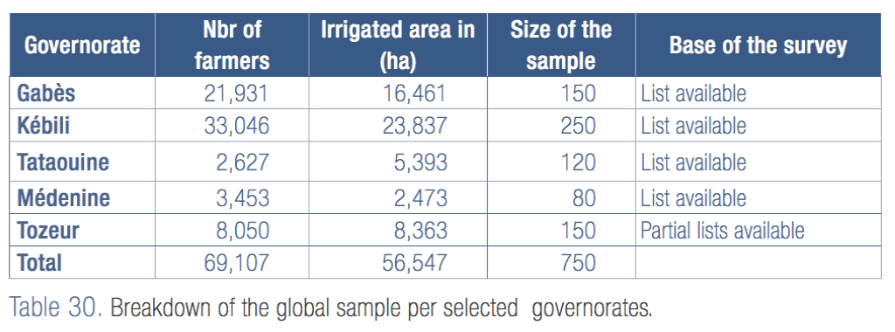
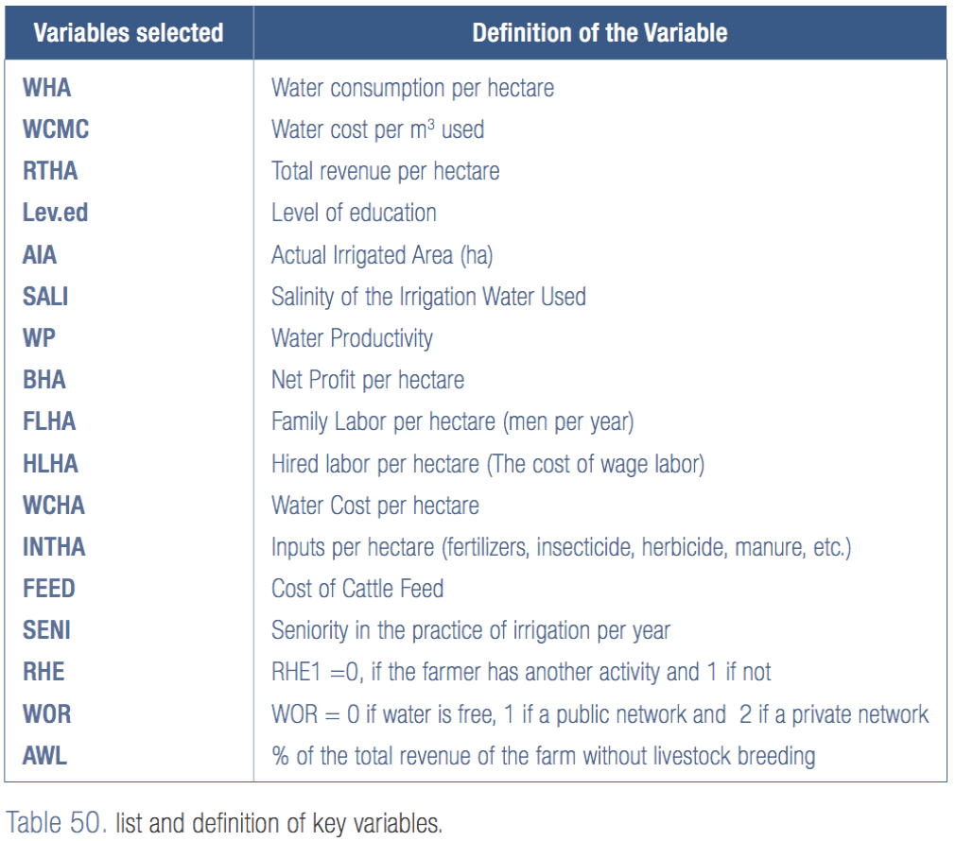
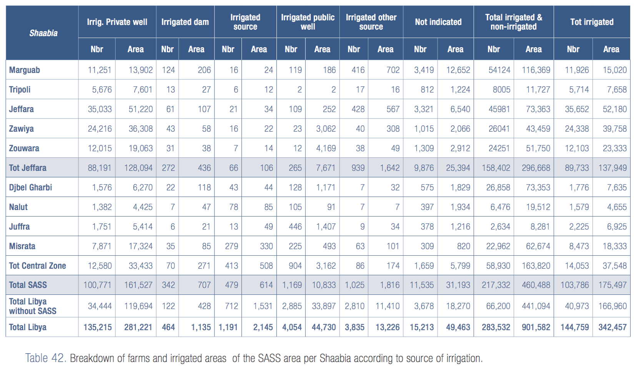
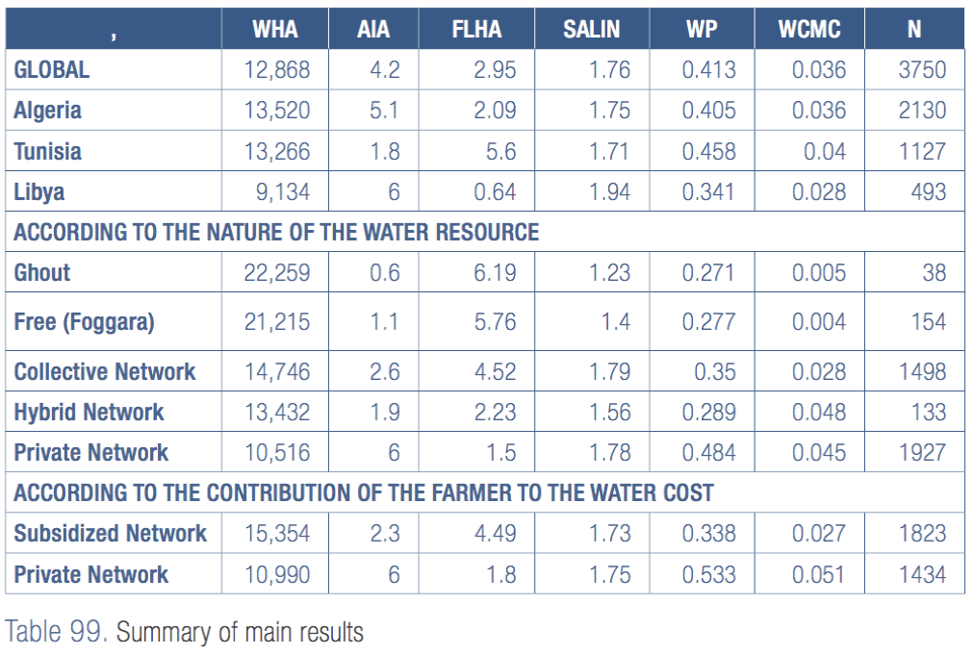
Region | StartYear | EndYear | UrbanRatioStartYear | UrbanRatioEndYear | PopulationStartYear | PopulationEndYear | UrbanPopWaterUni | RuralPopWaterUni | IrrigatedAreaHa | IrrigatedAreaFutureHa | IrrigationWaterPerHa | RechargeRate | EnvironmentalFlow | GroundwaterPipeD | GroundwaterDensity | GroundwaterViscosity | GroundwaterRoughness | PumpEfficiency | IrrigationHours | tdsThreshold | Clustering
Algeria | 2,015 | 2,050 | - | - | 4,240,888 | 6,007,654 | 55.00 | 55.00 | 237,485 | 237,485 | 13,520 | 1.06 | - | 1.00 | 1,000 | 1.6191 | 0.30 | 0.85 | - | 1,000 | y
Tunisia | 2,015 | 2,050 | - | - | 617,168 | 874,282 | 55.00 | 55.00 | 56,547 | 56,547 | 13,266 | 1.06 | - | 1.00 | 1,000 | 1.6191 | 0.30 | 0.85 | - | 1,000 | y
Libya | 2,015 | 2,050 | - | - | 1,518,311 | 2,150,844 | 55.00 | 55.00 | 175,497 | 175,497 | 9,134 | 1.06 | - | 1.00 | 1,000 | 1.6191 | 0.30 | 0.85 | - | 1,000 | y

