L-CON V1.0 원가
 | LM 시트 원가
 | 모델명 | 사양 | 참조 | 수량 | 단가 | 합계 금액 | Site Link
1 | WT32-SC01 PLUS | 3.5 인치, 320x480 정전식 멀티 터치 LCD 화면 | 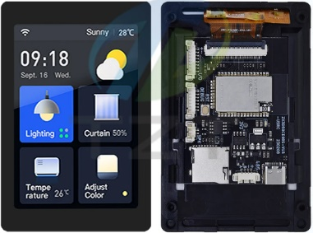 | 50 | ₩37,038 | ₩1,851,900 | https://ko.aliexpress.com/item/1005006161466254.html?spm=a2g0o.productlist.main.11.15e74c7e7GTaUg&algo_pvid=18acb66f-3426-4d16-b2b7-3755a83a4c51&algo_exp_id=18acb66f-3426-4d16-b2b7-3755a83a4c51-5&pdp_npi=4%40dis%21KRW%2142094%2137038%21%21%2129.64%2126.08%21%402140e7df17207415012024691e7da6%2112000038005267502%21sea%21KR%210%21AB&curPageLogUid=pjhcNH6eeyBX&utparam-url=scene%3Asearch%7Cquery_from%3A
2 | 5 인치 IPS 800*480 | Capacitive touch (정전용량 터치) | 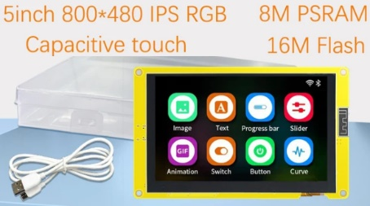 | 50 | ₩39,356 | ₩1,967,800 | https://ko.aliexpress.com/item/1005006301815219.html?spm=a2g0o.productlist.main.41.4d0c51b5oBSAVD&algo_pvid=e81dcfdf-7b9d-4911-9368-a3eb47ec6359&algo_exp_id=e81dcfdf-7b9d-4911-9368-a3eb47ec6359-20&pdp_npi=4%40dis%21KRW%2139356%2139356%21%21%21201.96%21201.96%21%402140e7df17207404259734024e7da6%2112000036680190112%21sea%21KR%210%21AB&curPageLogUid=fcp0ruTevYTr&utparam-url=scene%3Asearch%7Cquery_from%3A
3 | 부스트 벅 DC 컨버터 | 8-40V to 12V 20A | 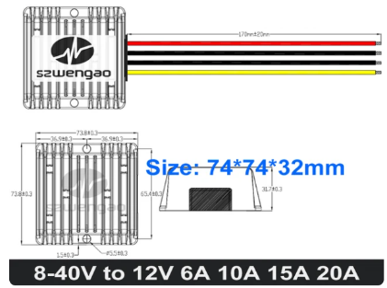 | 50 | ₩29,725 | ₩1,486,250 | https://ko.aliexpress.com/item/1005007348236106.html?spm=a2g0o.productlist.main.91.26727fbfLjSlJz&algo_pvid=841f1fff-4a9d-4b86-90cd-048250a0412d&algo_exp_id=841f1fff-4a9d-4b86-90cd-048250a0412d-45&pdp_npi=4%40dis%21KRW%2110197%2110197%21%21%217.18%217.18%21%402140e7df17207406961672774e7da6%2112000040365289570%21sea%21KR%210%21AB&curPageLogUid=cO0Es5xiBOj8&utparam-url=scene%3Asearch%7Cquery_from%3A
 |  |  |  |  |  | ₩5,305,950

