Daily Notes
2021-05-15

Wired up test circuit with super capacitor. Charging with 24 ohm resistor, discharging to an LED
Calculating time to charge isn't very accurate as when you get closer to Vsupply the current reduces, so voltage increase slows down.
Found really useful calculator to calculate charge/discharge times: http://mustcalculate.com/electronics/capacitorchargeanddischarge.php?vfrom=3.8&vto=3.5&vs=0&c=1&r=10
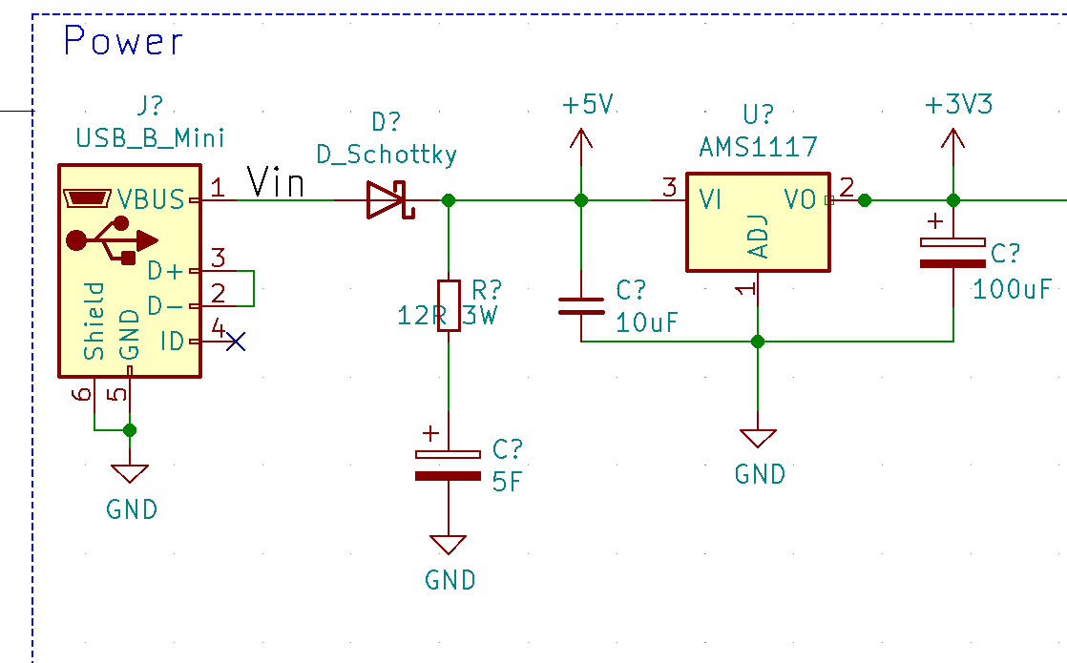
Realised my circuit isn't ideal- slow charge, fast discharge
Worked on coming up with a design which will charge at maximum rate (500mA) and discharge at whatever the circuit needs (max 500mA). See LTSpice simulation circuit below.
Checked timing calculator, and the charging time is pretty slow, even with 500mA charge.Charging a bit more slower but having video recording on right away is better (even though turning it off less than 30 seconds will deplete battery).

Final thoughts:

LDO should work until ~3.46V

0 to 4.6V with supply voltage 4.8V, drawing 480mA (10R series resistor) = 32s
3.5V to 4.6V (with same current as above) = 19 seconds
4.6V to 3.46V (same current as above) = 2.8 seconds

2021-05-16

Tested Arduino script to see how quick it saves video. It's certainly less than 1 second (sent /stop command via http and I see the video gets saved less than a second).

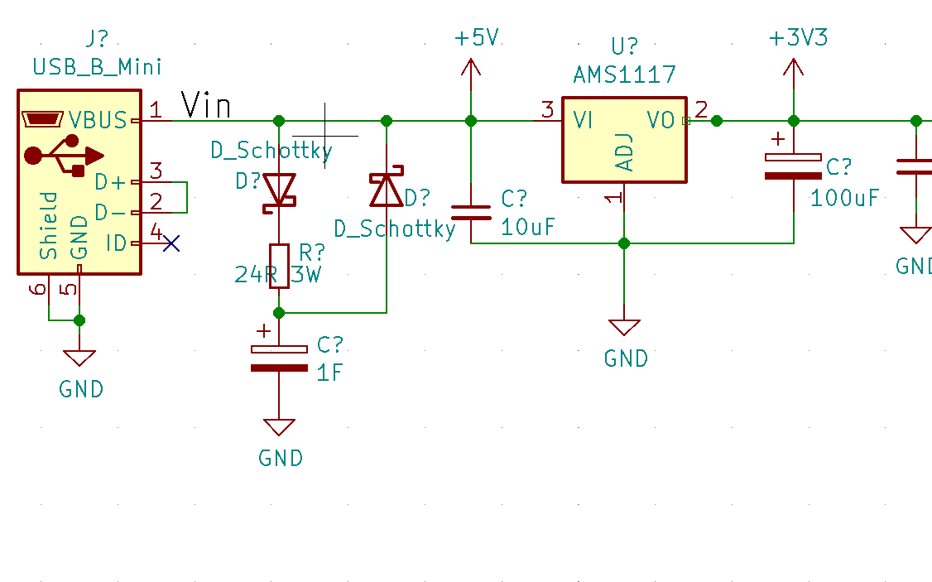
The LCD should stay on for around 1-2 seconds to say a goodbye message, so this is plenty of tine.

ESP32 cam turns off at around 3.8V input (it's LDO has ~1V drop out as advertised)

With 5F capacitor, according to my calculations, it should take 6.7 seconds, and it takes around 7s in practice, so calculations seem accurate.

The same calculations show that 1F cap draining 200mA, to go from 4-3.5V will take over 2 seconds, which satisfies the specification.

1F cap also means the charge time will be a bit quicker.

Measuring capacitance required:
It = CV
It/V = C
dV = 4.6-3.5 = 1.1
I = 0.250 A (measured 300mA peak when everything was running, so in practice it is around 250mA avg)
dt = 2
(0.25*2)/1.1 = 0.45F

Will Use 0.47F

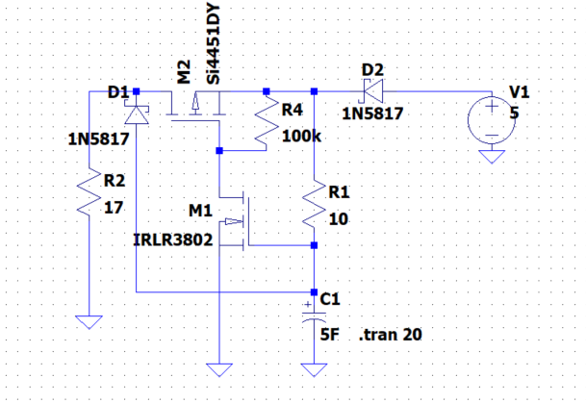
Charging time:

According to mustcalculate.com:
Will take 36 seconds to go to full charge from empty (will take 23 seconds if charging from 3.5V)

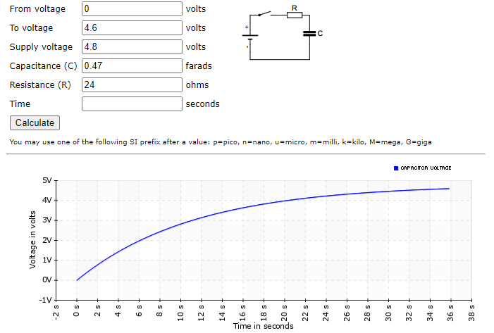

2021-05-22

Schematic checklist: |  | Done | Notes
I2C I/O expander |  | x
Power indicating LED |  | x | Green LED
Recording LED |  | x | Red LED
Button OK |  | x
Button Right |  | x
Button Left |  | x
Button ON/Off |  | x | Turns off device
Supercap |  | x
I2C OLED screen |  | x
USB power detect |  | x
ESP32 cam |  | x
ESP32 PSRAM |  | x
RTC? |  |  | Deep sleep current as stated in datasheet (>100uA) is too high, the esp32 will turn off in a few hours with our current super capacitor selection.

2021-05-23

https://www.buydisplay.com/download/ic/SSD1306.pdf
https://learn.adafruit.com/monochrome-oled-breakouts/downloads
https://www.buydisplay.com/download/interfacing/ER-OLED0.91-7_Interfacing.pdf

0.3mv Shottky Diodes are relatively expensive (£0.6 each). Will go for 0.39mV as they are £0.23 each and a 1F capacitor to reduce cost (0.47 and 1F capacitor are similar cost)

2021-05-29
Using 1F capacitor as the Schottky diode voltage drop was larger than assumed
Picking a lower ESR super capacitor (so it doesn't limit current below 500mA): https://www.digikey.co.uk/product-detail/en/illinois-capacitor/DGH105Q5R5/1572-1771-ND/7387509

2021-05-30

After analyzing the mechanical specification- I noticed the OLED has 0.62mm pitch (not 0.5 mm like previously assumed).

Will make my own footprint and a basic 3D image.

Will not use a connector as after analyzing the connector, it seems very possible to just solder it- saves buying another component and space.

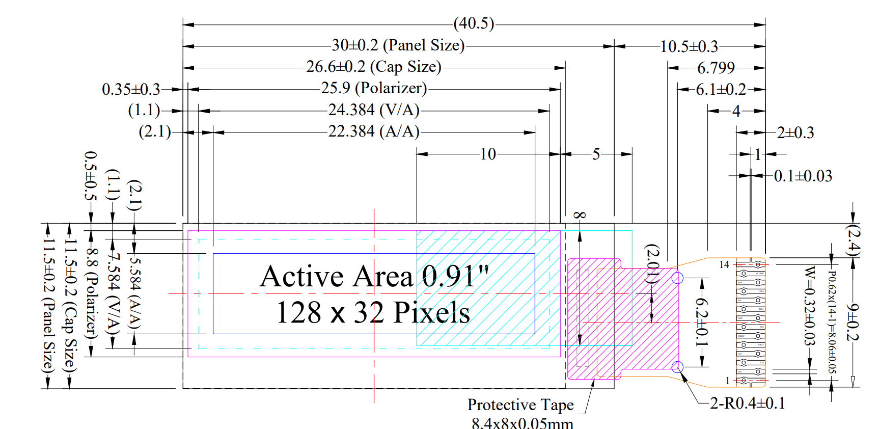

2021-06-05

Continued working on what each PCB should contain.

Currently decided on this:

Front PCB |  |  | Back PCB
OLED |  |  | Camera
IO Expander |  |  | ESP32
SD card? |  |  | Power supply (including supercap)
USB Mini receptacle |  |  | If space, add SD card here so the only thing on the other PCB is the lower priority I2C peripherals only.
UI buttons (ok, left, right) |  |  | Power LED
 |  |  | Recording LED

2021-06-06

Working on PCB design and continuing working out which components go to which PCB.

Decided against having the SD card on a separate board due to worries that the SPI comms may corrupt.

New design:

Front PCB |  |  | Back PCB
OLED |  |  | Camera
IO Expander |  |  | ESP32
Power supply (including supercap) |  |  | SD card
USB Mini receptacle |  |  | If space, add SD card here so the only thing on the other PCB is the lower priority I2C peripherals only.
UI buttons (ok, left, right) |  |  | Power LED
 |  |  | Recording LED

Researched prices of 2 vs 4 layer pcbs. JLC PCB seems to be a lot cheaper than the alernatives (i.e. PCBWAY). There is only a small difference between 2 and 4 layer board. Will design 4 layer board.

Made progress on PCB design.

2021-06-12

Made further progress on PCB design. Components placed, need to route tracks.

2021-06-19

Finished routing tracks for front PCB

2021-06-20

Finished routing tracks for back PCB. Ran DRC check and passing. All tracks routes (except the 5 that are going to be connected via A FPC as expected).
Connected the two boards together with mouse bites.
JLCPCB charges ~£30 extra for vias smaller than 0.45 mm…
JLCPCB also charges an extra £30 for multi-panel designs.
I sent it off anyway as both 'panels' are the same width/height, hopefully they accept review.

If they accept review, I may buy their SMT service.

2021-06-27

JLCPCB accepted the review.

Choosing parts from JLCPCB, updating schem to include their part numbers. Will order the rest from Digikey

2021-07-18

JLCPCB charged extra because my PCB has "two designs".
The PCBs arrived this week. There is some soldering left to do. My aim is to solder the rest of the components, then test each section.

2021-07-25

First day of soldering: Using Hakko soldering iron with unleaded solder and flux, the soldering was relatively straight forward after I started using flux. Everything has been soldered on except the 24 way connectors.

The 24 way FFC connectors proved very difficult. I believe I must use a hot air gun, because the pins short very easily with a soldering iron and it's difficult to remove the shorts.

Some changes need to be made to the PCB:

1. Use a different FFC connector for the connection of the two boards. There is only a few wires needed anyway, using 24 way 0.5 mm pitch is too hard to solder without giving any benefits.
2. Leave more space between the mounting holes as components get in the way of the hex nuts
3. The SD card connector was back to front. The side where you solder IS the side where the SD card connects to…
4. Update footprint of the buttons, currently they have 3 GNDs but the actual buttons themselves only has 2 grounds in opposite corners.
5. Increase via size to minimum from JLCPcb so the PCBs are cheaper?
6. Add silkscreen for the esp32 uart connector.

Notes:
Buy more OLEDs, as they take a while to deliver
Check other components that we may need now that some of them were used during soldering
Buy twice as many as components needed, accidents happen more often than I thought they would

Going to see if the ESP32 works with the current connections.
Confirm the ESP32 can be programmed and can receive/transmit via UART

2021-08-22

Purchased a hot air gun and solder paste to solder the 0.5 mm pitch 24-way FPC connectors, and it was very successful.

Hot air gun at 450 degrees with 20% air flow. Add solder paste across the connectors in a thin line. Scrape off excess/flatten with toothpick. Then apply hot air for around 30 seconds whilst going round in circles.
Sometimes the pins will bridge, if they do then use a de-soldering braid to de-solder- removes very easily.
Other times the connection to the pin isn't made. So test with multimeter to ensure connectivity. If not connected, add a tiny bit of solder paste around that pin and pad, then touch the tip of a hot soldering iron to make the connection.

It was a LOT easier with these right tools.

I tested the ESP32 and it's still working. The 5V and 3v3 rails work correctly too. The supercapacitor takes around 45 seconds to fully charge and keeps the device awake for over 15 seconds!

Next steps are to program the ESP32 and check if the camera can be detected and if it can take pictures. Following that, I will test the IO expander and subsequently the LEDs and buttons.

I may change the supercapacitor as the circuit only needs to be alive for around 1 second. Lower capacitance also means it will charge faster and reduce chance of losing video clip at start of boot up.

2021-08-29

Today I will be modifying the PCB to make it easier to debug issues and build the firmware for the device. |  |  |  | Removing these:

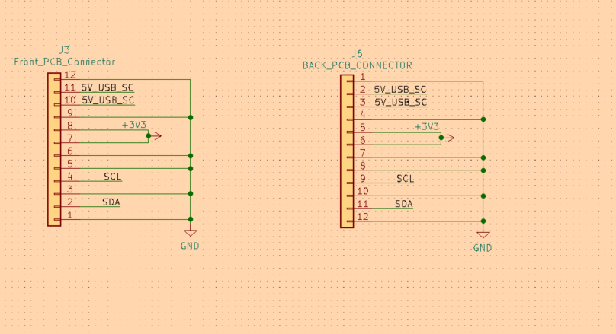
Done? | Notes | Task
Y | For end product | 1. Change FFC connector for the board-board FFC
Skip | For end product | 2. Give space around mounting holes
Y |  | 3. Flip SD card
Y |  | 4. Footprint of buttons
 |  | 5. Min via size to 0.45 mm
 |  | 6. Silk screen for UART connector
Y |  | 7. Increase LED resistor value
SKIP | NOT USING | 8. Move FFC connector inwards
SKIP | NOT USING | 9. Put FFC connector on other side? I.e. swap with the uart connector
 |  | 10. On/off switch to power off supercap for when developing, or do somethign w/reset button
 |  | 11. LDO gets too hot. add vias, and leave spacing
Y |  | 12. Add test points
Y |  | 13. Impove footprint of OLED (the pads are too short)

2021-08-30

Decided to build circuit on breadboard. The PCBA (spin 1) UART becomes unreadable after a while and there aren't enough test points to understand what the issue is.

This will allow me to test the hardware, make changes easily, and start developing the firmware. If FW can't be developed due to h/w limitations, I will design another board. Otherwise I will finish f/w first.

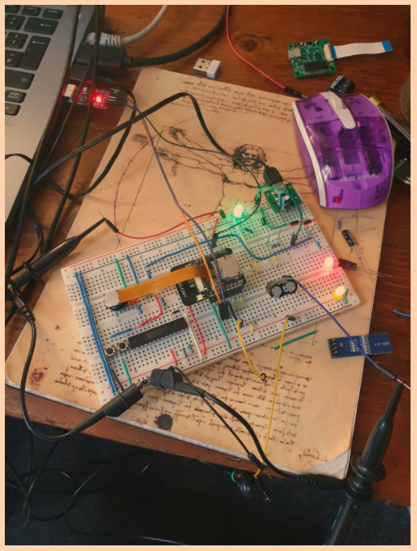
Added 3 LEDs, for 5V (USB), 5V (supercap) and 3V3 for visual debugging

Tested power and all rails seem to be working correctly.

If USB is disconnected, the RED LED turns off, GREEN LED and YELLOW led are on
which means USB connection can be detected by MCU.

The MCU stays on until the voltage drops below X (need to measure) and
after this the MCU keeps trying to restart.

Camera seems to be working using the example code from esp-idf.

Next time: Test OLED screen (example) and finally GPIO expander example
After this, start the firmware architecture and start writing the f/w.

