LCI_indicators
Brazil
 | ER | NER
Ethanol | 8.2 | 0.9
Biodiesel | 4.17 | 0.24
(A)
 | Ethanol
Country | ER | NER | LUC
SC-ARG | 7.6 | 0.52
CO-ARG | 2.5 | 0.66
SC-BRA | 8.2 | 0.9
SC-COL | 9.3 | 0.51
SC-GUA | 4.2 | 0.96

 | Biodiesel
Country | ER | NER | LUC
SB-ARG | 4.47 | 0.3
SB-BRA | 4.17 | 0.24
PO-COL | 3.23 | 0.69
Guatemala | 0 | 0

Colombia
 | ER | NER
Ethanol | 9.3 | 0.51
Biodiesel | 3.23 | 0.69

(B)

Argentina
 | ER | NER
Ethanol | 7.6 | 0.52
Biodiesel | 4.47 | 0.3

Preços
Gasoline x Ethanol prices at gas station
Biodiesel x Diesel prices at gas station
 | Diesel | Biodiesel
Argentina | 0.78 | 0.60
Brazil | 0.72 | 0.67
Colombia | 0.64 | 0.62
Guatemala | 0.81
 | Argentina | Brazil | Colombia | Guatemala
Ethanol (corn) | 0.48
Ethanol (sugarcane) | 0.53 |  | 0.47 | 0.87 | estimativa
Anhydrous ethanol |  | 0.49
Hydrated ethanol | 0.50 | 0.44 | 0.47 | 0.87
Gasoline | 0.84 | 0.89 | 0.65 | 0.98
Diesel | 0.78 | 0.72 | 0.64 | 0.81
Biodiesel | 0.60 | 0.67 | 0.62

Ano base | 2020

Raw materials | USD/ton

*
 | Argentina | Brazil | Colombia | Guatemala
Soybean | 343 | 324.5
Sugarcane | ?? | 21 | 14.5 | ???
Corn | 168.8
Palm |  |  | 108

Ano base | 2019

Emissões
Argentina |  |  | Brazil |  |  | Colombia |  |  | Guatemala | ??

Biofuels |  |  | Biofuels |  |  | Biofuels
 | gCO2 eq/MJ |  |  | gCO2 eq/MJ |  |  | gCO2 eq/MJ
Ethanol (corn) | 26 | calculado | Ethanol (cane) | 22.1 | Renovabio Panel | Ethanol (cane) | 15.5 | Report colombia |  | 28.6
Ethanol (cane) | 54 | calculado | Ethanol (corn) | 29.4 | Renovabio Panel | Biodiesel (Palm) | 14 | Report colombia
Biodiesel | 18 | calculado | Biodiesel | 28 | Renovabio Panel
 |  |  | E2G (straw) | 7.18 | Bonomi et al. (2019)

Raw materials |  |  | Raw materials |  |  | Raw materials
 | kgCO2/ton |  |  | gCO2eq/MJ |  |  | kgCO2eq/ton
Soybean | 245.4 | report CARBIO | Soybean | 19.2 |  | Palm | -300 | Report colombia
Corn | 209 | report ACABIO | Sugarcane | 15 | Pereira et al. (2019) | Sugarcane | 17

 | gCO2eq/MJ
FOSSIL | 85

 | Argentina | Brazil | Colombia | Guatemala
Bioethanol (L) | 1.07E+09 | 3.53E+10 | 4.50E+08 | 2.69E+08
Biodiesel (L) | 2.15E+09 | 5.90E+09 | 6.10E+08 | -
 | Argentina | Brazil | Colombia | Guatemala
Bioethanol (MJ) | 2.28E+10 | 7.49E+11 | 9.54E+09 | 5.70E+09
Biodiesel (MJ) | 7.13E+10 | 1.96E+11 | 2.02E+10 | -
 | Argentina | Brazil | Colombia | Guatemala
Bioethanol (GgCO2 eq) | 910 | 16544 | 148 | 163 | 1 Gg = 1000 tons
Biodiesel (GgCO2 eq) | 1284 | 5483 | 283 | -
 | Argentina | Brazil | Colombia | Guatemala
Gasoline (GgCO2 eq) | 1989 | 65427 | 834 | 499 | Valores obtidos assumindo que a quantidade total de Gasolina/Diesel fosse totalmente substituída por Etanol/Biodiesel
Diesel (GgCO2eq) | 6013 | 16508 | 1706
 | Argentina | Brazil | Colombia | Guatemala
% avoided replace (E) | 54.2 | 74.7 | 82.3 | 67.3
% avoided replace (B) | 78.6 | 66.8 | 83.4 | -

 | Argentina | Brazil | Colombia | Guatemala
CBIOS | 5804119 | 59910545 | 2108955 | 335546.0 | Assuming that 1 CBIO is negociated by $10 in the stock market
CBIOS negociated ($) | $58,041,186 | $599,105,448 | $21,089,550 | R$ 3,355,460.06

 |  | 48883375 | 686143

Land use
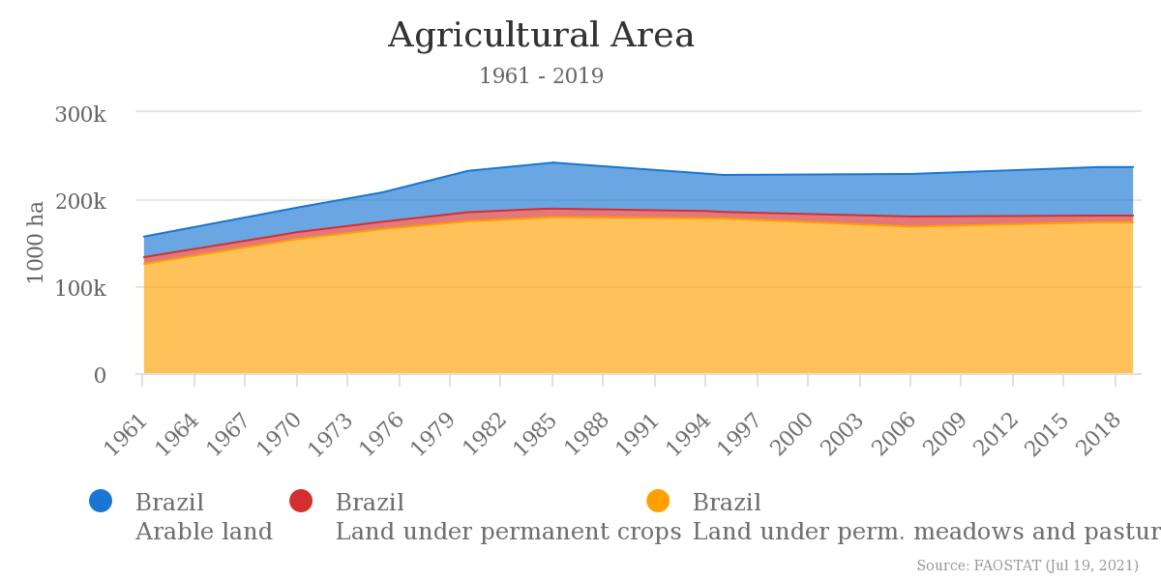
Brazil | SOURCE: Análise de conjuntura de biocombustíveis (EPE, 2019 e 2020)

Ethanol x sugar production |  | ART for sugar (%) | ART for ethanol (%) | harvested area (mil ha) | SC to ethanol (mil ha) |  | Biodiesel from soybean | Harvested area (ha) | Total production (tonnes) | Processed soybean (tonnes) | Yield (tons/ha) | Soybean meal (tonnes) | Soybean oil (tonnes) | Oil for B100 (tonnes) | Land use for B100 (mil ha)

 | 2018 | 36 | 64 | 8,600 | 5,504 |  | 2018 | 34,777,936.00 | 123,100,000.00 | 43,600,000 | 3.4 | 33,200,000 | 8,800,000 | 3,400,000 | 4,955
 | 2019 | 35 | 65 | 8,400 | 5,460 |  | 2019 | 35,881,447.00 | 120,800,000.00 | 43,500,000 | 3.2 | 33,500,000 | 8,800,000 | 3,700,000 | 5,716
 | 2020 | 46 | 54 | 8,600 | 4,644 |  | 2020 | ?? | 128,000,000.00 | 46,800,000 | 3.5 | 36,000,000 | 9,600,000 | 4,200,000 | 5,850

Argentina | SOURCE: Informe biocombustibles (Junio 2021)

Corn for alcohol |  | Bioetanol (tonnes) | other uses (tonnes) | TOTAL |  | Ethanol from sugarcane | ground cane (tonnes) | Sugar production (tonnes) | Sugar to ethanol (tonnes) | Share of SC to ethanol (%) |  | Biodiesel from soybean | Harvested area (ha) | Production (tonnes) | Processed soybean (tonnes) | Yield (ton/ha) | Soybean oil (tonnes) | Oil for B100 (tonnes) | Land use for B100 (mil ha)
 | 2018 | 1,519,553.00 | 239,033.00 | 1,758,586.00 |  | 2018 | 15,834,549.00 | 1,069,164.00 | 293,658.27 | 22 |  | 2018 | 16,318,060 | 37,787,927 | 36,745,019 | 2.3 | 7,245,610 | 2,516,036 | 5,510
 | 2019 | 1,463,281.00 | 288,294.00 | 1,751,575.00 |  | 2019 | 15,414,552.00 | 1,110,252.00 | 276,485.19 | 20 |  | 2019 | 16,575,887 | 55,263,891 | 41,243,740 | 3.3 | 8,081,156 | 2,222,798 | 3,403
 | 2020 | 1,105,272.00 | 415,964.00 | 1,521,236.00 |  | 2020 | 15,729,575.00 | 1,187,010.00 | 219,674.59 | 16 |  | 2020 | 16,664,162 | 48,778,260 | 36,063,067 | 2.9 | 7,154,248 | 1,198,048 | 2,063
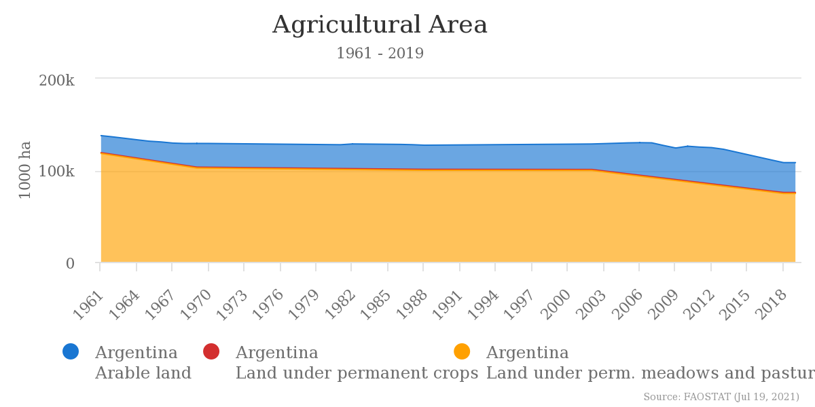
magyp source | Season | Harvested area (ha) | Productuion (tonnes) | Yield (ton/ha) |  | Harvested area (ha) | Sugarcane total | SC to ethanol (mil ha)
 | 2018 | 7,232,761 | 56,860,703.90 | 7.86 |  | 2018 | 457,884 | 101
 | 2019 | 7,730,506 | 58,395,811.00 | 7.55 |  | 2019 | 476,176 | 95
 | 2020 | ?? | 58,395,811.00 |  |  | 2020 | ?? | ??

 | Share of corn used for ethanol (%) |  | Equivalent in harvested area (mil ha)

 | 2018 | 2.67 | 193
 | 2019 | 2.51 | 194
 | 2020 | 1.89

Colômbia | SC for Ethanol | Area harvested (ha) | Ground cane (tonnes) | Sugar production (tonnes) | Ethanol prodcution (tonnes) | Land use for ethanol (mil ha) |  | B100 from palm oil | Area harvested (mil ha) | Processed Palm fruit (tonnes) | Palm oil (tonnes) | Palm oil Yeild (tonnes/ha) | Palm oil for B100 (tonnes) | Land use for B100 (mil ha)
 | 2018 | 208,174 | 25,036,168 | 2,335,419 | 369,091 | 155.3 |  | 2018 | 487,214 | 7,271,096 | 1,581,584 | 3.51 | 321,731 | 99
 | 2019 | 201,500 | 23,332,210 | 2,203,982 | 350,864 | 157 |  | 2019 | 504,117 | 6,893,482 | 1,506,519 | 3.23 | 324,880 | 109
 | 2020 | 196,907 | 23,558,560 | 2,217,105 | 311,806 | 138.5 |  | 2020 |  | 7,172,819 | 1,559,447 | 3.3 | 322,642 | -
 |  |  |  |  | 443,570,000.000
 | Information: | 100 tonnes of cane produces 9.3 tonnes of sugar and 2 tonnes of ethanol |  |  | 2,201.34

Guatemala | SC for ethanol | Area harvested (ha) | Ground cane (tonnes) | Sugar production (tonnes) | Crushed cane for EtOH (tonnes) | Ethanol production* (L) | SC yield (ton/ha) | Land use for ethanol (mil ha)
 | 2018 | 263,080 | 27,460,750 | 2,966,221 | - | - | 104.5
 | 2019 | 258,025 | 26,099,479 | 2,763,871 | 18,072,000 | 269,000,000 | 101.2 | 178,577.08
 | 2020

 |  |  |  |  |  |  | 0.69209214262

Information: | According to Cutz et al. (2020) the mean molasses yield in Guatemala is 26 L/tc and the ethanol yield is 8.7 L/tc

