graphs
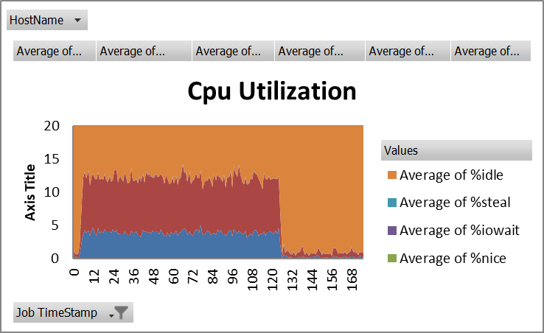
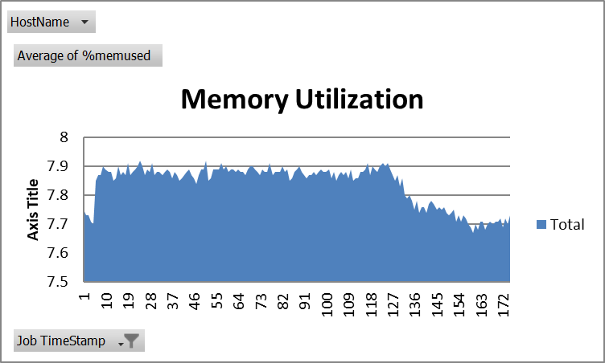
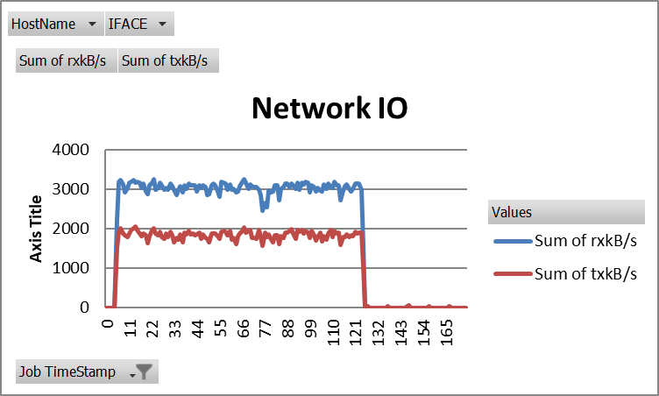
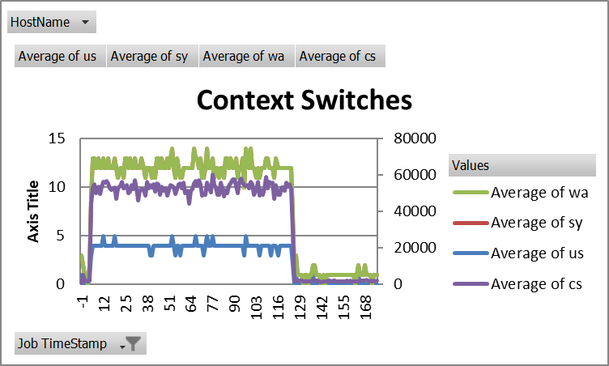
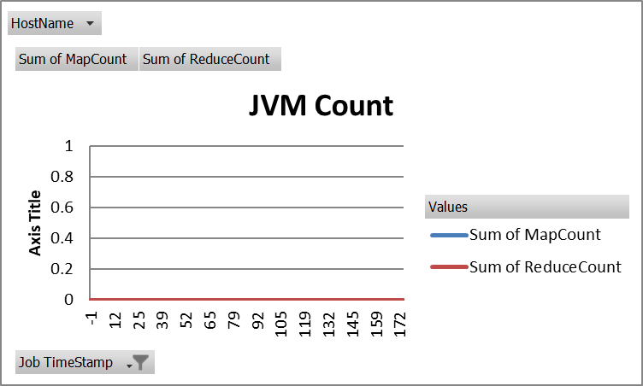
CPU | Memory | Network IO | Context Switches | JVM | DiskIO
HELPERD_PORT=8006, MINECRAFT
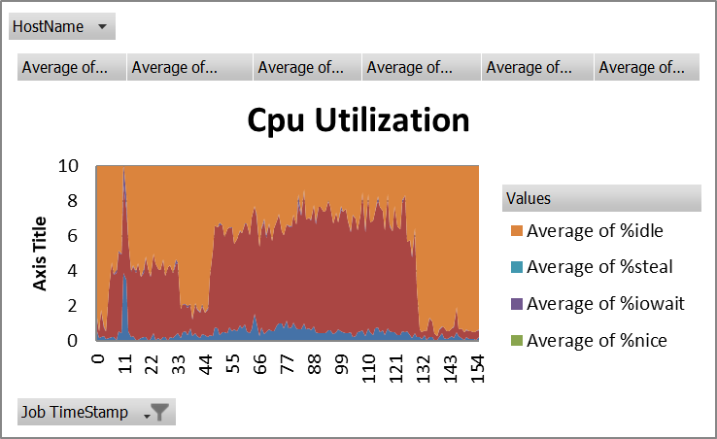
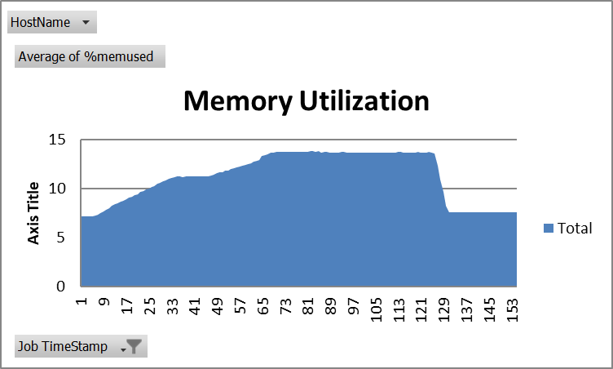
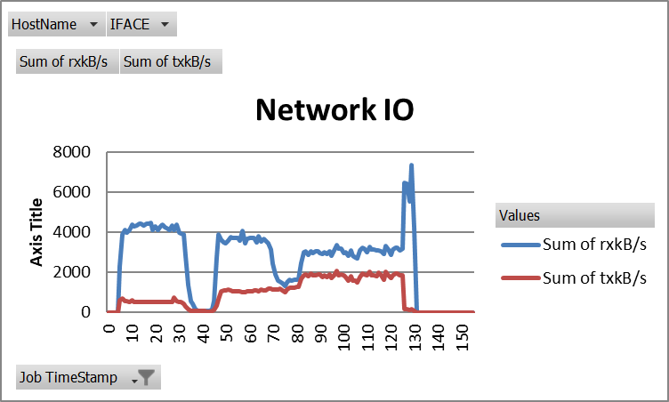


MGMTD_PORT=8008,MINECRAFT
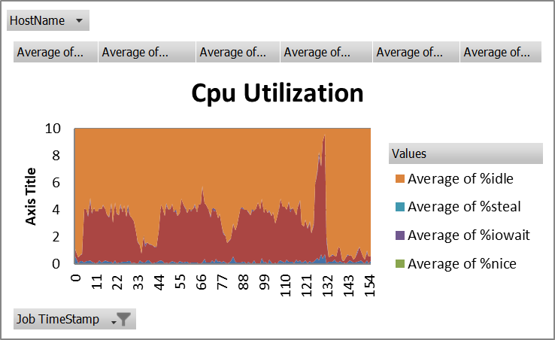
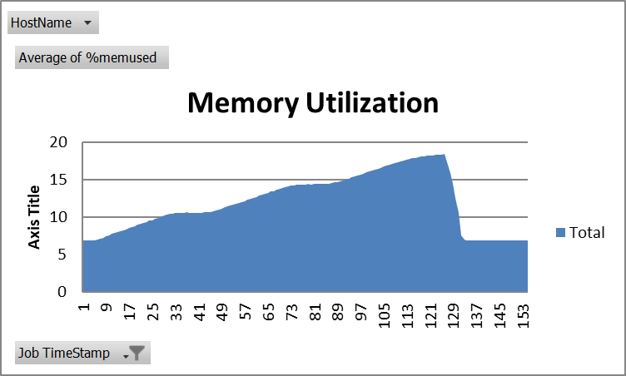
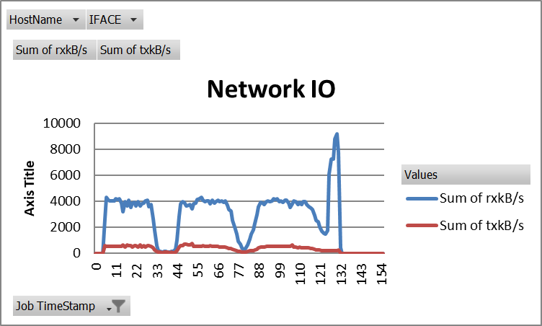
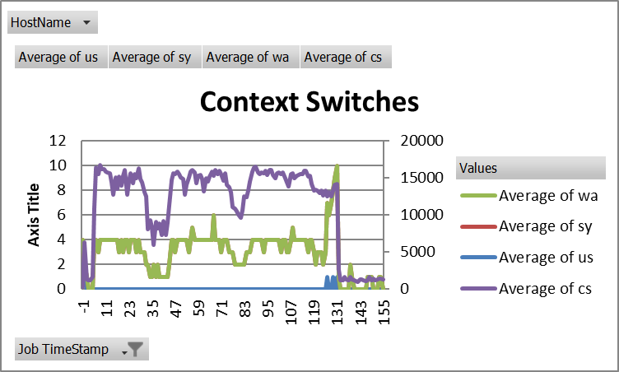
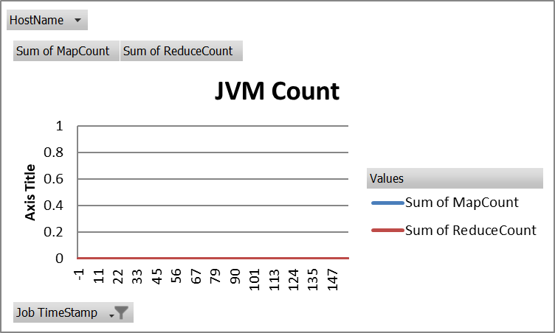

MONGOS_PORT=27017,MINECRAFT

CPU
 | Average of %system
 | MINECRAFT
 | s=64 |  |  | s=320 |  |  | s=640 |  |  | Average CPU System % with MINECRAFT Attacks
 | HELPERD_PORT=8006 | MGMTD_PORT=8008 | MONGOS_PORT=27017 | HELPERD_PORT=8006 | MGMTD_PORT=8008 | MONGOS_PORT=27017 | HELPERD_PORT=8006 | MGMTD_PORT=8008 | MONGOS_PORT=27017 | threads | helperd | mgmtd | mongos
 | 2.529411765 | 2.4088235294 | 5.525294118 | 2.788823529 | 3.992941176 | 5.945294118 | 3.992941176 | 4.315882353 | 5.283529412 | 64 | 2.01 | 2.77 | 6.88
 | 3.437647059 | 3.6188235294 | 7.279411765 | 4.268235294 | 3.742941176 | 8.485294118 | 5.539411765 | 4.45 | 7.844117647 | 320 | 4.06 | 3.30 | 8.19
 | 3.147058824 | 2.6876470588 | 5.168235294 | 3.553529412 | 3.247058824 | 8.791764706 | 6.1 | 3.542352941 | 7.931764706 | 640 | 5.59 | 3.86 | 9.15
Average CPU % vs. Intrease Attack Threads
 | 2.814117647 | 3.1629411765 | 7.924705882 | 3.835294118 | 4.394117647 | 8.126470588 | 5.727058824 | 4.153529412 | 8.337647059
 | 1.261764706 | 1.6264705882 | 7.368823529 | 4.511176471 | 3.553529412 | 9.084705882 | 5.701176471 | 3.268235294 | 8.316470588
 | 1.745882353 | 1.8252941176 | 7.082941176 | 4.495882353 | 4.05 | 7.548235294 | 5.532352941 | 4.137647059 | 7.822941176
 | 1.198823529 | 2.8376470588 | 7.240588235 | 4.998823529 | 3.82 | 8.055294118 | 5.435882353 | 3.895294118 | 8.455294118
 | 1.885882353 | 3.5235294118 | 6.274705882 | 4.078235294 | 3.771764706 | 8.06 | 5.593529412 | 3.147058824 | 8.276470588
 | 1.275294118 | 2.9235294118 | 6.607058824 | 5.228823529 | 3.729411765 | 8.245882353 | 5.607058824 | 3.348823529 | 8.591764706
 | 2.494705882 | 3.2394117647 | 7.277058824 | 3.704705882 | 3.948235294 | 8.518235294 | 5.412941176 | 3.163529412 | 9.204705882
 | 1.807647059 | 2.0723529412 | 7.367647059 | 3.955882353 | 4.142941176 | 8.526470588 | 4.851764706 | 3.671764706 | 8.639411765
 | 1.563529412 | 2.9811764706 | 6.836470588 | 3.851764706 | 3.773529412 | 8.168235294 | 6.605294118 | 4.36 | 9.231176471
 | 2.054117647 | 2.7552941176 | 7.277058824 | 4.393529412 | 3.407058824 | 8.070588235 | 5.710588235 | 4.200588235 | 7.798823529
 | 1.506470588 | 3.1917647059 | 7.591764706 | 3.513529412 | 3.244705882 | 7.977647059 | 5.742941176 | 4.19 | 8.622941176
 | 1.518235294 | 2.8329411765 | 7.044705882 | 3.635294118 | 4.238235294 | 8.315882353 | 6.665882353 | 3.751764706 | 8.615294118
 | 1.573529412 | 2.6729411765 | 6.553529412 | 4.549411765 | 2.991176471 | 7.72 | 5.828235294 | 3.803529412 | 9.280588235
 | 2.128235294 | 2.5652941176 | 6.634117647 | 4.018235294 | 4.26 | 7.445294118 | 6.027058824 | 4.474117647 | 8.630588235
 | 1.956470588 | 2.7611764706 | 7.904117647 | 3.535294118 | 3.659411765 | 8.204705882 | 5.253529412 | 3.915294118 | 8.421176471
 | 1.572941176 | 2.3958823529 | 6.695882353 | 4.551764706 | 3.518823529 | 7.724117647 | 5.475882353 | 4.136470588 | 9.437058824
Average CPU System % with MINECRAFT Attacks
 | 2.139411765 | 2.7182352941 | 6.808235294 | 4.398823529 | 4.144705882 | 7.380588235 | 5.623529412 | 4.065882353 | 8.854117647
 | 2.695882353 | 2.5305882353 | 6.985882353 | 3.939411765 | 3.672352941 | 9.192941176 | 5.015294118 | 3.615294118 | 10.90117647
 | 2.683529412 | 2.0323529412 | 7.168235294 | 3.990588235 | 4.167647059 | 9.147058824 | 6.872352941 | 4.519411765 | 9.63
 | 2.685882353 | 2.6388235294 | 6.992352941 | 4.364117647 | 3.297058824 | 7.868823529 | 6.233529412 | 3.731764706 | 9.898823529
 | 2.620588235 | 2.0294117647 | 6.66 | 3.499411765 | 3.826470588 | 8.557058824 | 5.754117647 | 3.627647059 | 9.655294118
 | 2.399411765 | 2.5164705882 | 6.699411765 | 4.246470588 | 3.304117647 | 8.490588235 | 5.895294118 | 3.582941176 | 10.52235294
 | 2.132941176 | 2.6023529412 | 7.173529412 | 4.084117647 | 3.368823529 | 7.813529412 | 4.583529412 | 3.355294118 | 9.277647059
 | 2.368823529 | 3.0364705882 | 6.574705882 | 3.707647059 | 3.040588235 | 8.886470588 | 5.481176471 | 3.320588235 | 8.958235294
 | 2.105882353 | 3.1923529412 | 6.614117647 | 4.027058824 | 2.271176471 | 8.585882353 | 5.606470588 | 3.802941176 | 8.681764706
 | 1.820588235 | 2.5605882353 | 7.952941176 | 4.031176471 | 1.622352941 | 7.798823529 | 5.736470588 | 4.911176471 | 8.906470588
 | 1.320588235 | 2.0194117647 | 7.744705882 | 1.634117647 | 1.068235294 | 8.006470588 | 5.401176471 | 4.507058824 | 9.251764706
 | 1.634117647 | 3.0535294118 | 7.636470588 | 1.617058824 | 0.631764706 | 9.544705882 | 5.128823529 | 3.864705882 | 9.864705882
 | 1.935294118 | 2.9917647059 | 8.095294118 | 1.502941176 | 1.989411765 | 7.952941176 | 5.902352941 | 4.420588235 | 10.32411765
 | 2.008235294 | 3.2564705882 | 7.819411765 | 1.501176471 | 1.191176471 | 7.702352941 | 6.149411765 | 3.395294118 | 10.07705882
 | 1.821764706 | 2.7423529412 | 6.768823529 | 1.371764706 | 1.314117647 | 7.934705882 | 5.457058824 | 3.992352941 | 8.632352941
 | 1.512352941 | 2.5235294118 | 6.642352941 | 0.944705882 | 1.194117647 | 7.762941176 | 4.885294118 | 3.473529412 | 8.964117647
 | 1.618235294 | 2.9294117647 | 7.03 | 1.667058824 | 1.251764706 | 8.772941176 | 5.739411765 | 3.487647059 | 9.970588235
 | 2.001176471 | 2.9364705882 | 7.320588235 | 1.472941176 | 1.358823529 | 8.261764706 | 5.022352941 | 3.811764706 | 10.13
 | 1.938235294 | 2.1464705882 | 6.904705882 | 1.434117647 | 1.127058824 | 8.389411765 | 5.602941176 | 3.640588235 | 9.704705882
 | 1.33 | 2.8923529412 | 7.282352941 | 1.629411765 | 1.182941176 | 7.428823529 | 5.807058824 | 3.384705882 | 9.386470588
 | 1.641176471 | 2.1535294118 | 6.808235294 | 1.247058824 | 2.184705882 | 8.886470588 | 5.738235294 | 5.125294118 | 9.416470588
 | 2.18 | 2.9829411765 | 7.115294118 | 1.567647059 | 4.091764706 | 8.723529412 | 5.684117647 | 4.188823529 | 8.899411765
 | 2.012352941 | 2.4417647059 | 6.177058824 | 3.34 | 3.913529412 | 8.277058824 | 5.193529412 | 5.551764706 | 9.324117647
 | 2.127058824 | 2.5270588235 | 7.247058824 | 4.85 | 3.507647059 | 8.590588235 | 5.254705882 | 3.482352941 | 9.197647059
 | 2.337647059 | 2.5411764706 | 8.081176471 | 5.807647059 | 4.232352941 | 7.964117647 | 5.948823529 | 3.570588235 | 9.402352941
 | 2.445882353 | 3.0988235294 | 7.063529412 | 5.782941176 | 3.972352941 | 7.962352941 | 5.331176471 | 3.075882353 | 9.929411765
 | 2.147647059 | 2.6276470588 | 7.42 | 6.258235294 | 3.897058824 | 8.624705882 | 5.321176471 | 4.084705882 | 10.09294118
 | 1.850588235 | 2.7694117647 | 6.452941176 | 6.094705882 | 4.187647059 | 8.258823529 | 5.787058824 | 2.988235294 | 9.24
 | 1.901176471 | 3.1935294118 | 6.328823529 | 5.448235294 | 3.662941176 | 8.683529412 | 5.682352941 | 3.797058824 | 9.472352941
 | 1.950588235 | 3.3035294118 | 6.832941176 | 5.944705882 | 3.718823529 | 8.333529412 | 5.887058824 | 4.660588235 | 9.072352941
 | 1.591764706 | 2.88 | 6.541176471 | 5.688235294 | 3.487058824 | 8.414705882 | 5.619411765 | 4.946470588 | 9.327058824
 | 2.529411765 | 2.8441176471 | 7.547647059 | 5.895294118 | 3.548235294 | 7.780588235 | 5.798823529 | 4.224117647 | 9.218823529
 | 2.181176471 | 2.5211764706 | 6.278823529 | 4.897647059 | 4.651176471 | 9.402352941 | 5.795882353 | 3.982352941 | 9.611176471
 | 1.882352941 | 3.0170588235 | 6.700588235 | 5.267058824 | 4.258235294 | 8.087058824 | 5.774117647 | 3.959411765 | 8.750588235
 | 1.999411765 | 2.2294117647 | 7.397058824 | 5.404117647 | 3.833529412 | 7.933529412 | 6.115294118 | 3.687058824 | 8.991764706
 | 1.873529412 | 1.7441176471 | 6.781176471 | 5.422352941 | 3.606470588 | 7.411176471 | 5.012352941 | 3.471176471 | 9.811176471
 | 1.323529412 | 3.2305882353 | 5.738235294 | 5.752352941 | 4.081764706 | 8.376470588 | 5.585882353 | 3.258235294 | 9.854117647
 | 1.504117647 | 2.8823529412 | 6.33 | 6.168823529 | 3.792352941 | 7.520588235 | 5.631764706 | 3.360588235 | 9.051176471
 | 1.378823529 | 3.5423529412 | 7.718823529 | 5.617058824 | 3.984705882 | 8.190588235 | 5.395882353 | 3.375882353 | 10.20764706
 | 1.824117647 | 2.8394117647 | 6.038235294 | 6.378235294 | 4.166470588 | 7.572941176 | 5.398235294 | 3.179411765 | 10.10058824
 | 1.815882353 | 2.4552941176 | 6.008235294 | 6.165294118 | 3.734705882 | 8.121176471 | 5.408235294 | 3.178823529 | 9.968823529
 | 4.030588235 | 5.44 | 2.326470588 | 6.084117647 | 4.329411765 | 8.158823529 | 4.978823529 | 3.986470588 | 8.794117647
average | 2.01268081 | 2.7655351977 | 6.8764223722 | 4.0592478303 | 3.3008775313 | 8.1929122468 | 5.5908871746 | 3.8618418515 | 9.1486499519

Memory
 | MINECRAFT
 | s=64 |  |  | s=320 |  |  | s=640 |  |  | Average Mem % with MINECRAFT Attacks
 | HELPERD_PORT=8006 | MGMTD_PORT=8008 | MONGOS_PORT=27017 | HELPERD_PORT=8006 | MGMTD_PORT=8008 | MONGOS_PORT=27017 | HELPERD_PORT=8006 | MGMTD_PORT=8008 | MONGOS_PORT=27017 | threads | helperd | mgmtd | mongos
 | 8.19 | 8.18 | 8.93 | 7.2 | 6.92 | 7.7 | 8.86 | 8.89 | 8.66 | 64 | 9.29 | 10.15 | 9.10
 | 8.3 | 8.29 | 9.04 | 7.24 | 6.99 | 7.85 | 8.9 | 8.9 | 8.86 | 320 | 10.56 | 10.21 | 7.88
 | 8.42 | 8.5 | 9.09 | 7.35 | 7.16 | 7.87 | 9.04 | 9.01 | 8.9 | 640 | 12.00 | 12.67 | 8.89
Average Mem % vs. Intrease Attack Threads
 | 8.63 | 8.62 | 9.1 | 7.53 | 7.3 | 7.87 | 9.15 | 9.15 | 8.91
 | 8.74 | 8.69 | 9.09 | 7.67 | 7.46 | 7.9 | 9.3 | 9.3 | 8.92
 | 8.77 | 8.69 | 9.12 | 7.83 | 7.59 | 7.89 | 9.41 | 9.43 | 8.93
 | 8.75 | 8.73 | 9.12 | 7.98 | 7.76 | 7.88 | 9.47 | 9.55 | 8.9
 | 8.76 | 8.78 | 9.12 | 8.28 | 7.9 | 7.88 | 9.6 | 9.68 | 8.92
 | 8.8 | 8.91 | 9.11 | 8.41 | 8.01 | 7.85 | 9.68 | 9.83 | 8.89
 | 8.82 | 9.03 | 9.13 | 8.53 | 8.15 | 7.86 | 9.79 | 9.96 | 8.92
 | 8.84 | 9.14 | 9.1 | 8.69 | 8.25 | 7.9 | 9.89 | 10.08 | 8.92
 | 8.81 | 9.15 | 9.12 | 8.79 | 8.4 | 7.87 | 10.01 | 10.19 | 8.92
 | 8.85 | 9.12 | 9.1 | 8.96 | 8.55 | 7.88 | 10.13 | 10.32 | 8.89
 | 8.82 | 9.25 | 9.11 | 9.1 | 8.71 | 7.87 | 10.22 | 10.46 | 8.87
 | 8.84 | 9.36 | 9.1 | 9.21 | 8.81 | 7.91 | 10.35 | 10.6 | 8.89
 | 8.83 | 9.49 | 9.12 | 9.38 | 8.98 | 7.87 | 10.45 | 10.72 | 8.92
 | 8.85 | 9.59 | 9.13 | 9.46 | 9.1 | 7.88 | 10.54 | 10.88 | 8.89
 | 8.86 | 9.62 | 9.1 | 9.64 | 9.25 | 7.89 | 10.65 | 10.99 | 8.88
 | 8.85 | 9.65 | 9.1 | 9.76 | 9.38 | 7.9 | 10.73 | 11.14 | 8.91
Average Mem % with MINECRAFT Attacks
 | 8.92 | 9.68 | 9.09 | 9.92 | 9.53 | 7.92 | 10.86 | 11.25 | 8.92
 | 8.93 | 9.76 | 9.09 | 10.05 | 9.61 | 7.9 | 10.96 | 11.38 | 8.87
 | 9.03 | 9.84 | 9.1 | 10.2 | 9.78 | 7.87 | 11.06 | 11.51 | 8.91
 | 9.09 | 9.86 | 9.12 | 10.3 | 9.93 | 7.89 | 11.18 | 11.62 | 8.9
 | 9.17 | 9.92 | 9.13 | 10.48 | 10.07 | 7.88 | 11.25 | 11.73 | 8.89
 | 9.23 | 9.94 | 9.09 | 10.6 | 10.21 | 7.91 | 11.37 | 11.89 | 8.9
 | 9.25 | 9.96 | 9.13 | 10.75 | 10.3 | 7.87 | 11.47 | 12.02 | 8.9
 | 9.3 | 10.04 | 9.09 | 10.86 | 10.44 | 7.88 | 11.54 | 12.12 | 8.89
 | 9.33 | 10.11 | 9.13 | 10.99 | 10.51 | 7.88 | 11.69 | 12.26 | 8.9
 | 9.31 | 10.12 | 9.1 | 11.13 | 10.59 | 7.87 | 11.8 | 12.39 | 8.9
 | 9.35 | 10.18 | 9.12 | 11.17 | 10.58 | 7.88 | 11.88 | 12.51 | 8.91
 | 9.35 | 10.19 | 9.09 | 11.22 | 10.61 | 7.89 | 12 | 12.64 | 8.91
Average | 9.35 | 10.23 | 9.13 | 11.22 | 10.6 | 7.88 | 12.07 | 12.78 | 8.91
 | 9.42 | 10.28 | 9.09 | 11.2 | 10.63 | 7.86 | 12.22 | 12.93 | 8.9
 | 9.41 | 10.33 | 9.1 | 11.25 | 10.62 | 7.88 | 12.34 | 13.07 | 8.88
 | 9.45 | 10.4 | 9.12 | 11.24 | 10.61 | 7.87 | 12.43 | 13.19 | 8.87
 | 9.45 | 10.44 | 9.12 | 11.26 | 10.6 | 7.85 | 12.52 | 13.32 | 8.88
 | 9.39 | 10.49 | 9.1 | 11.28 | 10.62 | 7.86 | 12.67 | 13.44 | 8.89
 | 9.44 | 10.55 | 9.1 | 11.26 | 10.61 | 7.87 | 12.72 | 13.57 | 8.89
 | 9.45 | 10.6 | 9.1 | 11.26 | 10.63 | 7.88 | 12.84 | 13.71 | 8.89
 | 9.47 | 10.63 | 9.1 | 11.26 | 10.64 | 7.89 | 12.94 | 13.84 | 8.89
 | 9.46 | 10.69 | 9.07 | 11.25 | 10.66 | 7.87 | 13.06 | 13.97 | 8.85
 | 9.51 | 10.71 | 9.11 | 11.29 | 10.76 | 7.86 | 13.15 | 14.11 | 8.86
 | 9.58 | 10.79 | 9.08 | 11.36 | 10.86 | 7.84 | 13.24 | 14.2 | 8.89
 | 9.56 | 10.84 | 9.08 | 11.45 | 11.03 | 7.87 | 13.37 | 14.34 | 8.89
 | 9.61 | 10.87 | 9.09 | 11.55 | 11.15 | 7.89 | 13.46 | 14.48 | 8.89
 | 9.65 | 10.93 | 9.1 | 11.64 | 11.31 | 7.89 | 13.57 | 14.6 | 8.86
 | 9.7 | 10.98 | 9.08 | 11.67 | 11.42 | 7.92 | 13.66 | 14.73 | 8.89
 | 9.76 | 11.03 | 9.14 | 11.8 | 11.53 | 7.85 | 13.77 | 14.87 | 8.9
 | 9.79 | 11.12 | 9.12 | 11.87 | 11.67 | 7.86 | 13.86 | 14.98 | 8.89
 | 9.85 | 11.16 | 9.09 | 11.99 | 11.79 | 7.89 | 13.99 | 15.18 | 8.9
 | 9.89 | 11.21 | 9.11 | 12.07 | 11.92 | 7.89 | 14.12 | 15.29 | 8.91
 | 9.9 | 11.26 | 9.1 | 12.15 | 12.03 | 7.89 | 14.23 | 15.42 | 8.91
 | 9.93 | 11.3 | 9.08 | 12.27 | 12.18 | 7.91 | 14.31 | 15.54 | 8.88
 | 9.96 | 11.33 | 9.08 | 12.32 | 12.32 | 7.89 | 14.42 | 15.66 | 8.88
 | 9.96 | 11.4 | 9.12 | 12.42 | 12.47 | 7.9 | 14.51 | 15.8 | 8.92
 | 9.99 | 11.48 | 9.12 | 12.54 | 12.6 | 7.88 | 14.61 | 15.94 | 8.88
 | 9.96 | 11.5 | 9.1 | 12.6 | 12.71 | 7.89 | 14.7 | 16.03 | 8.91
 | 9.99 | 11.53 | 9.13 | 12.72 | 12.86 | 7.89 | 14.81 | 16.18 | 8.88
 | 9.99 | 11.57 | 9.13 | 12.82 | 12.99 | 7.88 | 14.94 | 16.32 | 8.86
 | 10.02 | 11.59 | 9.12 | 12.91 | 13.13 | 7.89 | 15.03 | 16.45 | 8.88
 | 10.03 | 11.62 | 9.12 | 13.33 | 13.25 | 7.88 | 15.15 | 16.55 | 8.89
average | 9.2936065574 | 10.151639344 | 9.102295082 | 10.556229508 | 10.213606557 | 7.8775409836 | 11.999016393 | 12.670327869 | 8.8904918033

Network Rcv
 | MINECRAFT
 | s=64 |  |  | s=320 |  |  | s=640 |  |  | Average Mem % with MINECRAFT Attacks
 | HELPERD_PORT=8006 | MGMTD_PORT=8008 | MONGOS_PORT=27017 | HELPERD_PORT=8006 | MGMTD_PORT=8008 | MONGOS_PORT=27017 | HELPERD_PORT=8006 | MGMTD_PORT=8008 | MONGOS_PORT=27017 | threads | helperd | mgmtd | mongos
 | 2759.45 | 2448.79 | 1955.11 | 2294.68 | 2646.62 | 2247.37 | 2322.35 | 2265.6 | 1564.17 | 64 | 2.60 | 4.01 | 5.83
 | 3738.12 | 3440.78 | 2586.62 | 3881.58 | 4337.86 | 3187.58 | 3820.46 | 3349.6 | 2443.71 | 320 | 7.27 | 7.04 | 6.92
 | 3693.92 | 3033.51 | 2306.86 | 4140.19 | 4081.98 | 3229.43 | 3475.11 | 3033.89 | 2477.65 | 640 | 8.37 | 7.40 | 7.71
 | 2550.09 | 2037.57 | 2568.94 | 4003.65 | 4030.5 | 3133.87 | 3794.45 | 3036.89 | 2634.08
 | 298.86 | 412.1 | 2627.22 | 4111.89 | 4043.83 | 2921.46 | 3775.94 | 3095.6 | 2619.84
 | 297.49 | 629.54 | 2771.89 | 4366.66 | 4043.39 | 3027.81 | 3660.03 | 3104.04 | 2786.92
 | 407.29 | 2289.64 | 2636.17 | 4292.23 | 4193.97 | 3158.04 | 3784.17 | 2943.7 | 2933.46
Ave Network % Used Received vs. Intrease Attack Threads
 | 833.94 | 3016.33 | 2487.58 | 4351.31 | 4123.25 | 3190.03 | 3764 | 3075.62 | 3038.94
 | 853.03 | 3202.03 | 2498.45 | 4441.19 | 4186.89 | 3237.13 | 3751.48 | 2883.14 | 3034.07
 | 828.89 | 2459.08 | 2544.82 | 4434.39 | 3852.25 | 3172.32 | 3737.82 | 2684.96 | 3026.37
 | 319.98 | 656.35 | 2759.86 | 4352.6 | 3201.72 | 3192.39 | 3712.33 | 3187.72 | 3226.94
 | 304.78 | 856.85 | 2535.52 | 4413 | 3987.16 | 3179.76 | 3677.36 | 3192.3 | 3257.43
 | 307.43 | 2474.28 | 2712.69 | 4407.87 | 3654.85 | 3037.22 | 3544.65 | 3329.1 | 3233.87
 | 299.89 | 3014.27 | 2557.5 | 4479.66 | 4090.43 | 3153.75 | 3702.49 | 3097.98 | 3254.56
 | 304.66 | 2950.78 | 2709.94 | 4115.92 | 3541.71 | 2949.82 | 3771.04 | 3277.6 | 3258.71
 | 385.52 | 2430.48 | 2667.84 | 4282.29 | 3887.77 | 2888.29 | 3652.83 | 3062.24 | 3652.96
 | 735.58 | 1087.91 | 2588.65 | 4130.89 | 3905.58 | 3092.54 | 3786.4 | 3269.39 | 3668.61
 | 986.35 | 1124.51 | 2658.82 | 4246.81 | 3670.84 | 3172.2 | 3715.58 | 2910.86 | 3568.66
 | 999.97 | 1672.74 | 2556.8 | 4383.15 | 3969.68 | 3253.85 | 3765.43 | 3180.64 | 3604.85
 | 1308.96 | 2079.51 | 2605.78 | 4263.08 | 3668.96 | 2997.78 | 3699.86 | 3270.11 | 3500.68
 | 2051.9 | 2023.15 | 2611.8 | 4218.13 | 3820.84 | 3042.58 | 3632.97 | 3099.05 | 3774.63
 | 1996.77 | 1549.56 | 2634.32 | 4121.41 | 3876.13 | 3158.27 | 3698.2 | 3147.97 | 3734.76
 | 2049.32 | 1117.66 | 2626.65 | 4361.12 | 4029.15 | 3109.84 | 3883.96 | 3198.69 | 3720.23
 | 1622.24 | 925.39 | 2568.8 | 4107.67 | 4100.94 | 2991.9 | 3787.87 | 3343.55 | 3688.58
 | 1677.15 | 1213.98 | 2408.82 | 4385.91 | 3579.73 | 3039.25 | 3746.87 | 3109.03 | 3606.91
 | 1261.66 | 1678.91 | 2604.27 | 3995.08 | 3761.22 | 2990.87 | 3766.85 | 3065.44 | 3466.22
 | 940.87 | 1842.73 | 2705.53 | 3962.83 | 2654.95 | 3153.45 | 3672.65 | 3006.55 | 3662.01
 | 702.43 | 1626.94 | 2628.48 | 3903.69 | 1788.03 | 3082.11 | 3820.76 | 3079.18 | 3413.11
 | 590.78 | 1085.33 | 2539.98 | 2816.77 | 608.42 | 2980.41 | 3835.29 | 4191.28 | 3582.76
 | 667.49 | 905.68 | 2795.25 | 1372.07 | 201.95 | 2858.56 | 3676.74 | 4278.65 | 3445.16
 | 714.09 | 1088.63 | 2747.64 | 571.6 | 141.98 | 2985.33 | 3760.45 | 3939.12 | 3798.75
Average | 647.82 | 1644.89 | 2681.98 | 434.97 | 104.95 | 3088.78 | 3721.85 | 3201.71 | 3669.52
 | 606.39 | 2043.96 | 2730.73 | 180.46 | 135 | 2925.11 | 3786.14 | 3029.03 | 3759.73
 | 534.33 | 1926.22 | 2720.51 | 99.38 | 134.6 | 3097.74 | 3813.13 | 3168.77 | 3574.66
 | 619.43 | 1626.49 | 2588.65 | 93.96 | 123.85 | 3003.48 | 3777.81 | 2903.14 | 3548.62
 | 605.17 | 1470.06 | 2553.81 | 96.36 | 112.64 | 3141.24 | 3571.97 | 3274.41 | 3665.06
 | 697.66 | 1554.3 | 2580.96 | 94.39 | 160.51 | 3110.23 | 3776.8 | 3128.72 | 3775.48
 | 662.44 | 1417.82 | 2694.4 | 89.85 | 156.91 | 3098.12 | 3843.33 | 3291.36 | 3751.61
 | 568.27 | 1389.13 | 2496.5 | 91.7 | 298.18 | 3106.95 | 3790.06 | 3206 | 3687.17
 | 632.59 | 1311.58 | 2513.01 | 153.24 | 1015.99 | 2953.51 | 3645.5 | 4194.37 | 3692.08
 | 812.12 | 1263.26 | 2504.63 | 586.23 | 2882.38 | 3112.43 | 3670.39 | 4216.53 | 3490.58
 | 1039.31 | 1455.36 | 2609.14 | 2724.98 | 3822.5 | 3036.23 | 3778.97 | 4353.34 | 3530.58
 | 1246.96 | 1653.69 | 2832.77 | 3909.74 | 4004.33 | 3110.11 | 3698.04 | 3112.09 | 3411.86
 | 1402.02 | 1838.52 | 2563.95 | 3608.51 | 3900.06 | 3066.42 | 3741 | 3234.92 | 3362.63
 | 1548.49 | 1729.03 | 2648.57 | 3499.89 | 3644.01 | 2859.23 | 3532.34 | 2760.38 | 3603.48
 | 1858.56 | 1381.07 | 2634.51 | 3467.04 | 3704.63 | 2889.23 | 3614.17 | 3201.41 | 3666.82
 | 1515.61 | 1521.84 | 2577.8 | 3564.24 | 3781.18 | 3106.01 | 3758.11 | 3118.68 | 3658.14
 | 1396.26 | 1791.29 | 2526.97 | 3767.19 | 3405.41 | 3150.89 | 3795.54 | 3317.5 | 3433.14
 | 1189.62 | 1845.85 | 2640.2 | 3734.17 | 3817.66 | 3107.92 | 3696.51 | 4289.62 | 3527.03
 | 1022.61 | 1636.11 | 2801.35 | 3698.77 | 3884.34 | 2952.82 | 3703.99 | 4254.06 | 3313.35
 | 1017.57 | 1540.02 | 2731.4 | 3718.3 | 4156.74 | 2808.15 | 3572.3 | 3815.24 | 3546.88
 | 1080.96 | 1322.47 | 2513.54 | 3589.83 | 4208.21 | 3188.19 | 3728.17 | 3180.94 | 3624.09
 | 950.05 | 1485.99 | 2708.79 | 4052.95 | 4320.94 | 3173.32 | 3682.81 | 3085.87 | 3338.52
 | 882.2 | 1672.32 | 2699.15 | 3436.74 | 4080.05 | 3151.1 | 3722.86 | 3226.89 | 3416.82
 | 616.83 | 1832.94 | 2615.02 | 3682.13 | 3997.66 | 2983.6 | 3517.39 | 3131.03 | 3252.19
 | 500.52 | 1586.01 | 2239.96 | 3730.34 | 4039.27 | 3118.06 | 3543.76 | 2914.47 | 3594.66
 | 579.27 | 1308.54 | 2734.7 | 3702.76 | 4054.4 | 2999.56 | 3642.23 | 3303.38 | 3573.84
 | 603.21 | 1181.42 | 2725.13 | 3731.92 | 3835.02 | 3016.06 | 3776.9 | 3147.43 | 3643.91
 | 684.23 | 1169.36 | 2496.6 | 3503.98 | 4081.81 | 2920.38 | 3715.56 | 3095.85 | 3507.79
 | 620.97 | 1597.91 | 2379.13 | 3828.85 | 3846.85 | 2953.55 | 3644.62 | 3165.16 | 3376.1
 | 7396.24 | 6272.75 | 866.03 | 3541.21 | 3973.56 | 3079.84 | 3654.85 | 3063.58 | 3718.67
average | 2.6031229322 | 4.0089665812 | 5.8294669343 | 7.2719750195 | 7.0393747444 | 6.9188308985 | 8.3682201405 | 7.4010397383 | 7.7095502026

Network Trs
 | MINECRAFT
 | s=64 |  |  | s=320 |  |  | s=640 |  |  | Average Mem % with MINECRAFT Attacks
 | HELPERD_PORT=8006 | MGMTD_PORT=8008 | MONGOS_PORT=27017 | HELPERD_PORT=8006 | MGMTD_PORT=8008 | MONGOS_PORT=27017 | HELPERD_PORT=8006 | MGMTD_PORT=8008 | MONGOS_PORT=27017 | threads | helperd | mgmtd | mongos
 | 237.45 | 269.4 | 957.68 | 596.62 | 620.34 | 1520.82 | 984.13 | 950.07 | 1197.11 | 64 | 1.05 | 1.65 | 7.22
 | 237.9 | 285.14 | 1184.56 | 705.58 | 533.73 | 1937.21 | 1135.69 | 743.57 | 1430.07 | 320 | 3.61 | 2.79 | 4.18
 | 229.97 | 242.72 | 889.65 | 586.45 | 520.28 | 2007.11 | 1168.42 | 672.19 | 1508.51 | 640 | 6.86 | 4.14 | 14.43
 | 206.73 | 237.65 | 1298.34 | 557.67 | 522.15 | 1873.06 | 1155.65 | 694.18 | 1615.98
Ave Network % Used Transferred vs. Intrease Attack Threads
 | 116.4 | 182.72 | 1271.82 | 528.26 | 516.35 | 1840.97 | 1159.65 | 656.42 | 1710.08
 | 126.65 | 196.48 | 1357.57 | 604.99 | 523.18 | 1787.78 | 1146.69 | 697.09 | 1787.94
 | 125.34 | 319.26 | 1216.58 | 534.25 | 524.67 | 1880.85 | 1178.21 | 660.2 | 1915.08
 | 161.85 | 256.85 | 1078.03 | 528.32 | 516.76 | 1981.26 | 1150.07 | 641.67 | 2024.51
 | 170.54 | 272.38 | 1110.98 | 531.67 | 528.35 | 2020.22 | 1165.53 | 640.43 | 2030.2
 | 177.89 | 244.28 | 1153.05 | 529.8 | 569.84 | 2058.3 | 1167.4 | 561.73 | 2072.88
 | 123.62 | 201.8 | 1365.4 | 545.87 | 643.08 | 1975.88 | 1144.36 | 617.65 | 2238.21
 | 118.66 | 239.3 | 1121.13 | 525.62 | 504.42 | 1892.65 | 1169.84 | 664.01 | 2219.96
 | 121.3 | 323.01 | 1334.96 | 533.41 | 653.41 | 1804.57 | 1179.85 | 684.86 | 2134.14
 | 121.43 | 285.09 | 1181.08 | 537.09 | 572.58 | 1878.53 | 1085.28 | 674.83 | 2242.98
 | 123.3 | 290.38 | 1314.35 | 521.31 | 614.36 | 1839.93 | 1155.99 | 683.97 | 2355.56
 | 132.27 | 281.6 | 1274.97 | 526.32 | 506.98 | 1644.95 | 1148.52 | 678.04 | 2623.26
 | 191.08 | 340.46 | 1232.92 | 518.46 | 585.46 | 1825.73 | 1170.46 | 694.34 | 2642.82
 | 195.87 | 271.36 | 1296.9 | 523.89 | 619.81 | 1971.31 | 1121.83 | 650.64 | 2515.17
 | 186.83 | 277.5 | 1176.85 | 535.51 | 475.05 | 2014.81 | 1175.71 | 689.75 | 2589.38
 | 223.34 | 277.86 | 1234.48 | 528.23 | 673.27 | 1878.09 | 1139.54 | 684.3 | 2580.21
 | 231.59 | 287.53 | 1240.56 | 518.45 | 469.04 | 1826.84 | 1125.77 | 665.28 | 2855.66
 | 208.74 | 267.76 | 1203.53 | 514.98 | 578.74 | 1922.74 | 1233.47 | 662.06 | 2707.14
 | 213.59 | 260.08 | 1246.33 | 527.29 | 513.3 | 1802.9 | 1171.66 | 693.63 | 2701.19
 | 215.34 | 268.87 | 1240.61 | 725.98 | 576.38 | 1746.93 | 1189.96 | 700.94 | 2703.41
 | 227.29 | 292.76 | 1059.95 | 571.95 | 591.35 | 1879.17 | 1160.47 | 673.62 | 2687.82
 | 195.37 | 299.2 | 1240.79 | 515.42 | 522.64 | 1797.2 | 1136.49 | 687.24 | 2489.38
 | 182.34 | 300.29 | 1349.84 | 538.41 | 454.53 | 1934.59 | 1182.07 | 666.93 | 2666.21
 | 165.2 | 274.83 | 1264.41 | 432.28 | 242.53 | 1829.29 | 1217.67 | 649.59 | 2357.44
 | 160.76 | 256.92 | 1183.16 | 300.48 | 133.43 | 1666.32 | 1168.32 | 802.22 | 2604.22
 | 154.71 | 256.76 | 1428.77 | 170.8 | 92.88 | 1761.74 | 1149.22 | 811.92 | 2514.25
 | 160.94 | 258.12 | 1389.58 | 98.03 | 83.38 | 1733.66 | 1096.91 | 761.44 | 2759.89
Average | 163.33 | 292.09 | 1311.76 | 91.46 | 56.42 | 1850.26 | 1123.92 | 669.61 | 2677.09
 | 163.21 | 333.42 | 1307.03 | 73.09 | 80.46 | 1649.12 | 1040.21 | 668.55 | 2763.85
 | 182.6 | 293.92 | 1324.21 | 62.78 | 75.28 | 1893.69 | 1198.75 | 688.17 | 2605.37
 | 160.58 | 280.47 | 1161.97 | 59.16 | 77.79 | 1848.93 | 1157.38 | 631.11 | 2613.02
 | 153.41 | 295.13 | 1133.92 | 62.06 | 68.91 | 1952.42 | 1162.38 | 697.07 | 2650.76
 | 178.87 | 288.6 | 1169.54 | 60.71 | 83.35 | 1856.31 | 1118.51 | 702.08 | 2790.95
 | 150.12 | 260.02 | 1302.64 | 55.88 | 65.61 | 1880.07 | 1233.76 | 648.54 | 2730.3
 | 162.24 | 276.54 | 1126.04 | 51.44 | 103.33 | 1838.76 | 1133.78 | 653.91 | 2701.12
 | 150.07 | 279.51 | 1124.31 | 64.17 | 206.13 | 1856.71 | 1154.16 | 819.43 | 2792.24
 | 180.55 | 260.62 | 1107.32 | 122.81 | 477.11 | 1906.15 | 1132.07 | 806.63 | 2439.93
 | 196.81 | 269.09 | 1202.1 | 339.67 | 580.69 | 1748.61 | 1169.59 | 819.97 | 2486.36
 | 196.89 | 278.12 | 1467.25 | 644.34 | 591.55 | 1860.81 | 1157.4 | 640.03 | 2404.51
 | 197.58 | 289.93 | 1181.24 | 1048.33 | 687.62 | 1776.29 | 1174.02 | 648.22 | 2359.01
 | 207.59 | 280.93 | 1254.11 | 1114.98 | 708.54 | 1759.27 | 1132.91 | 619.2 | 2676.14
 | 229.48 | 280.72 | 1286.93 | 1118.32 | 627.48 | 1661.73 | 1139.56 | 679.34 | 2657.11
 | 207.51 | 284.65 | 1213.14 | 1133.82 | 647.2 | 1881.2 | 1138.07 | 642.64 | 2629.93
 | 202.34 | 285.96 | 1144.26 | 1081.07 | 745.08 | 1879.97 | 1127.03 | 686.46 | 2399.92
 | 174.56 | 283.37 | 1237.96 | 1050.88 | 521.46 | 1887.31 | 1161.46 | 828.9 | 2517.64
 | 183.05 | 285.98 | 1425.75 | 1059.03 | 524.54 | 1815.28 | 1129.8 | 804.57 | 2395.45
 | 192.5 | 309.84 | 1365.7 | 1043.4 | 532.45 | 1740.48 | 1135.41 | 762.46 | 2581.75
 | 181.06 | 294.65 | 1128.64 | 1070.18 | 535.09 | 1915.67 | 1107.38 | 727.93 | 2581.69
 | 186.21 | 292.07 | 1286.3 | 1009.51 | 544.47 | 1938.69 | 1164.92 | 692 | 2288.64
 | 166.04 | 285.38 | 1326.26 | 997.83 | 617.38 | 1921.8 | 1158.4 | 685.86 | 2417.46
 | 153.53 | 286.38 | 1217.49 | 1035.03 | 528.96 | 1842.09 | 1143.09 | 663.34 | 2321.26
 | 159.67 | 257.19 | 882.16 | 1037.93 | 528.1 | 1940.57 | 1127.41 | 671.61 | 2607.1
 | 163.53 | 291.28 | 1353.53 | 1063.41 | 536.76 | 1723.22 | 1142.4 | 671.18 | 2524.78
 | 162.04 | 306.05 | 1333.62 | 1108.04 | 622.19 | 1768.21 | 1152.4 | 682.9 | 2644.63
 | 166.81 | 282.05 | 1085.71 | 1105.25 | 532.59 | 1610.21 | 1163.04 | 670.76 | 2556.49
 | 149.75 | 328.36 | 944.77 | 1045.02 | 565.66 | 1820.45 | 1136.25 | 669.19 | 2441.19
 | 150.37 | 219.56 | 462.62 | 1124.61 | 520.01 | 1876.79 | 1117.39 | 683.2 | 2737.11
average | 1.0488465867 | 1.6511123073 | 7.219682897 | 3.6063224859 | 2.7868343528 | 4.1796394186 | 6.8576148764 | 4.1448172253 | 14.433419134

