Sheet1
password | p7wRtscSkaOTPJPu

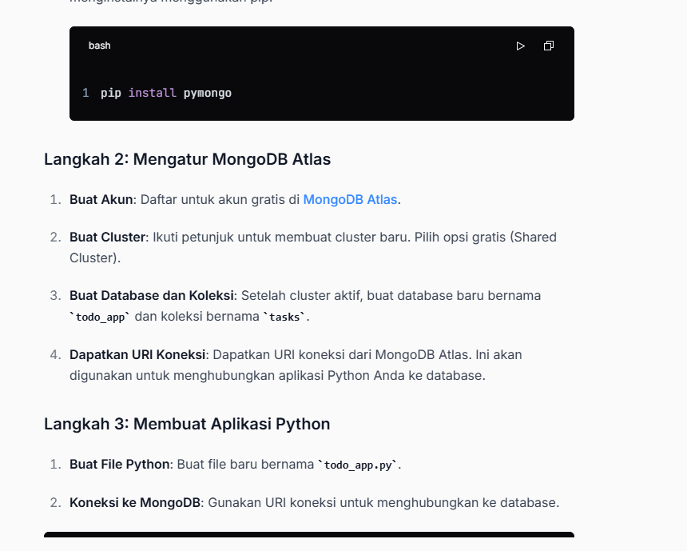
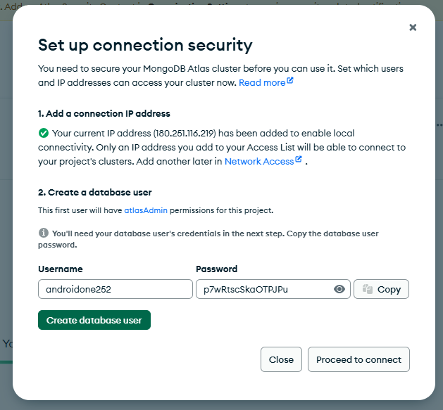

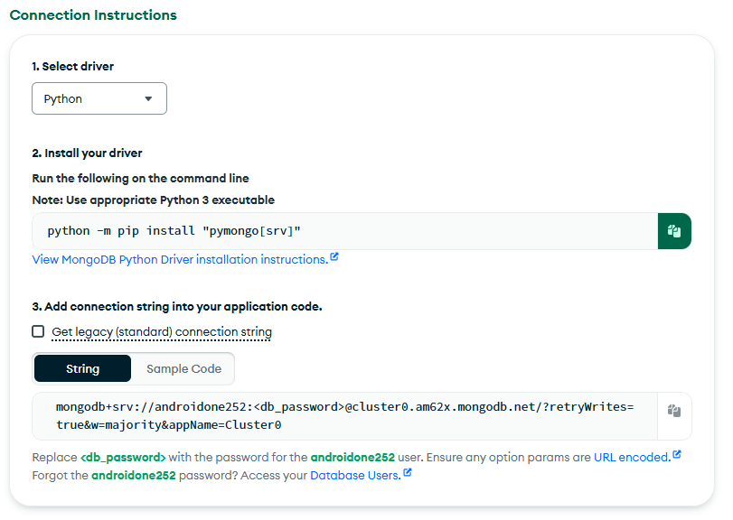

 | mongodb+srv://androidone252:<db_password>@cluster0.am62x.mongodb.net/?retryWrites=true&w=majority&appName=Cluster0

