EXAMPLE
 |  |  |  |  |  |  |  |  |  | C
STORE CODE : |  |  |  | F003 STORE DAMAGE FILE |  |  |  |  | DIBUAT |  | MENGETAHUI |  | MENYETUJUI
STORE NAME :
DATE SEND DM FILE:

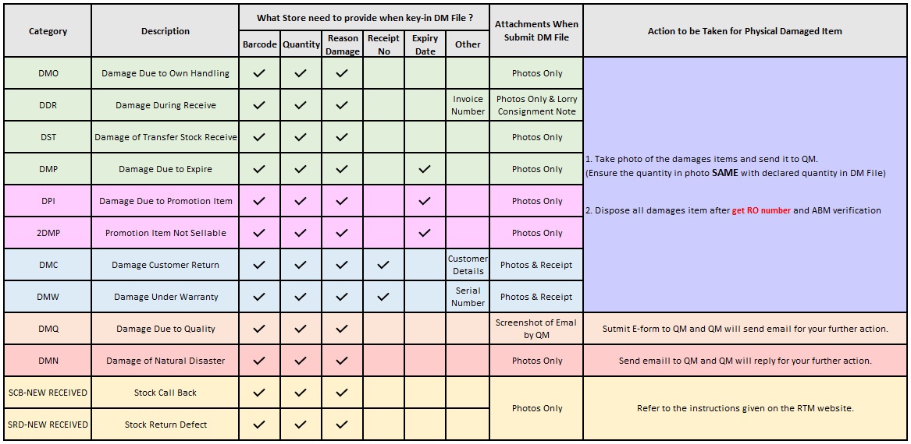
 |  |  |  |  |  | DDR / DMC / DMW / DME | DMC & DMW DETAILS | DMP / DPI / 2DMP DETAILS | DMW DETAILS | DMC & DMW USE - CUSTOMER DETAILS |  |  |  | FOR QM USE
NO. | BARCODE | DAMAGE QUANTITY | CATEGORY (DMO/DDR/DMC/DMP /DPI/2DMP/DMW/DMQ/DMN/SCB/DME) | REASON DAMAGE | OTHER REASON (FILL IN IF REASON YOU CHOOSE "OTHER" | DDR = Invoice No DMC = CTM New Receipt No. DMW = CTM New Receipt No. DME = RMA# NUMBER | NEW RECEIPT DATE (DD/MM/YYYY) | EXPIRY DATE (DD/MM/YYYY) | Please key-in SERIAL NUMBER | OLD RECEIPT DATE | OLD RECEIPT NUMBER | CUSTOMER NAME | CUSTOMER PHONE NUMBER | FEEDBACK FROM CUSTOMER
1 | 8975430 | 1 | DDR | OTHERS
2 | 9077678 | 1 | DMP | EXPIRED |  |  |  | 2023-11-23
3 | 3106006 | 1 | 2DMP | EXPIRED |  |  |  | 2023-11-23
4 | 3106133 | 9 | DPI | H-35 EXPIRED |  |  |  | 2023-11-23
5 | 3105960 | 1 | DMC | TIDAK BERFUNGSI |  | 28919 | 2023-11-23 |  |  |  |  | RINA.H | 081227744200 | MATI
6 | 9023101 | 1 | DMW | TIDAK BERFUNGSI |  | 195063 | 2022-08-07 |  |  |  |  | ISMI ANJAR FARIDA | 085225177286
7 | 3103766 | 1 | DMO | PATAH
8 | 9069649 | 1 | DMN | PECAH
EXAMPLE
9
10
11
12
13
14
15
16
17
18
19
20
21
22
23
24
25
26
27
28
29
30
31
32
33
34
35
36
37
38
39
40
41
42
43
44
45
46
47
48
49
50

BEFORE
No | BARCODE | QTY | REASON DAMAGE | BEFORE | AFTER
1 | 0 | 0 | 0 |  |  | EXP PHOTOS : | 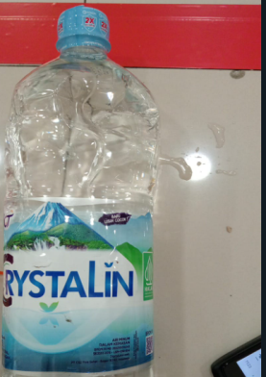 | 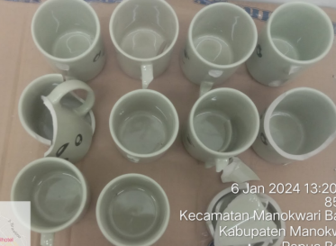
2 | 0 | 0 | 0
3 | 0 | 0 | 0
4 | 0 | 0 | 0
5 | 0 | 0 | 0
6 | 0 | 0 | 0
7 | 0 | 0 | 0
8 | 0 | 0 | 0
9 | 0 | 0 | 0
10 | 0 | 0 | 0
11 | 0 | 0 | 0
12 | 0 | 0 | 0
13 | 0 | 0 | 0
14 | 0 | 0 | 0
15 | 0 | 0 | 0
16 | 0 | 0 | 0
17 | 0 | 0 | 0
18 | 0 | 0 | 0
19 | 0 | 0 | 0
20 | 0 | 0 | 0
21 | 0 | 0 | 0
22 | 0 | 0 | 0
23 | 0 | 0 | 0
24 | 0 | 0 | 0
25 | 0 | 0 | 0
26 | 0 | 0 | 0
27 | 0 | 0 | 0
28 | 0 | 0 | 0
29 | 0 | 0 | 0
30 | 0 | 0 | 0
31 | 0 | 0 | 0
32 | 0 | 0 | 0
33 | 0 | 0 | 0
34 | 0 | 0 | 0
35 | 0 | 0 | 0
36 | 0 | 0 | 0
37 | 0 | 0 | 0
38 | 0 | 0 | 0
39 | 0 | 0 | 0
40 | 0 | 0 | 0
41 | 0 | 0 | 0
42 | 0 | 0 | 0
43 | 0 | 0 | 0
44 | 0 | 0 | 0
45 | 0 | 0 | 0
46 | 0 | 0 | 0
47 | 0 | 0 | 0
48 | 0 | 0 | 0
49 | 0 | 0 | 0
50 | 0 | 0 | 0

