Database
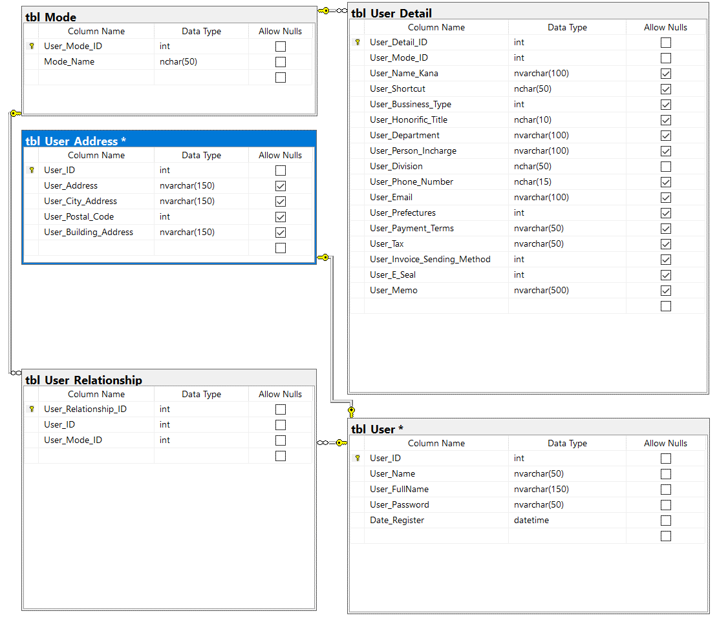
 | EXPLAINATION OF RELATIONSHIP USER AND MODE

 |  | tbl_User | tbl_User_Relationship | tbl_Mode | tbl_User_Detail
 |  | User_ID | User_Relationship_ID | Mode_ID | User_Detail_ID
 |  | User_Name | User_ID | Mode_Name | Mode_ID
 |  | User_Password | Mode_ID |  | Date_Register

 |  | 00000-Name00 | 00000:[0-Admin] | 00-Admin | 00000-Detail_00
 |  | 00001-Name01 | 00001:[1-Master] | 01-Master | 00002-Detail_01
 |  | 00002-Name02 | 00002:[3-User] | 02-Child | 00003-Detail_02
 |  | 00003-Name03 | 00003:[2-Child] | 03-User | 00004-Detail_03
 |  | 00004-Name04 |  |  | 00005-Detail_04
 |  | 00005-Name05 |  |  | 00006-Detail_05
 |  | 00006-Name06 |  |  | 00007-Detail_06
 |  | 00007-Name07 | Example |  | 00008-Detail_07
 |  | 00008-Name08 | 00000:[00-Admin]:User_Detail_00 |  | 00009-Detail_08
 |  | 00009-Name09 | 00001:[00-Admin]:User_Detail_01 |  | 00010-Detail_09
 |  | 00010-Name10 | 00002:[00-Admin]:User_Detail_02 |  | 00000-Detail_10
 |  |  | 00003:[01-Master]:User_Detail_03
 |  |  | 00004:[02-Child]:User_Detail_04
 |  |  | 00005:[03-User]:User_Detail_05
 |  |  | 00006:[00-Admin]:User_Detail_06
 |  |  | 00007:[02-Child]:User_Detail_07
 |  |  | 00008:[01-Master]:User_Detail_08
 |  |  | 00009:[00-Admin]:User_Detail_09
 |  |  | 00010:[03-User]:User_Detail_10

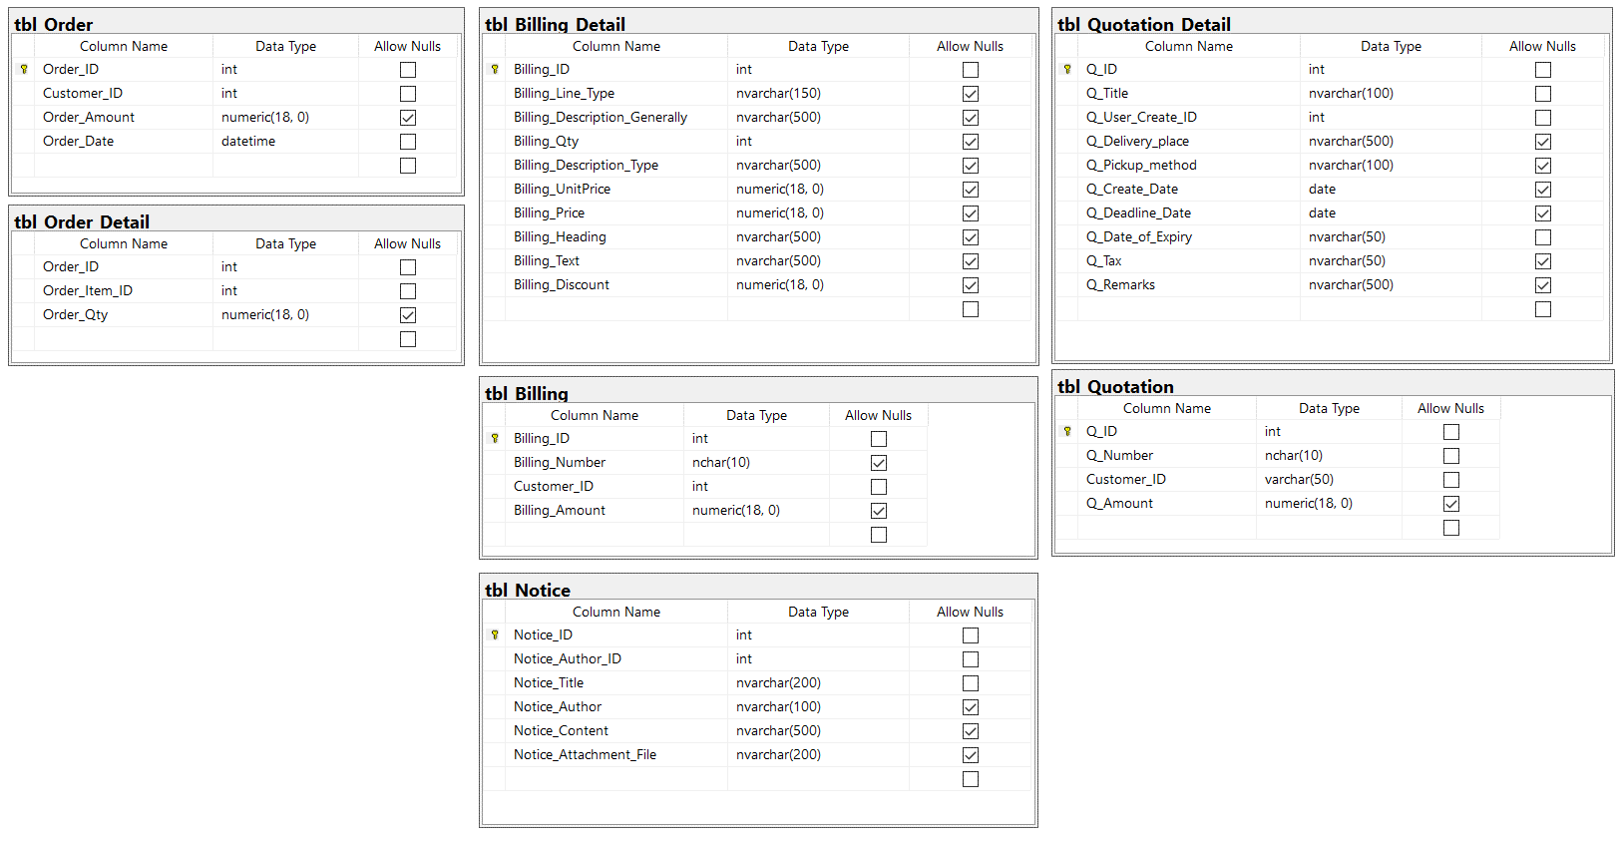
Other tables

