Sheet1
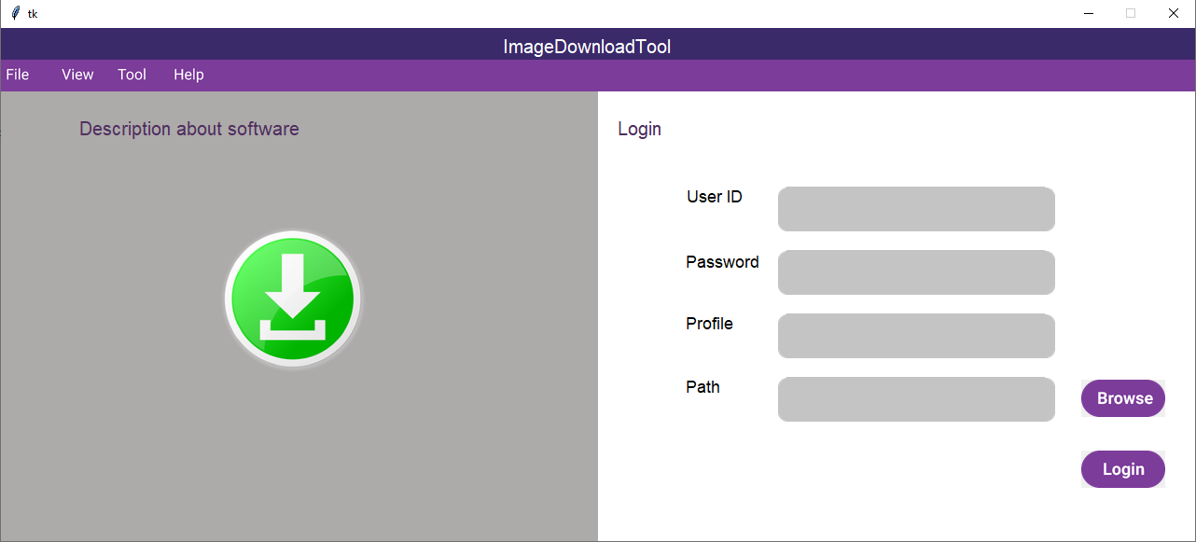

- Press "Browse" -> open box to chose profile of gmail
- Press "Login" -> change to downloading screen ( not create GUI yet)
1. check if invalid gmail and password -> show MsgBox incorrect
2. Change to screen
- Q/A : what is function of menu bar button

File
View
Tool
Help

Image download ????
Click to Download
Search ? tìm kiếm theo từ khóa ????
Image download
-> hiển thị ảnh sau khi search??

Progress
----->>
----->>
----->>

Size
Pre
Next

Output path
Browse

