0
Training Studies | Learning Rate | Final Accuracy | Final Loss | Final Validation Accuracy | Final Validation Loss | Training / Validation Accuracy | Training / Validation Loss | ROC Curve | Confusion Matrix | Output Nodes (3D)
WD control vs. CU pain vs. Rehab | 0.00001 | 0.7602641582489014 | 2.442793607711792 | 0.5702127814292908 | 2.8504130840301514 | 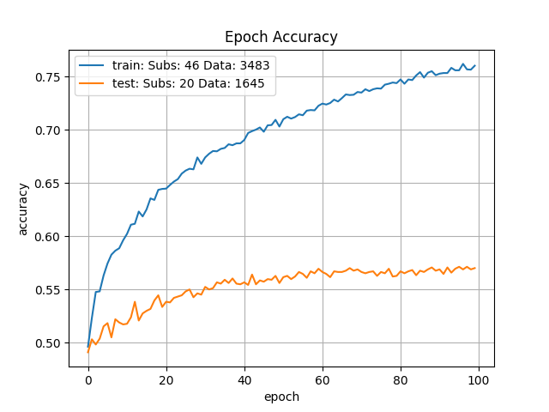 | 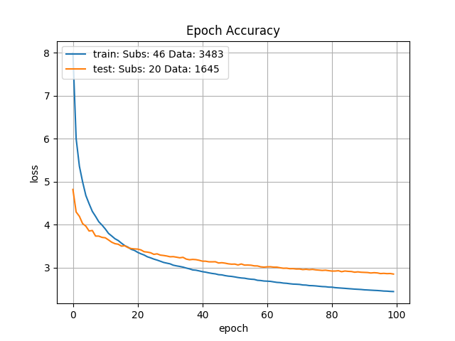 |  | 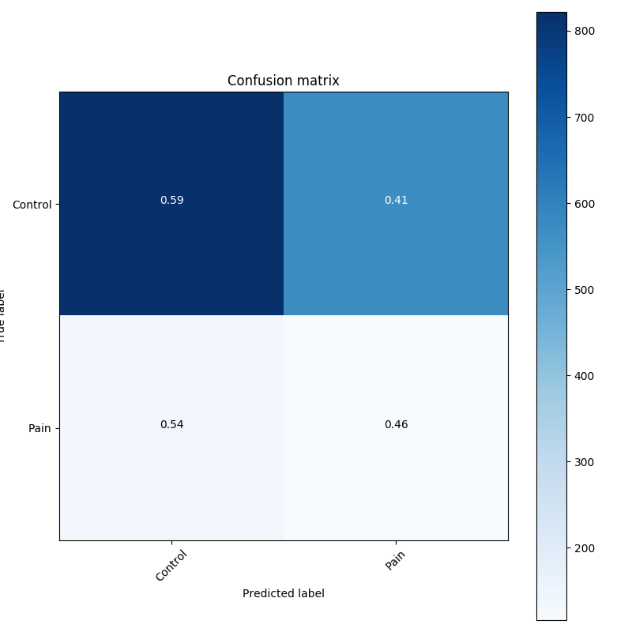
WD control vs. CU pain vs. Rehab | 0.00001 | 0.776844322681427 | 3.5280752182006836 | 0.5792266726493835 | 3.8675529956817627 | 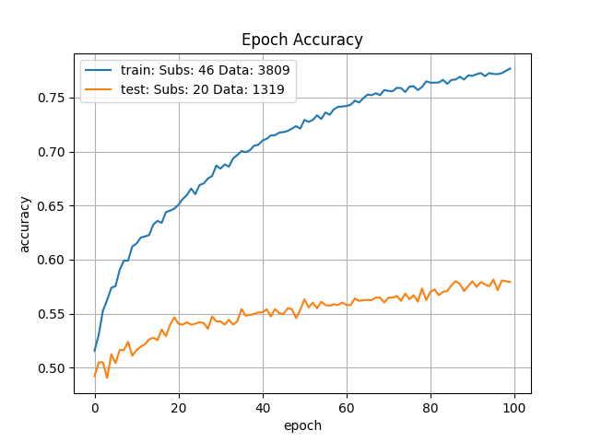 | 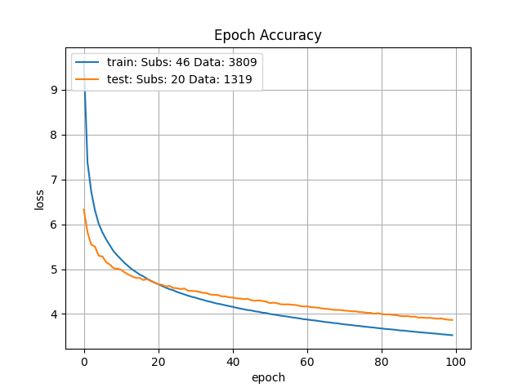 |  | 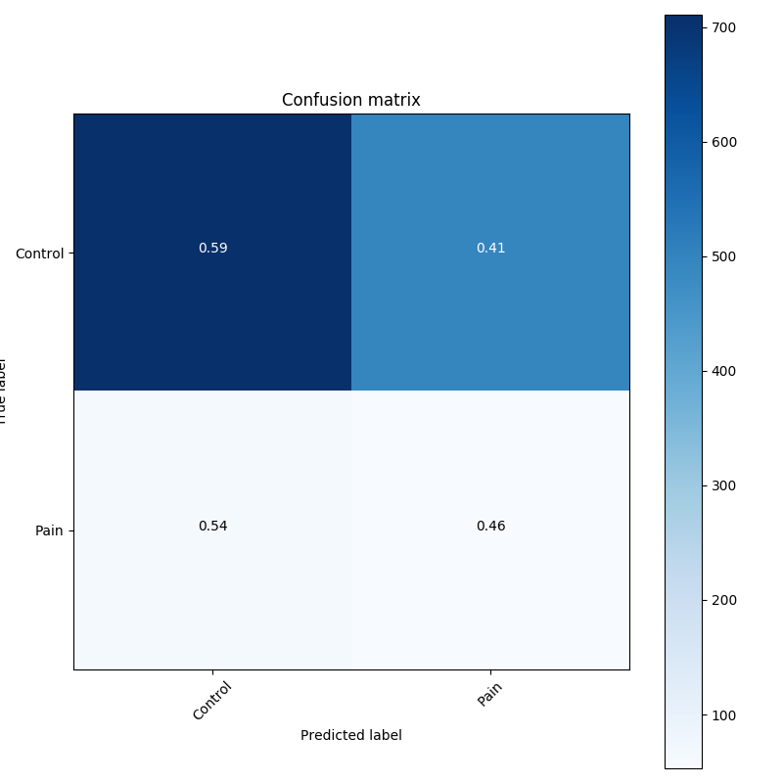
WD control vs. CU pain vs. Rehab | 0.00001 | 0.7874134182929993 | 4.552314281463623 | 0.5860542058944702 | 5.014190196990967 | 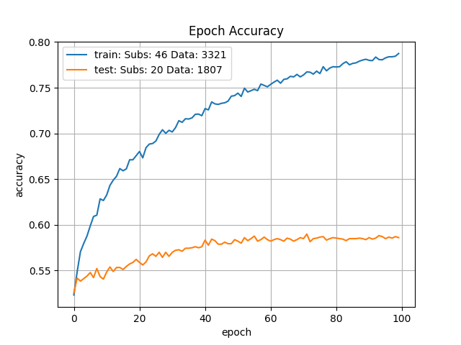 | 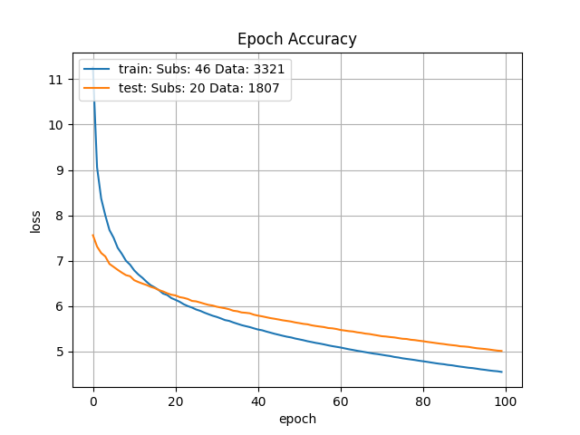 |  | 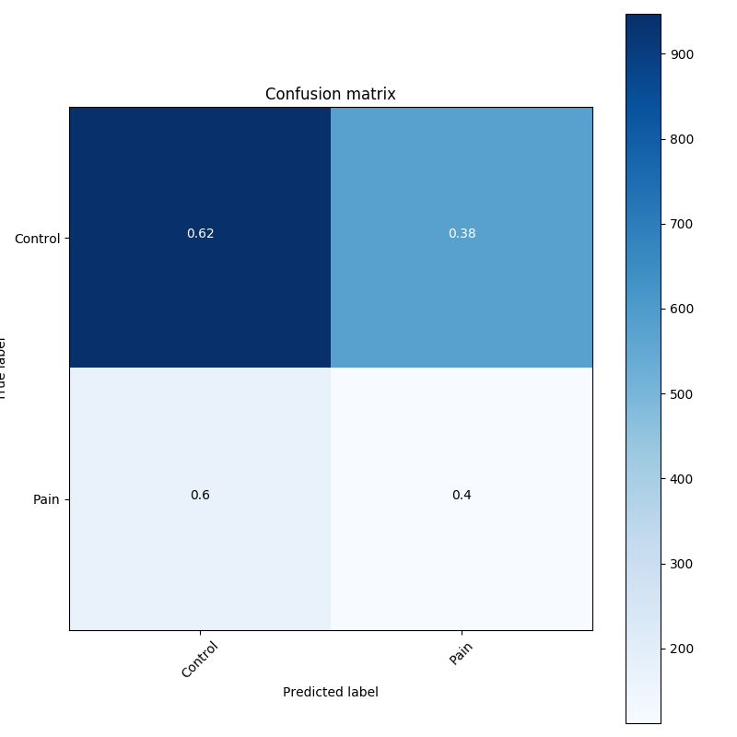
WD control vs. CU pain vs. Rehab | 0.00001 | 0.7720295786857605 | 5.176711082458496 | 0.6006211042404175 | 5.251429080963135 | 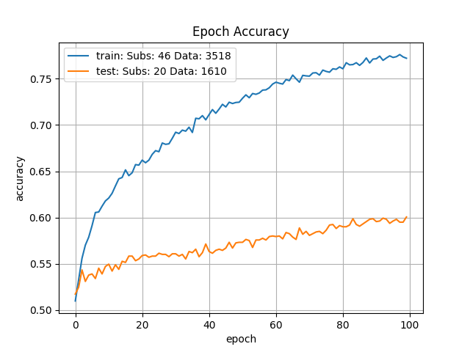 | 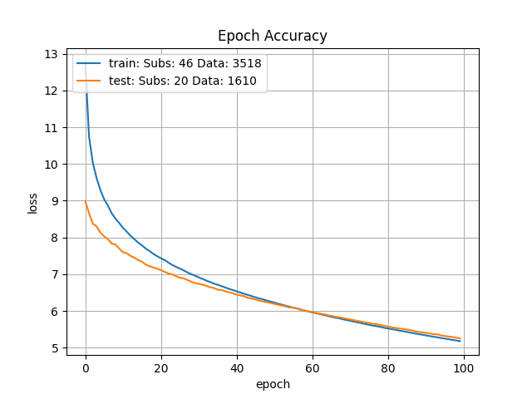 |  | 
WD control vs. CU pain vs. Rehab | 0.00001 | 0.7832386493682861 | 5.984491348266602 | 0.5876865386962891 | 6.2462158203125 | 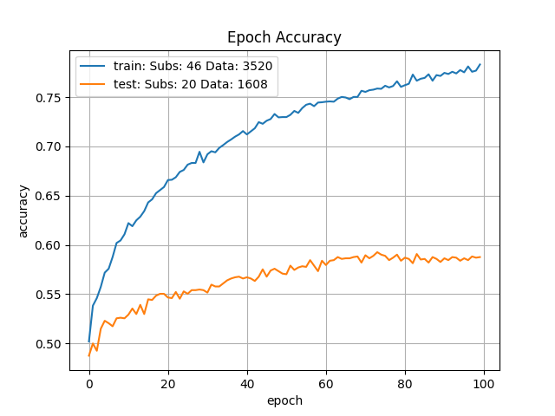 | 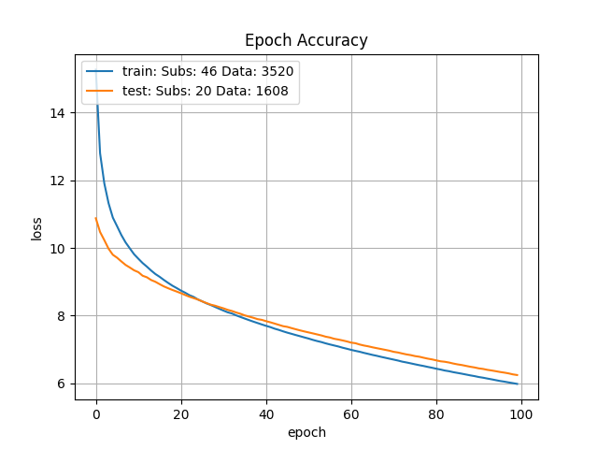 |  | 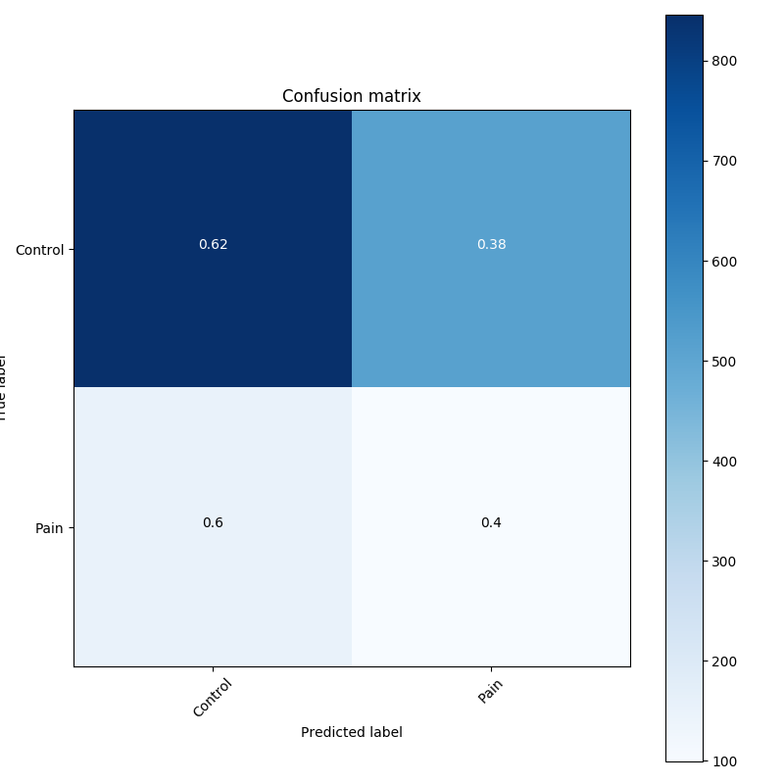
WD control vs. CU pain vs. Rehab | 1.2742749857E-05 | 0.7643820643424988 | 6.365832805633545 | 0.5839464664459229 | 6.507473945617676 | 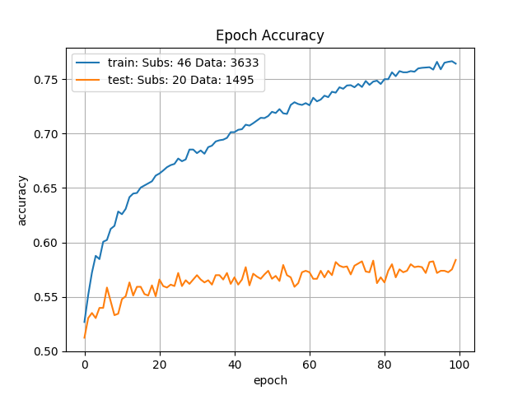 | 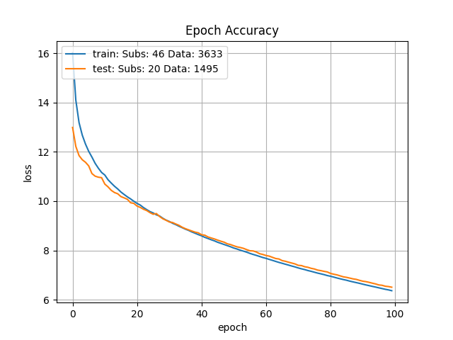 |  | 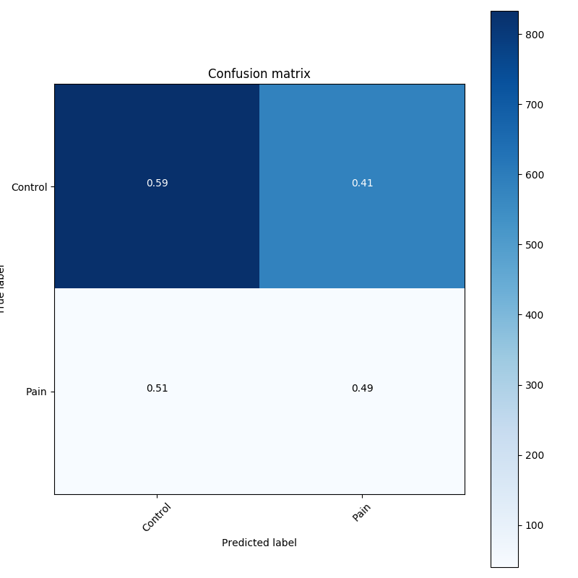
WD control vs. CU pain vs. Rehab | 1.2742749857E-05 | 0.7709406614303589 | 6.500855445861816 | 0.574704647064209 | 6.601637363433838 | 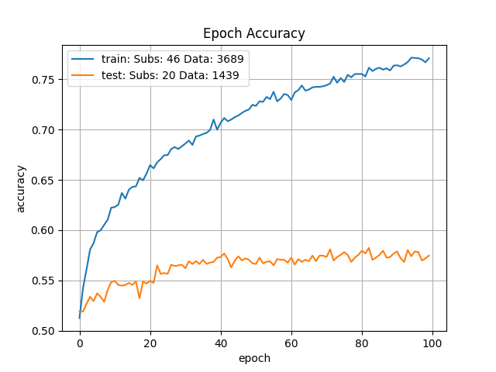 | 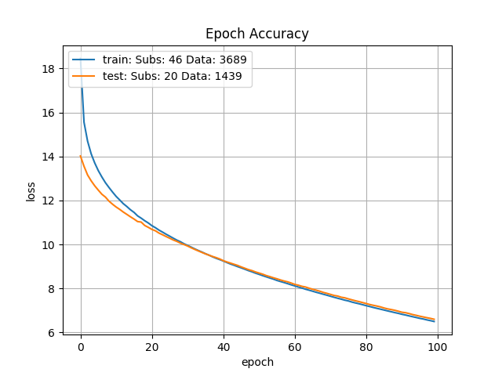 |  | 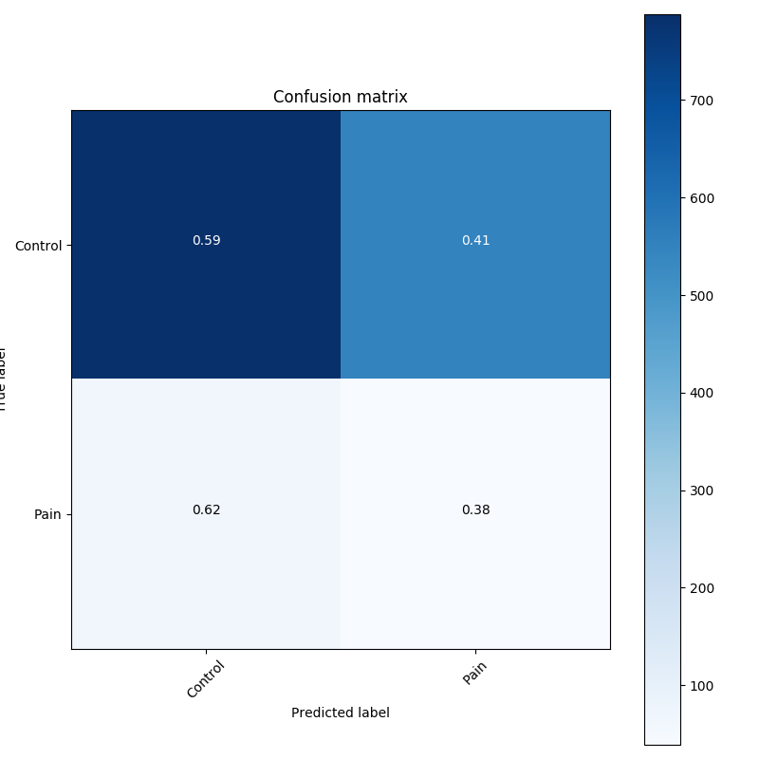
WD control vs. CU pain vs. Rehab | 1.2742749857E-05 | 0.7488962411880493 | 6.3784637451171875 | 0.5964095592498779 | 6.4604692459106445 | 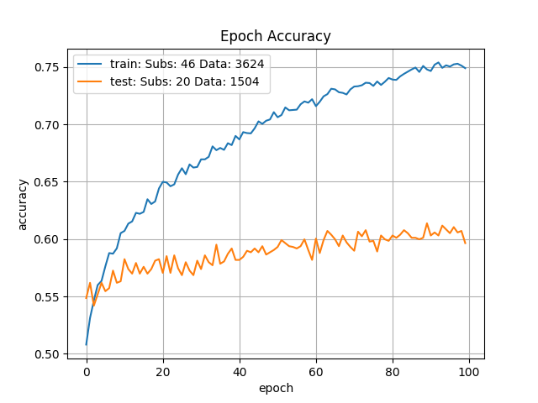 | 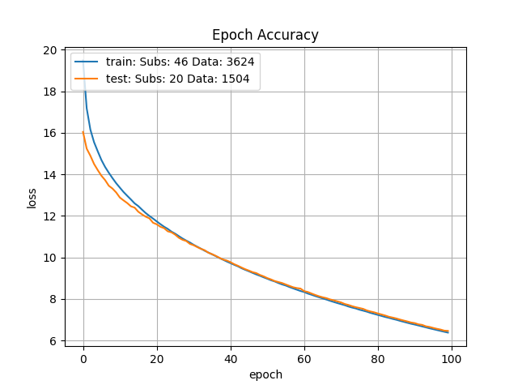 |  | 
WD control vs. CU pain vs. Rehab | 1.2742749857E-05 | 0.5330432653427124 | 1.5084185600280762 | 0.5361819267272949 | 0.8501023650169373 | 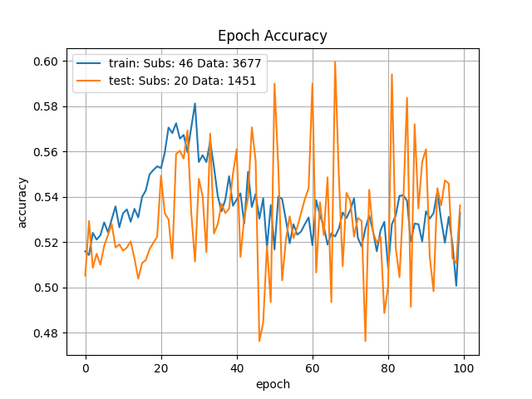 | 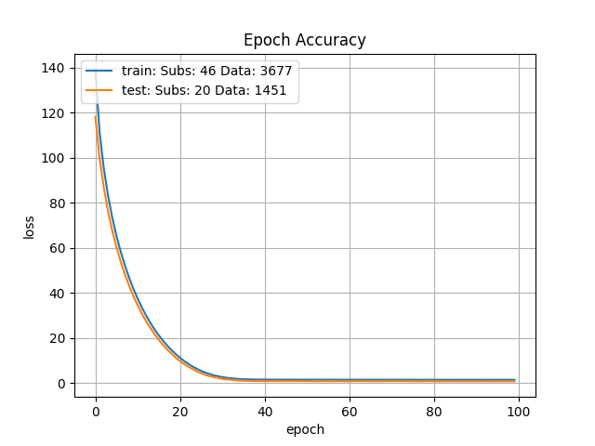 |  | 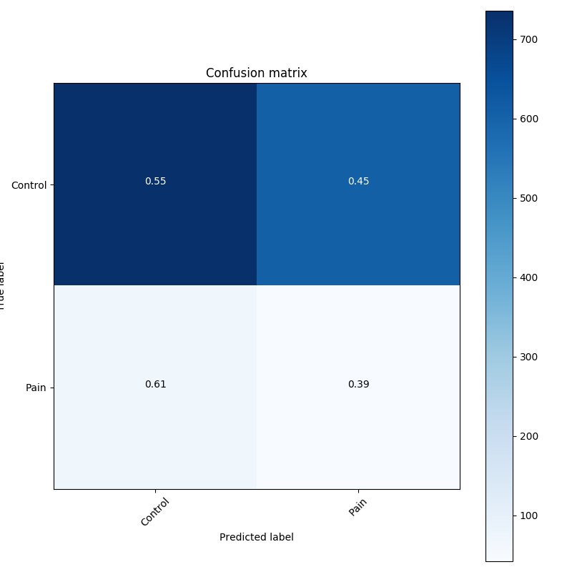
WD control vs. CU pain vs. Rehab | 1.2742749857E-05 | 0.7258107662200928 | 7.631755352020264 | 0.5604867339134216 | 7.643330097198486 | 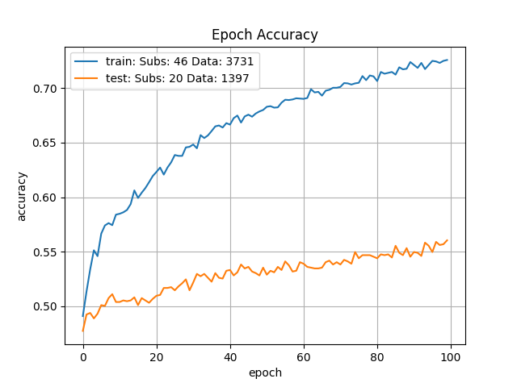 | 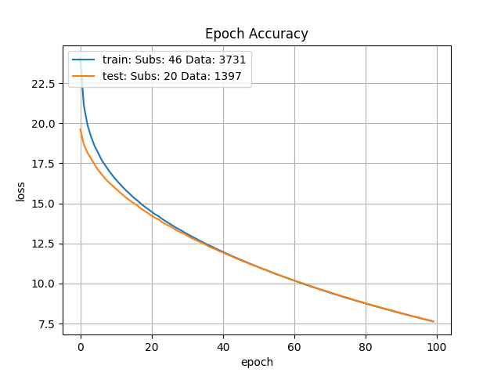 |  | 
WD control vs. CU pain vs. Rehab | 1.6237767392E-05 | 0.779455304145813 | 6.22473669052124 | 0.5657142996788025 | 6.718681335449219 | 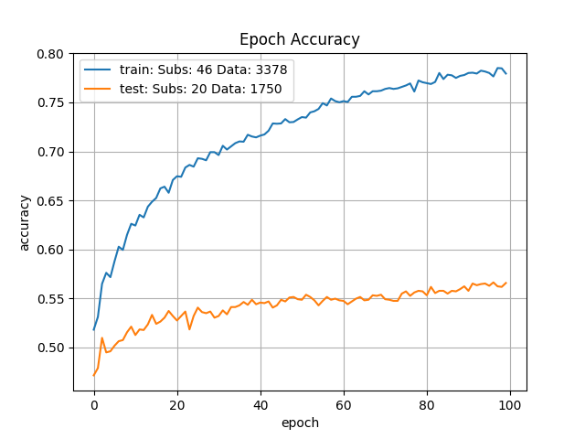 | 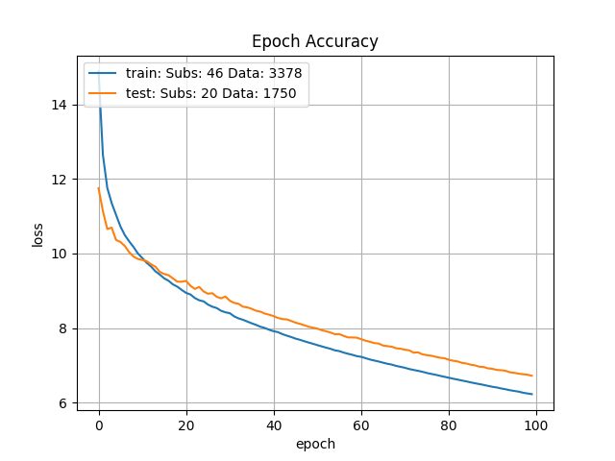 |  | 
WD control vs. CU pain vs. Rehab | 1.6237767392E-05 | 0.8097587823867798 | 3.2515573501586914 | 0.6027026772499084 | 3.444704532623291 | 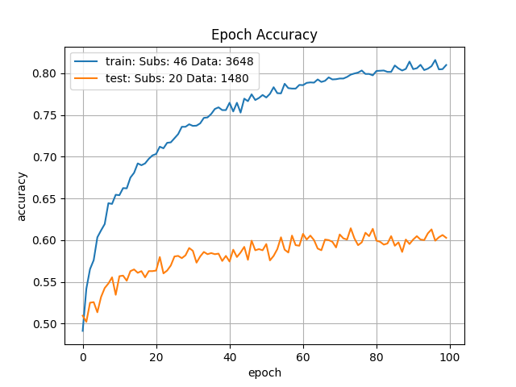 | 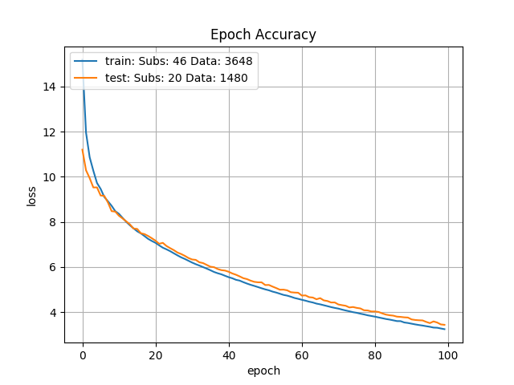 |  | 
WD control vs. CU pain vs. Rehab | 1.6237767392E-05 | 0.8209518194198608 | 1.9416431188583374 | 0.6052318811416626 | 1.9902870655059814 | 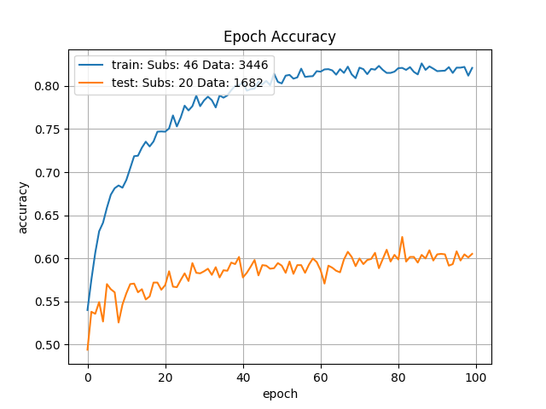 |  |  | 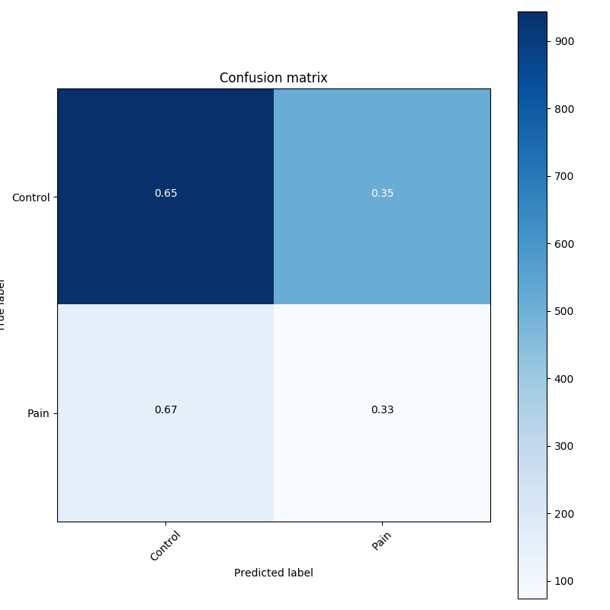
WD control vs. CU pain vs. Rehab | 1.6237767392E-05 | 0.7637262344360352 | 2.9234235286712646 | 0.5836575627326965 | 2.990314245223999 | 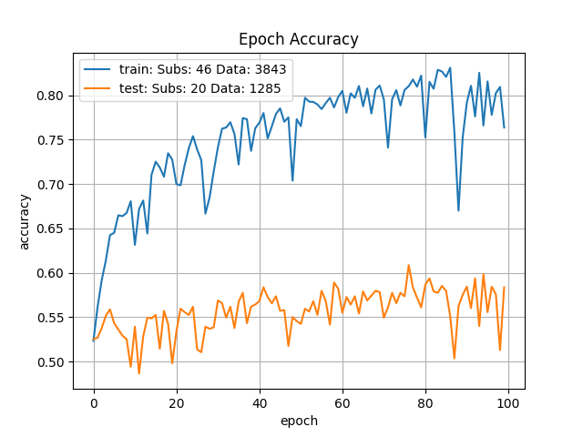 | 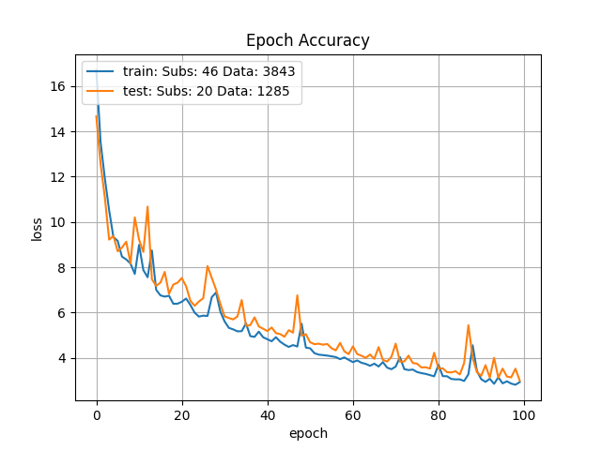 |  | 
WD control vs. CU pain vs. Rehab | 1.6237767392E-05 | 0.7882285118103027 | 1.5675842761993408 | 0.6010830402374268 | 1.5083712339401245 | 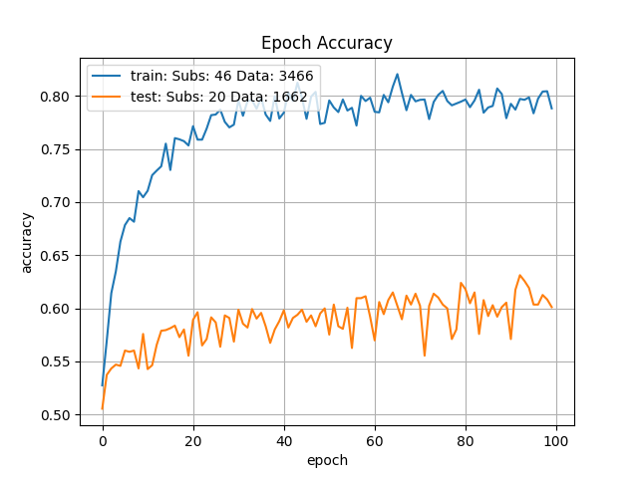 | 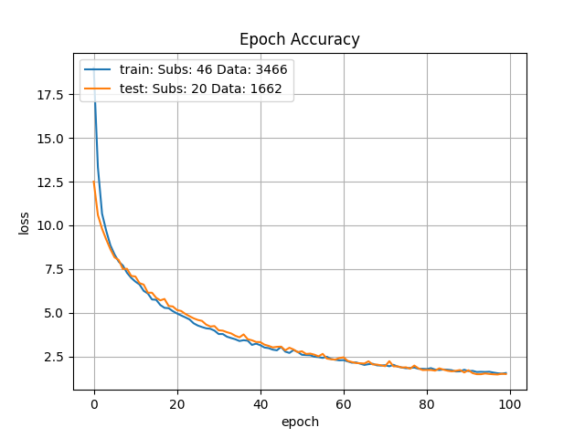 |  | 
WD control vs. CU pain vs. Rehab | 2.0691380811E-05 | 0.5468702912330627 | 12.421463966369629 | 0.522079348564148 | 10.53201675415039 | 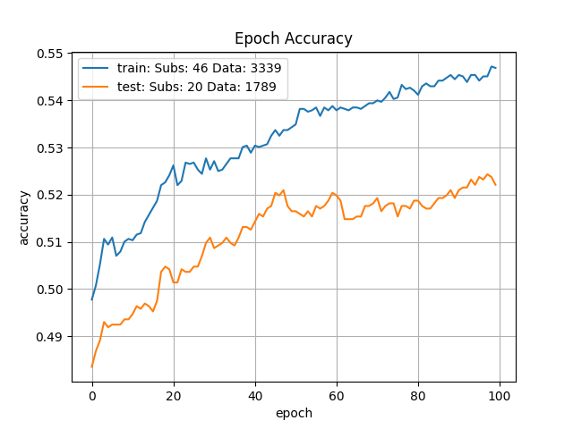 | 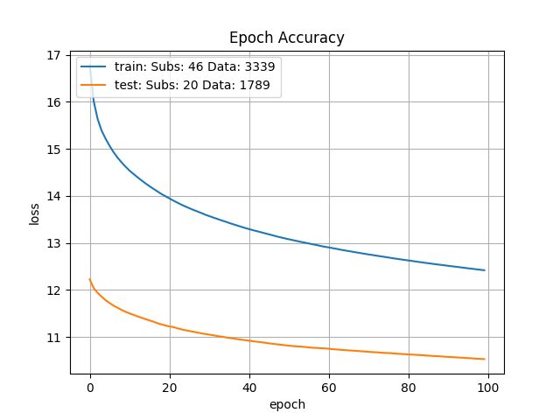 |  | 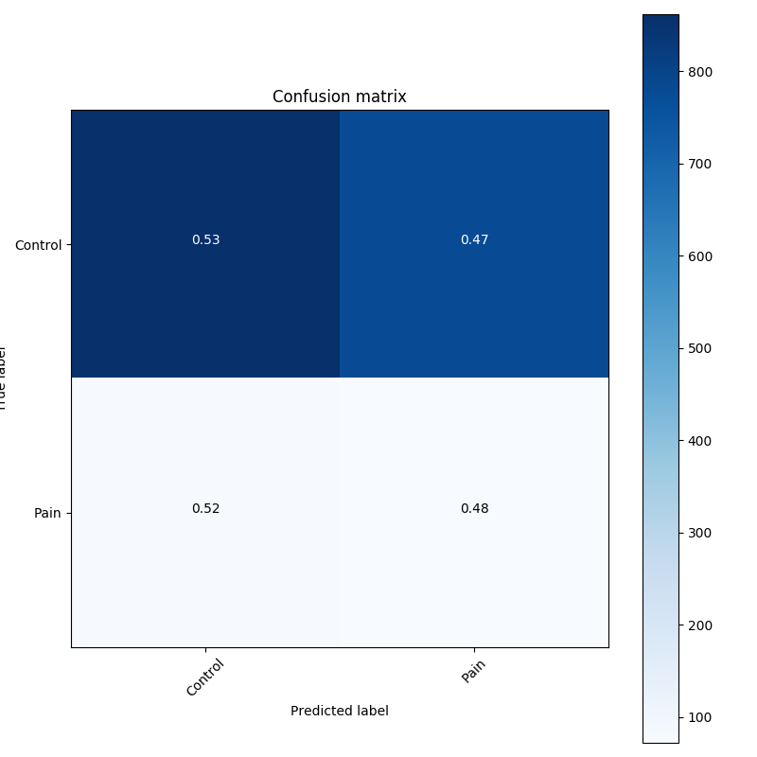
WD control vs. CU pain vs. Rehab | 2.0691380811E-05 | 0.5992625951766968 | 10.358321189880371 | 0.5068663954734802 | 9.962263107299805 | 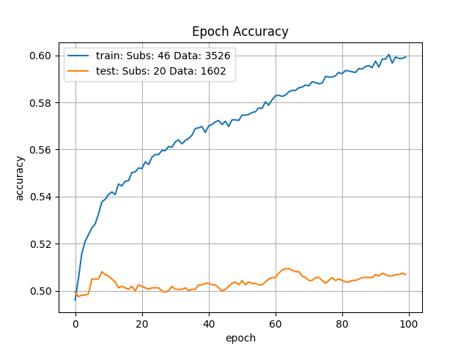 | 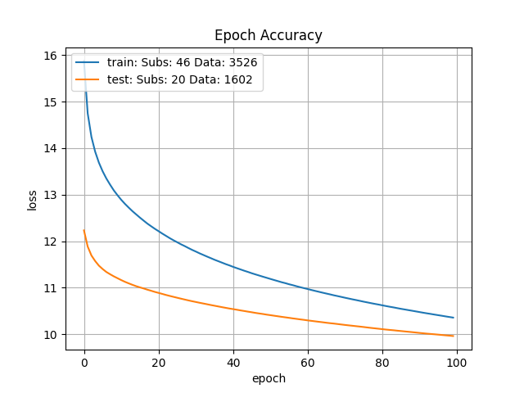 |  | 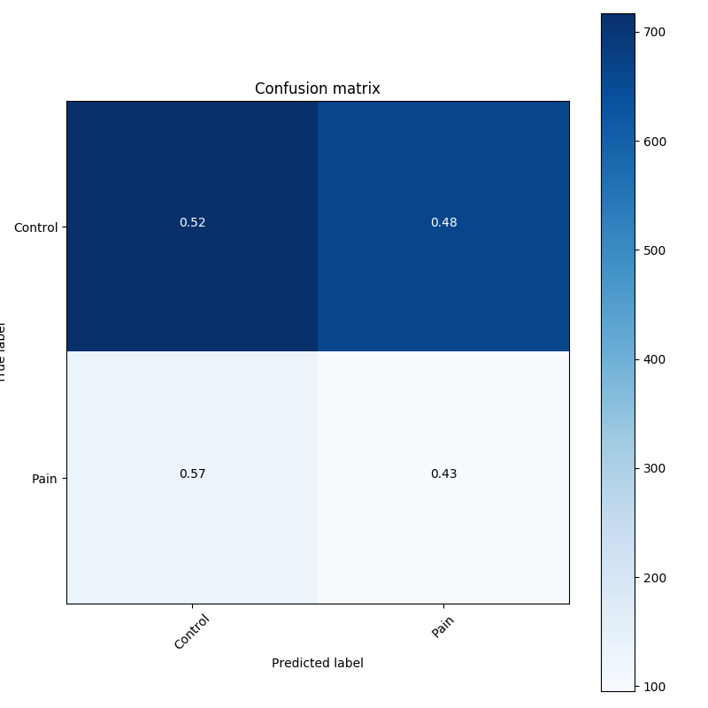
WD control vs. CU pain vs. Rehab | 2.0691380811E-05 | 0.6316916346549988 | 9.418906211853027 | 0.5114942789077759 | 9.144513130187988 | 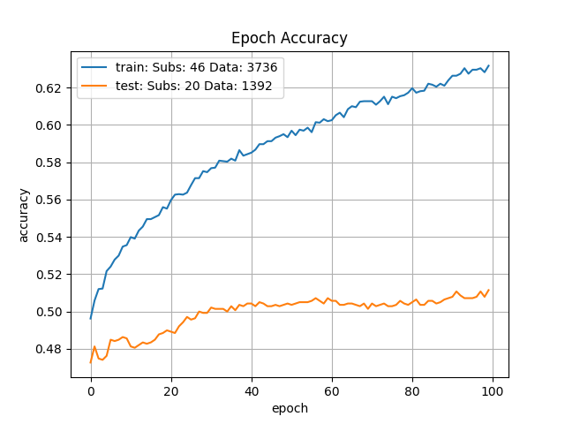 | 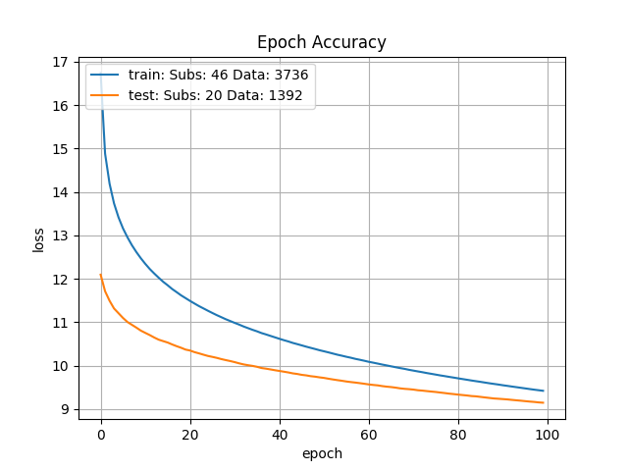 |  | 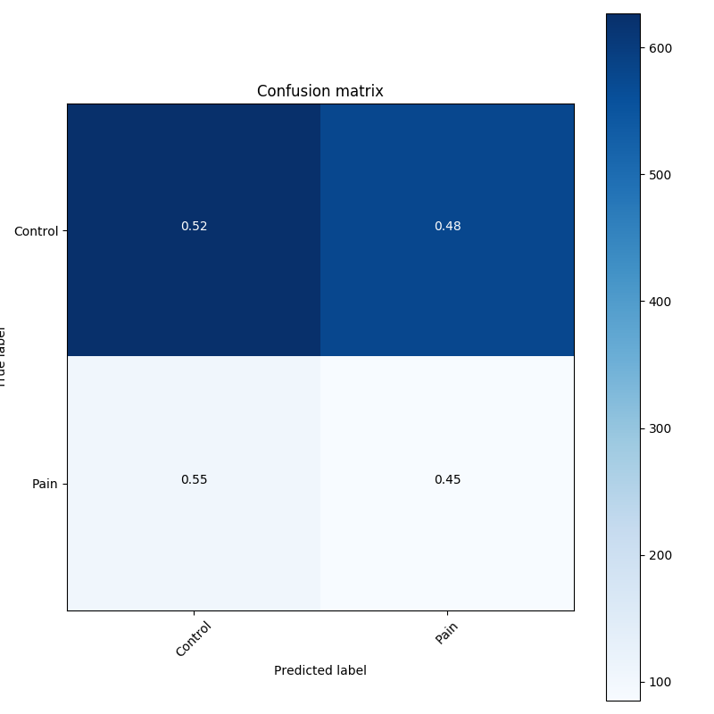
WD control vs. CU pain vs. Rehab | 2.0691380811E-05 | 0.6778314113616943 | 8.437204360961914 | 0.5532710552215576 | 8.357718467712402 | 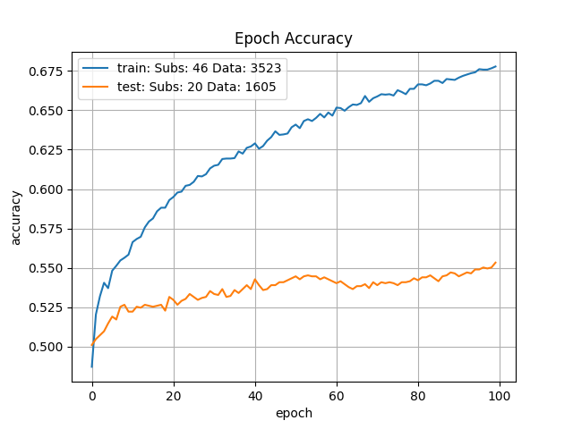 | 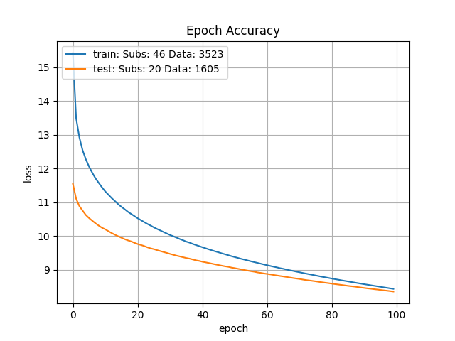 |  | 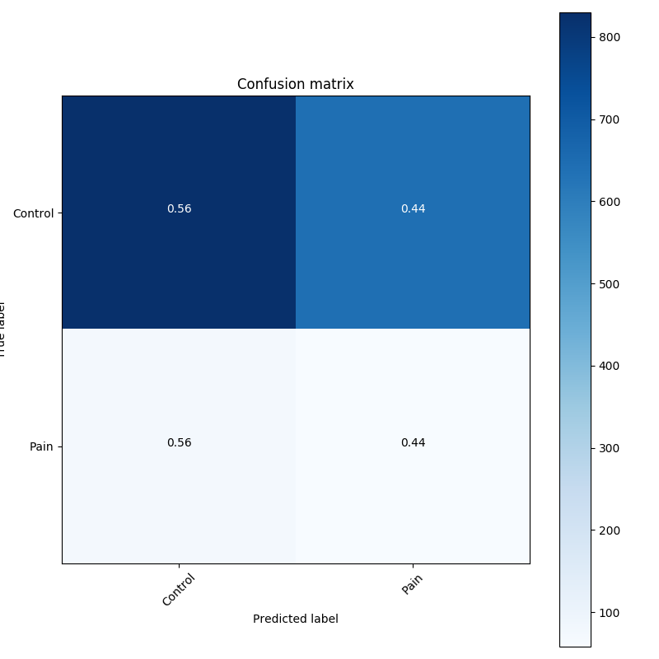
WD control vs. CU pain vs. Rehab | 2.0691380811E-05 | 0.6838897466659546 | 8.30484390258789 | 0.536189079284668 | 8.387569427490234 | 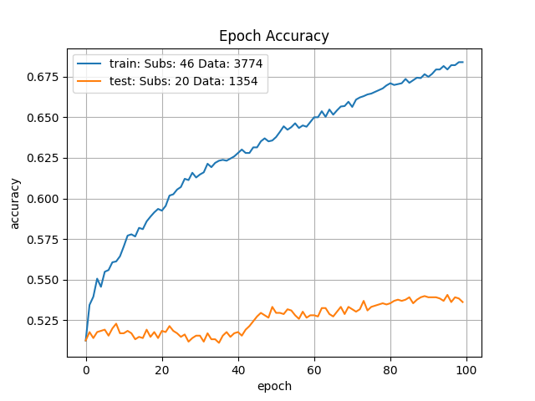 |  |  | 

