ENQUIRY
长 园 长 通 新 材 料 股 份 有 限 公 司 CYG CHANGTONG NEW MATERIAL CO., LTD Add: No. 707, Block A, Building 1, Yunzhi Technology Park, South Side of Shuangming Avenue, Dongzhou Community, Guangming Street, Guangming District, Shenzhen.
SALES CONTRACT 合 同
For Account of :抬头人
Invoice No. 发票号 |  |  | Date日期:
Contact No. 合同号 |  |  | 发货口岸:
Order No. 订单号 |  |  | From Shenzhen To Klang
No. | 产品 Product | 规格 Specification | 单位 Unit. | 数量 Qty. | CIF (USD/PC) | 金额 Amount USD

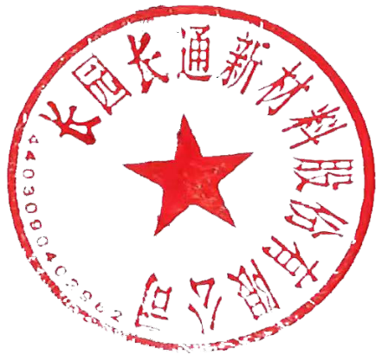
TOTAL QTY. |  |  |  |  | US$0.00
Say: USD ONE THOUSAND AND NINE HUNDRED ONLY
Note: Payment term:30% T/T IN ADVANCE and Balance before delivery.
Beneficiary: CYG CHANGTONG NEW MATERIAL CO., LTD Account No: 41-003200040003025 SWIFT: ABOCCNBJ410 Bank name: Agriculture Bank of China Shenzhen Branch Bank Address: 3/F, Hang Tang Building, Overseas Chinese Town, Shenzhen |  |  |  |  |  |  | .

买方确认签署： The Buyers Signature(s) |  |  | 卖方确认签署： The Sales Signature(s)

