Sheet1
 | 80C | 500mm*2.2mm*30M | 0.033 | 1320 | 198.4962406
 | 80C | 500mm*2.5mm*30M | 0.0375 | 1500 | 225.56390977

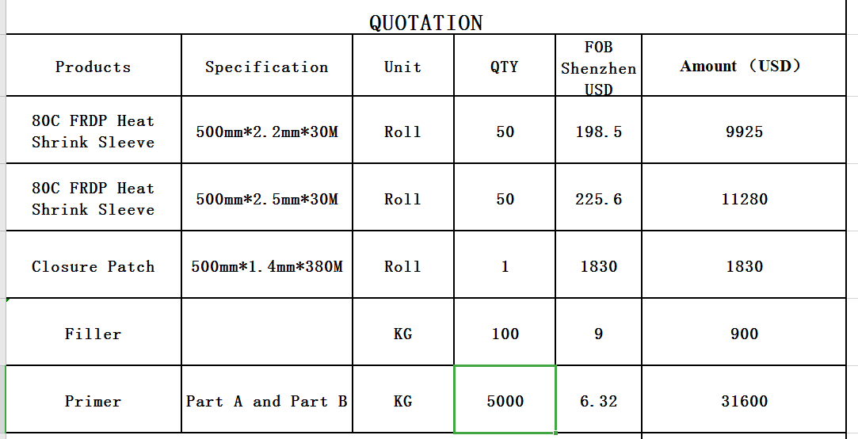
219*550*2.2mm | 80 | 0.8557962 | 0.001035513402 | 41.42053608 | 0.63 | 0.62686567164 | 42.677401752
406*550*2.5mm | 80 | 1.4840788 | 0.00204060835 | 81.624334 | 0.63 | 0.94029850746 | 83.194632507
406*550*3.0mm | 80 | 1.4840788 | 0.00244873002 | 97.9492008 | 0.63 | 0.94029850746 | 99.519499307

219*550*2.2mm | 60 | 0.8557962 | 0.001035513402 | 38.313995874 | 0.63 | 0.62686567164 | 39.570861546

450mm*2.4mm*30m | Roll | 30 | 203.45

 | 0.0324 | 1296 | 203.13479624

 | 0.0324 | 1198.8 | 189.6835443 |  | 189.6 | 13.85 | 415.5

 |  |  |  |  |  |  |  | 190 | 9.6315789474 | 0.63568421053

