Sheet1
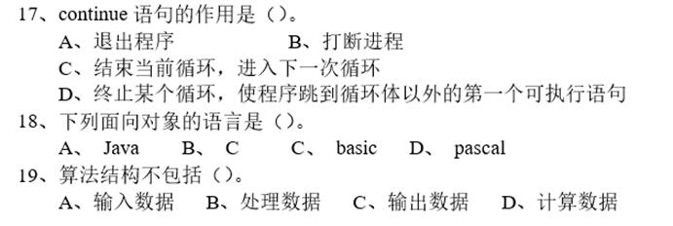
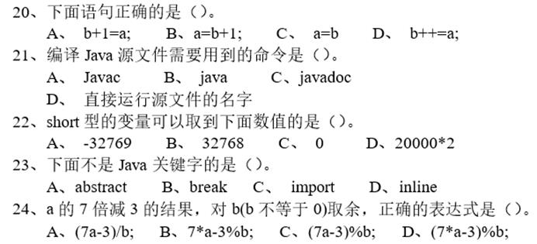
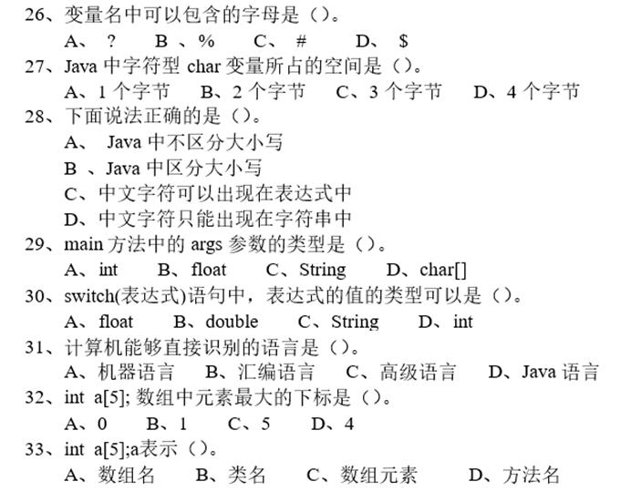
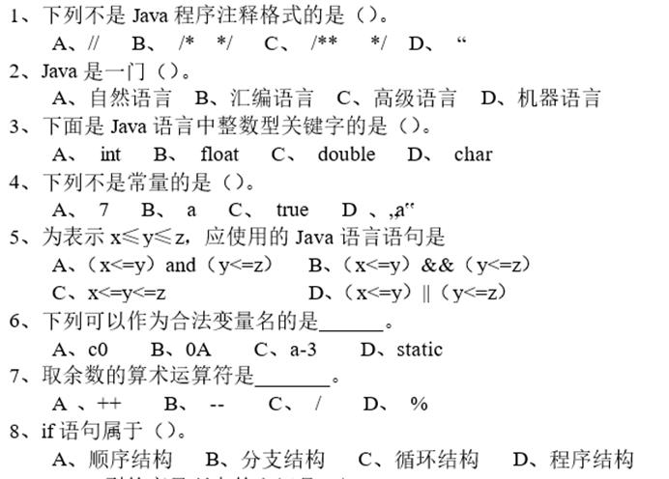
1 | D
2 | C
3 | A
4 | D
5 | B
6 | A
7 | D
8 | B
9 | C
10 | D
11 | C
12 | D
13 | A
14 | C
15 | B
16 | D
17 | C
18 | A
19 | D
20 | B
21 | A
22 | C
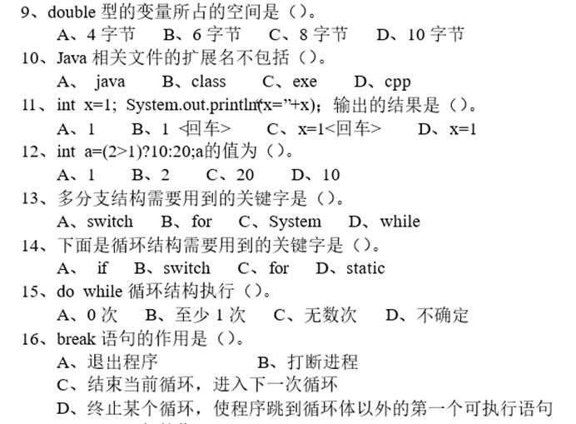
23 | D
24 | D
25
26 | D
27 | B
28 | B
29 | C
30 | D
31 | A
32 | D
33 | A

