BUS
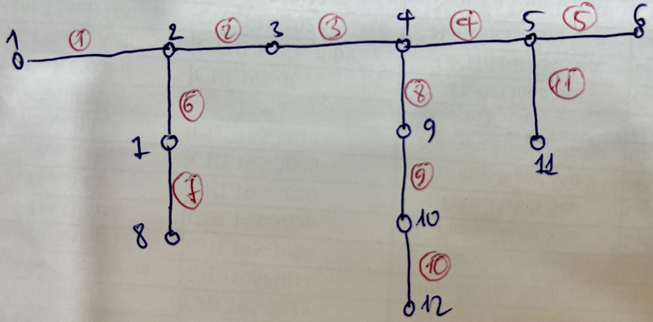
## BUSDATA
NO | NAME | kV | FLAG | PLOAD[kw] | QLOAD[kvar] | Qshunt[kvar] | FLAG3 | Pdgen[kw] | Qdgen[kvar] | FLAG4 | Vscheduled[pu] | QgenMax[kvar] | QgenMin[kvar] | CODE | Pload ini | Qload ini | psseLoad | psseShunt
1 | BUS1 | 12 | 1 | 0 | 0 | 0 | 0 | 0 | 0 | 0 | 1.0 | 9999 | -9999 | 3 | 0 | 0 | #NAME? | #NAME?
2 | BUS2 | 12 | 1 | 320 | 160 | 0 | 0 | 0 | 0 | 0 |  |  |  | 1 | 200 | 100 | #NAME? | #NAME?
3 | BUS3 | 12 | 1 | 320 | 160 | 0 | 0 | 0 | 0 | 0 |  |  |  | 1 | 200 | 100 | #NAME? | #NAME?
4 | BUS4 | 12 | 1 | 480 | 160 | 0 | 0 | 0 | 0 | 0 |  |  |  | 1 | 200 | 100 | #NAME? | #NAME?
5 | BUS5 | 12 | 1 | 320 | 160 | 0 | 0 | 0 | 0 | 0 |  |  |  | 1 | 200 | 100 | #NAME? | #NAME?
6 | BUS6 | 12 | 1 | 1280 | 1280 | 500 | 1 | 0 | 0 | 1 |  |  |  | 1 | 800 | 800 | #NAME? | #NAME?
7 | BUS7 | 12 | 1 | 240 | 160 | 0 | 0 | 0 | 0 | 0 |  |  |  | 1 | 150 | 100 | #NAME? | #NAME?
8 | BUS8 | 12 | 1 | 320 | 160 | -200 | 1 | 0 | 0 | 0 |  |  |  | 1 | 200 | 100 | #NAME? | #NAME?
9 | BUS9 | 12 | 1 | 240 | 320 | 0 | 0 | 0 | 0 | 0 |  |  |  | 1 | 150 | 200 | #NAME? | #NAME?
10 | BUS10 | 12 | 1 | 240 | 160 | 0 | 0 | 0 | 0 | 0 |  |  |  | 1 | 150 | 100 | #NAME? | #NAME?
11 | BUS11 | 12 | 1 | 320 | 160 | 0 | 0 | 0 | 0 | 0 |  |  |  | 1 | 200 | 100 | #NAME? | #NAME?
12 | BUS12 | 12 | 1 | 320 | 160 | 0 | 0 | 0 | 0 | 0 | 1.0 | 9999 | -9999 | 3 | 200 | 100 | #NAME? | #NAME?

LINE
## LINEDATA |  | #REF! |  |  |  | 0.21 | 0.41 | 14.4
NO | FROMBUS | TOBUS | FLAG | FLAG3 | LENGTH | R(Ohm) | X(Ohm) | B(microSiemens) | RATEA[A] | psse
1 | 2 | 1 | 1 | 0 | 3 | 0.63 | 1.23 | 0 | 300 | #NAME?
2 | 3 | 2 | 1 | 1 | 3.5 | 0.735 | 1.435 | 0 | 200 | #NAME?
3 | 4 | 3 | 1 | 1 | 3 | 0.63 | 1.23 | 0 | 300 | #NAME?
4 | 4 | 5 | 1 | 1 | 3.5 | 0.735 | 1.435 | 0 | 300 | #NAME?
5 | 5 | 6 | 1 | 1 | 2.5 | 0.525 | 1.025 | 0 | 300 | #NAME?
6 | 2 | 7 | 1 | 1 | 3 | 0.63 | 1.23 | 0 | 300 | #NAME?
7 | 7 | 8 | 1 | 1 | 3.5 | 0.735 | 1.435 | 0 | 300 | #NAME?
8 | 9 | 4 | 1 | 1 | 2.5 | 0.525 | 1.025 | 500 | 300 | #NAME?
9 | 9 | 10 | 1 | 1 | 2.5 | 0.525 | 1.025 | 500 | 300 | #NAME?
10 | 12 | 10 | 1 | 1 | 3.5 | 0.735 | 1.435 | 700 | 300 | #NAME?
11 | 5 | 11 | 1 | 1 | 3.5 | 0.735 | 1.435 | 0 | 300 | #NAME?
12 | 7 | 9 | 1 | 1 | 3.5 | 0.735 | 1.435 | 0 | 300 | #NAME?
13 | 9 | 11 | 1 | 1 | 3.5 | 0.735 | 1.435 | 0 | 300 | #NAME?
14 | 8 | 10 | 1 | 1 | 3.5 | 0.735 | 1.435 | 0 | 300 | #NAME?
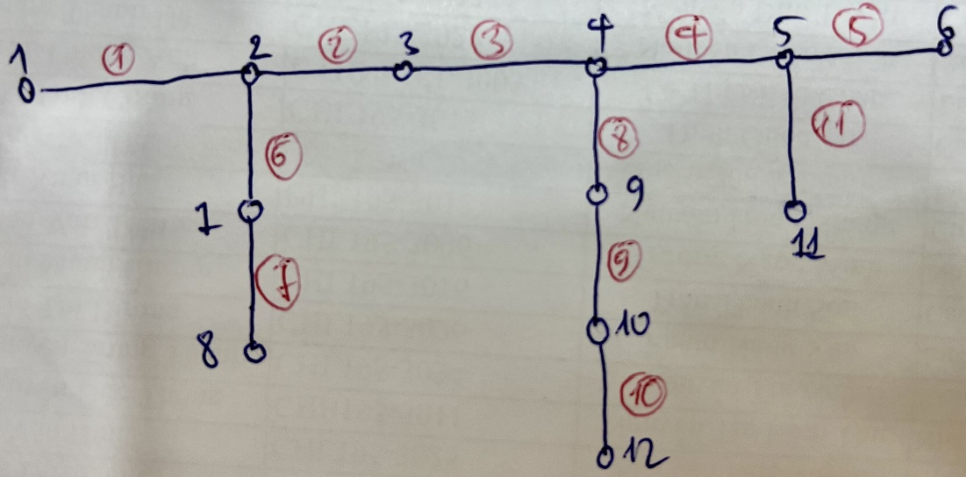
15 | 10 | 11 | 1 | 1 | 3.5 | 0.735 | 1.435 | 0 | 300 | #NAME?
16 | 11 | 12 | 1 | 1 | 3.5 | 0.735 | 1.435 | 0 | 300 | #NAME?

