BUS
## BUSDATA
NO | NAME | kV | FLAG | PLOAD[kw] | QLOAD[kvar] | x | y | RateLoad[kVA] | NUMBER OF LOAD | Vscheduled[pu] | QgenMax[kvar] | QgenMin[kvar] | CODE
1 | BUS1 | 12.66 | 1 | 0 | 0 | 1 | 0 | 0 | 0 | 1.0 | 9999 | -9999 | 3
2 | BUS2 | 12.66 | 1 | 100 | 60 | 2 | 0 | 100 | 100
3 | BUS3 | 12.66 | 1 | 100 | 40 | 3 | 0 | 100 | 100
4 | BUS4 | 12.66 | 1 | 150 | 100 | 4 | 0 | 150 | 150
5 | BUS5 | 12.66 | 1 | 100 | 100 | 5 | 0 | 100 | 100
6 | BUS6 | 12.66 | 1 | 50 | 100 | 6 | 0 | 50 | 50
7 | BUS7 | 12.66 | 1 | 50 | 200 | 7 | 0 | 50 | 50
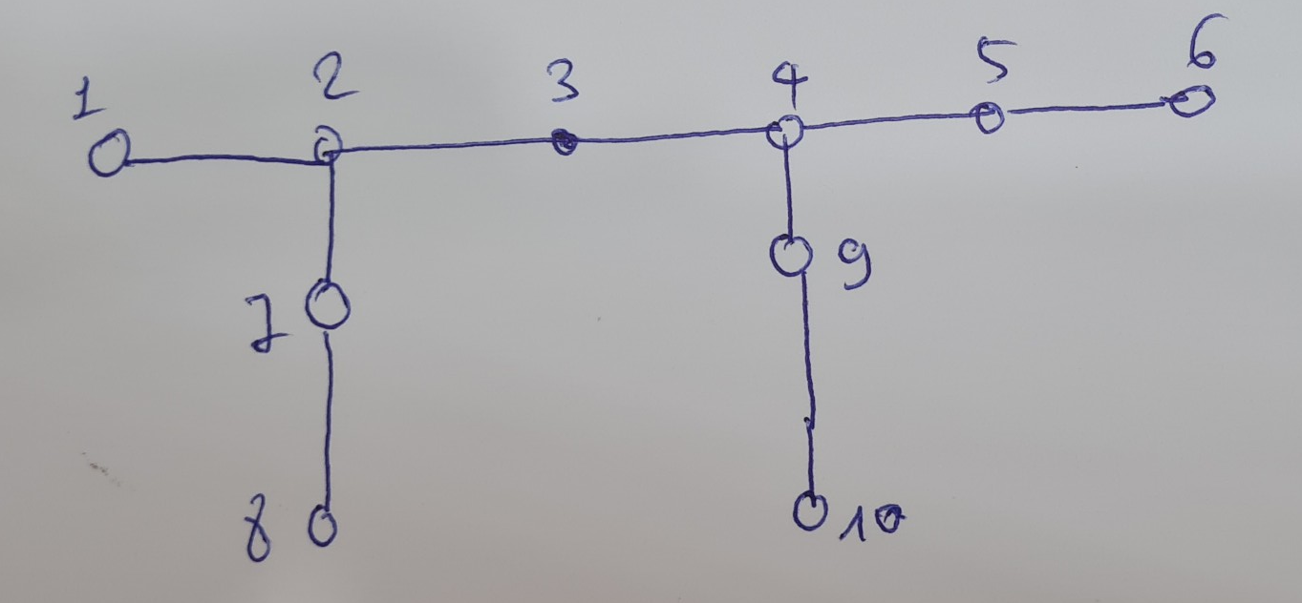
8 | BUS8 | 12.66 | 1 | 200 | 100 | 8 | 0 | 200 | 200
9 | BUS9 | 12.66 | 1 | 150 | 200 | 9 | 0 | 150 | 150
10 | BUS10 | 12.66 | 1 | 100 | 60 | 10 | 0 | 100 | 100
11 | BUS11 | 12.66 | 1 | 45 | 30 | 11 | 0 | 45 | 45
12 | BUS12 | 12.66 | 1 | 60 | 35 | 12 | 0 | 60 | 60
13 | BUS13 | 12.66 | 1 | 60 | 35 | 13 | 0 | 60 | 60
14 | BUS14 | 12.66 | 1 | 120 | 80 | 14 | 0 | 120 | 120
15 | BUS15 | 12.66 | 1 | 60 | 10 | 15 | 0 | 60 | 60
16 | BUS16 | 12.66 | 1 | 60 | 20 | 16 | 0 | 60 | 60
17 | BUS17 | 12.66 | 1 | 60 | 20 | 17 | 0 | 60 | 60
18 | BUS18 | 12.66 | 1 | 90 | 40 | 18 | 0 | 90 | 90
19 | BUS19 | 12.66 | 1 | 90 | 40 | 2 | -1 | 90 | 90
20 | BUS20 | 12.66 | 1 | 90 | 40 | 3 | -1 | 90 | 90
21 | BUS21 | 12.66 | 1 | 90 | 40 | 8 | -1 | 90 | 90
22 | BUS22 | 12.66 | 1 | 90 | 40 | 12 | -1 | 90 | 90
23 | BUS23 | 12.66 | 1 | 90 | 50 | 3 | 2 | 90 | 90
24 | BUS24 | 12.66 | 1 | 420 | 200 | 4 | 2 | 420 | 420
25 | BUS25 | 12.66 | 1 | 420 | 200 | 5 | 2 | 420 | 420
26 | BUS26 | 12.66 | 1 | 60 | 25 | 6 | 1 | 60 | 60
27 | BUS27 | 12.66 | 1 | 60 | 25 | 7 | 1 | 60 | 60
28 | BUS28 | 12.66 | 1 | 60 | 20 | 8 | 1 | 60 | 60
29 | BUS29 | 12.66 | 1 | 120 | 70 | 9 | 1 | 120 | 120
30 | BUS30 | 12.66 | 1 | 200 | 600 | 10 | 1 | 200 | 200
31 | BUS31 | 12.66 | 1 | 150 | 70 | 11 | 1 | 150 | 150
32 | BUS32 | 12.66 | 1 | 210 | 100 | 12 | 1 | 210 | 210
33 | BUS33 | 12.66 | 1 | 60 | 40 | 13 | 1 | 60 | 60

