Sheet4
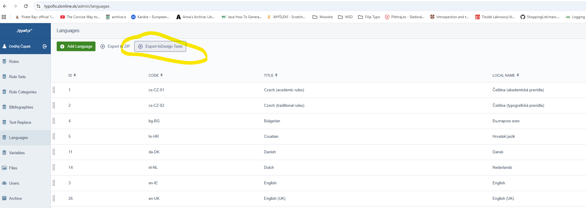
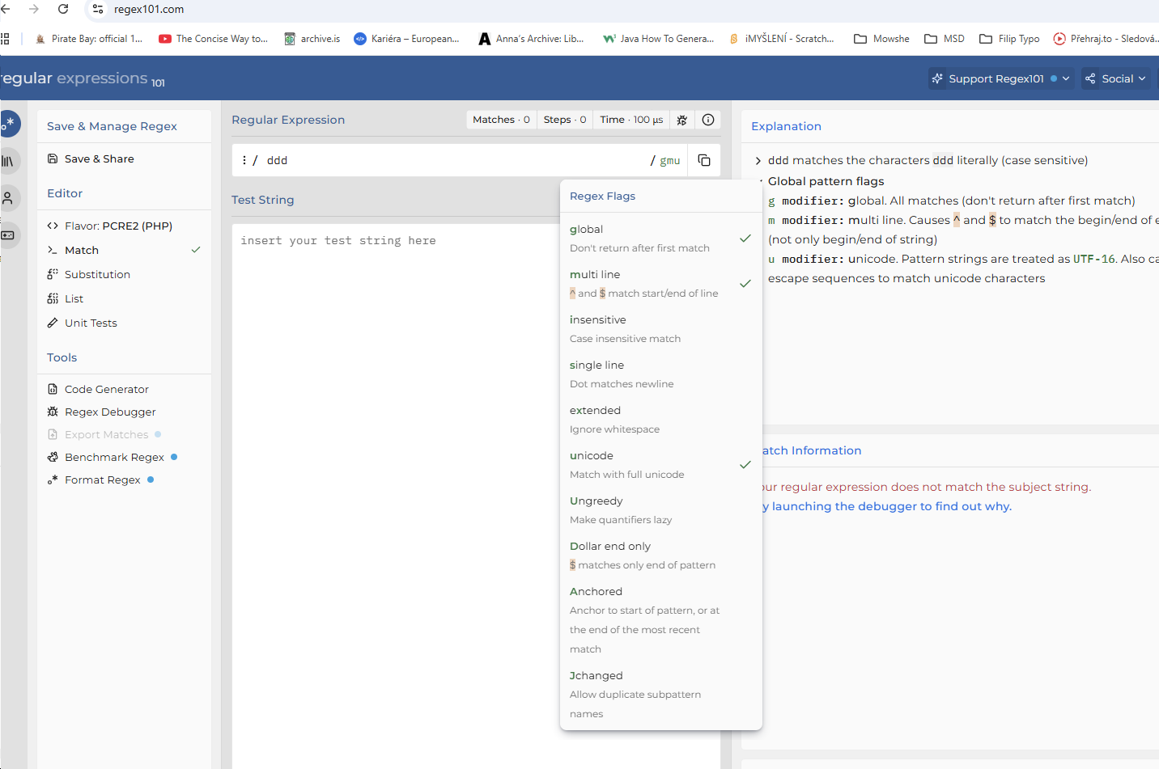
add test entru není exit

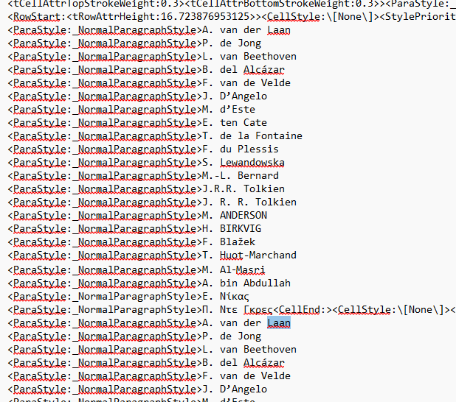

 | 7 tis. € (Czech, Slovenian)
 | 7 tys. € (Polish)
 | 20 mil. € (many languages)
 | 11 млн. (Bulgarian)
 | 8 mio. (Danish)
 | 210 miljard = 210 mld. (Dutch)
 | 24 Mio. (German)
 | 30 τρισ. (Greek)
 | 8 mrd (Hungarian)
 | 12 tūkst. (Lithuanian, Latvian)
 | 20 tn (Swedish)
 | 6 tuh (Estonian)
 | 1 tril., 1 mie, 10 mii, 1 milion (Romanian)
 | 2kg | all languages
 | 2kg
 | 2kg
 | 2kg
 | 2kg
 | 2kg

