Home
1 | It Should be WebSite Name Not Address . . .
 | And every clicking menu give ununiform title page name.
 | eg- Home-www.FutureResidency.com
 | Menu-menu
 | Review-Review
 | …

2 | When visited on every Menu click, It should change Visited color or something color design
 | (With this, user can only see where they are now instantly)

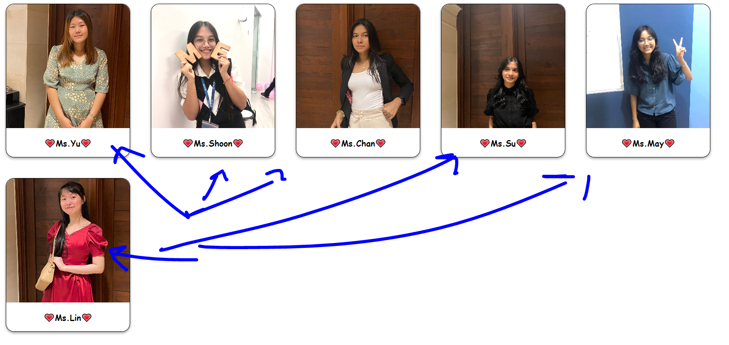

 | On Picture hover, it should make highlight or something faded design.
 | (Users might think that Here is silently static and so boring on seeing images)

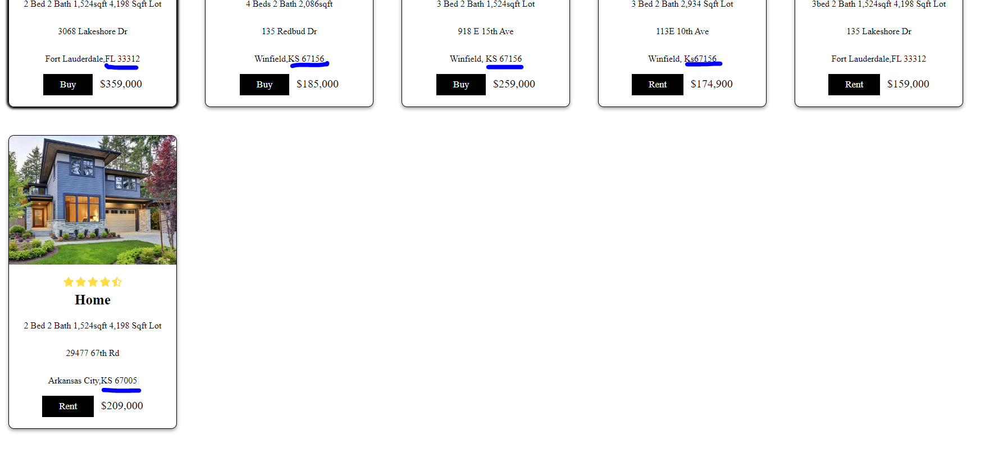

 | It should be format uniformly
 | (eg KS 1000 , KS1000 ) Spaces are alternately consisting ., . .

1 | Copy right format is wrong
 | *** check in other portal. | V

2 | if you put AM/ PM no need 0 leading .. .
 | eg=> 00:00 with this 24 hours format user can know AM or PM
 | For now, it should be 8:00 AM To 9:00 PM
 | or
 | 08:00 to 21:00

3 | It should remove Our . . .

4 | It should be lower case for gmail address.

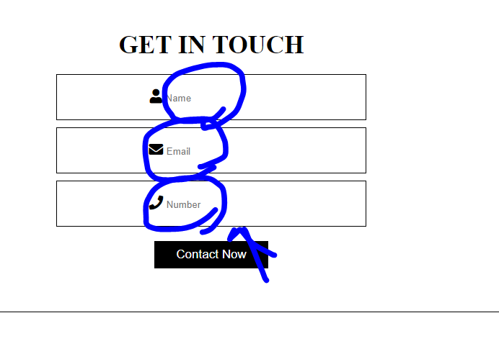

 | Affected Area should be widen.
 | In other words,
 | The visitors can easily touch and inut enable on anywhere of "Name Input Box", and others.
 | Currently, users can feel disatifaction because of tiny area of input field . . .
 | If not, how about when you visit a website and very small input field when using in Mobile device
 | You might feel dissy . ..

