Flow
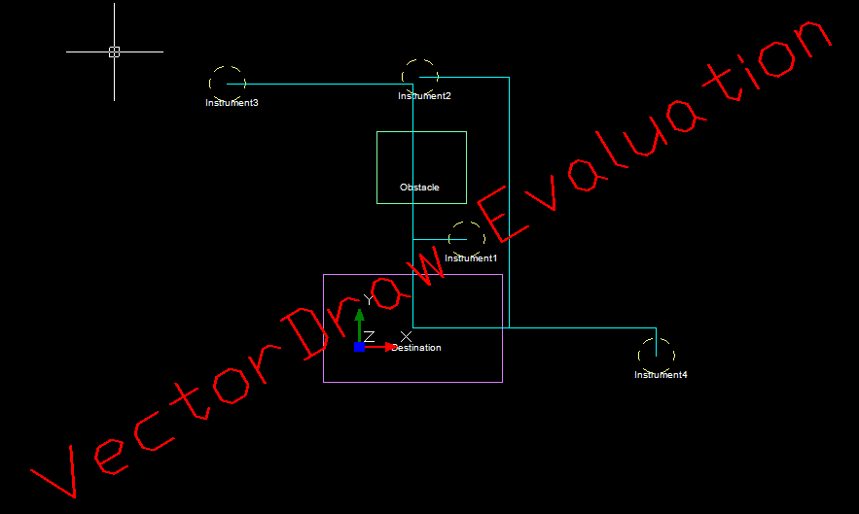
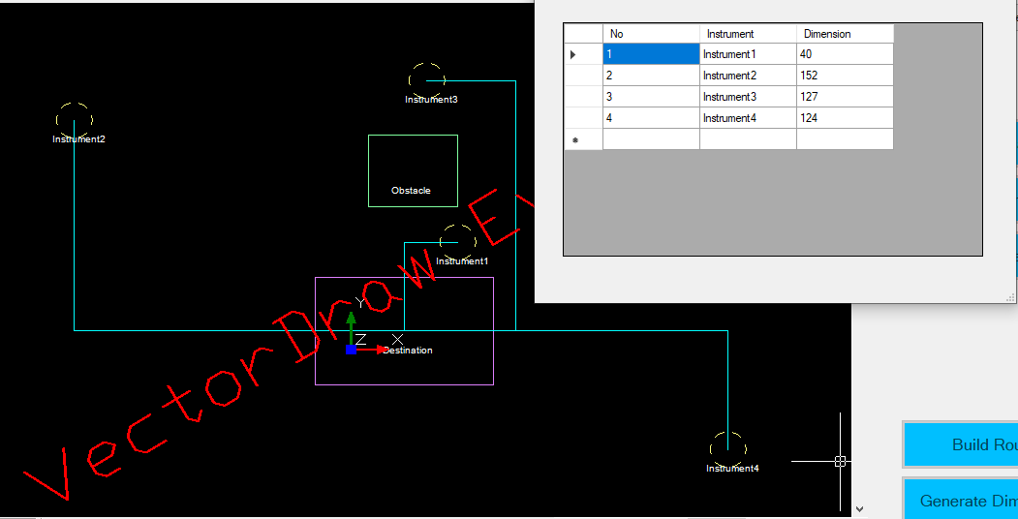
Start
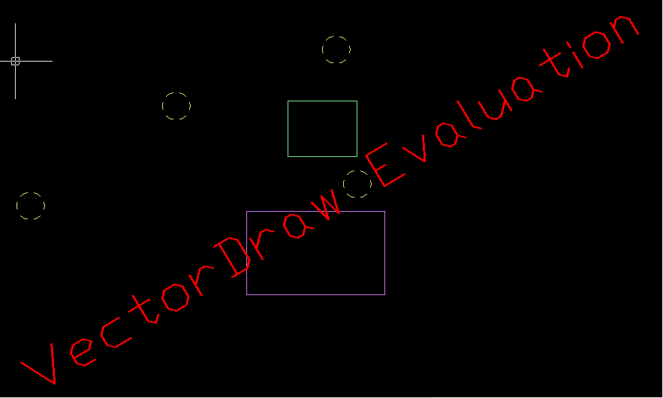

Manual Setting for Objects

Read and
Create Routing processing

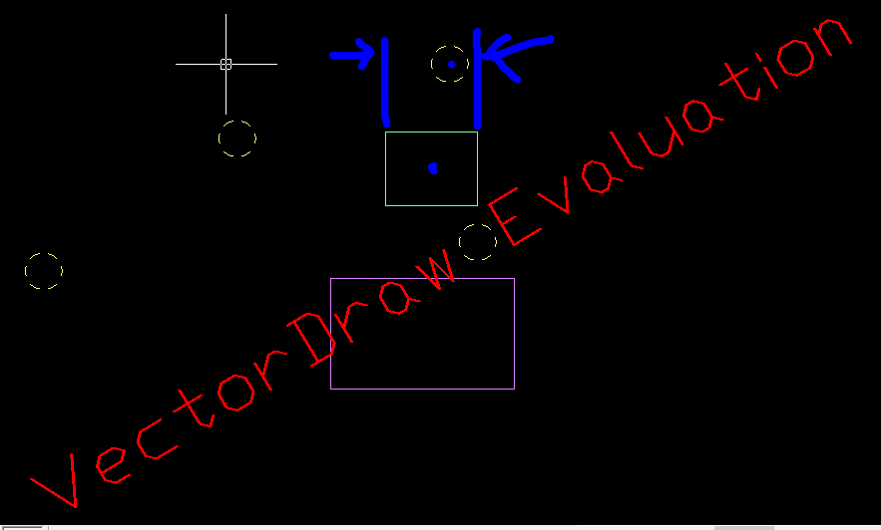

Check 4 Instrument, 1 Destination, 1 Obstacle

 |  |  |  | The builld routing is being processed by these decisions step by step
 |  |  |  |  |  |  |  | Yes

Check Obstacle's height/Width is inside in Instrument's Center
Check whether first segment should be vertical or horizontal
 |  |  |  |  |  |  |  |  | No
 |  |  | No
 |  |  |  |  |  |  | Is Vertical

 | Yes |  |  |  | IsHorizontal

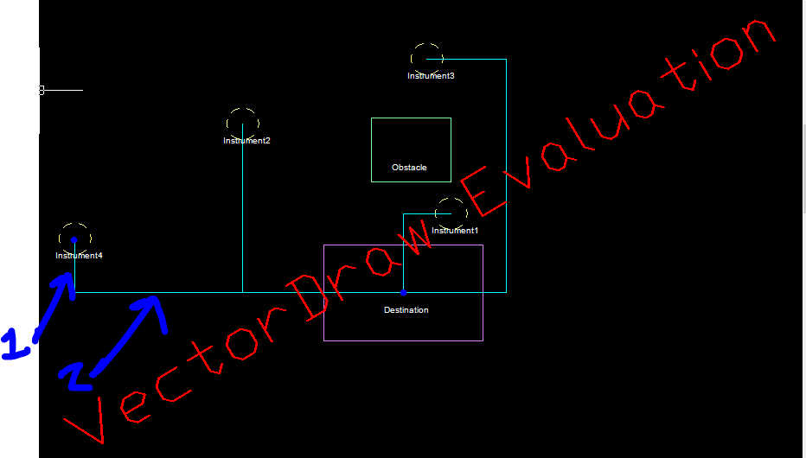
Check 3 segments
Check second segment is inside Obstacle

Generate Dimension
 |  |  | No

 |  |  |  |  |  |  | No

 |  |  |  |  |  | Yes

Change reverse route
 | Yes

Draw 3 Segment
Draw 2 Segment

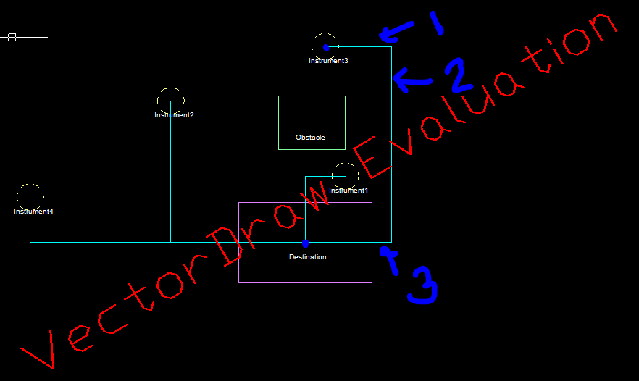

Store Segment Dimension
Display Dimension

eg . . . | 1 | instrument1 |  |  |  | 10
 | 2 | instrument2 |  |  |  | 20
 | 3 | instrument3 |  |  |  | 30
End
 | 4 | instrument4 |  |  |  | 40 |  |  |  | In other words, there is an obstacle or not between them.

Flow1
Start

Manual Setting for Objects

Read and
Create Routing processing

Check 4 Instrument, 1 Destination, 1 Obstacle

Check Obstacle's height/Width is inside in Instrument's Center
Check whether first segment should be vertical or horizontal

Check second segment is inside Obstacle
Check 3 segments

Generate Dimension

Change reverse route

Draw 3 Segment
Draw 2 Segment

Store Segment Dimension

Display Dimension

End

