3) Steps Description & Example
Step # | Step Description | Source data value | Example

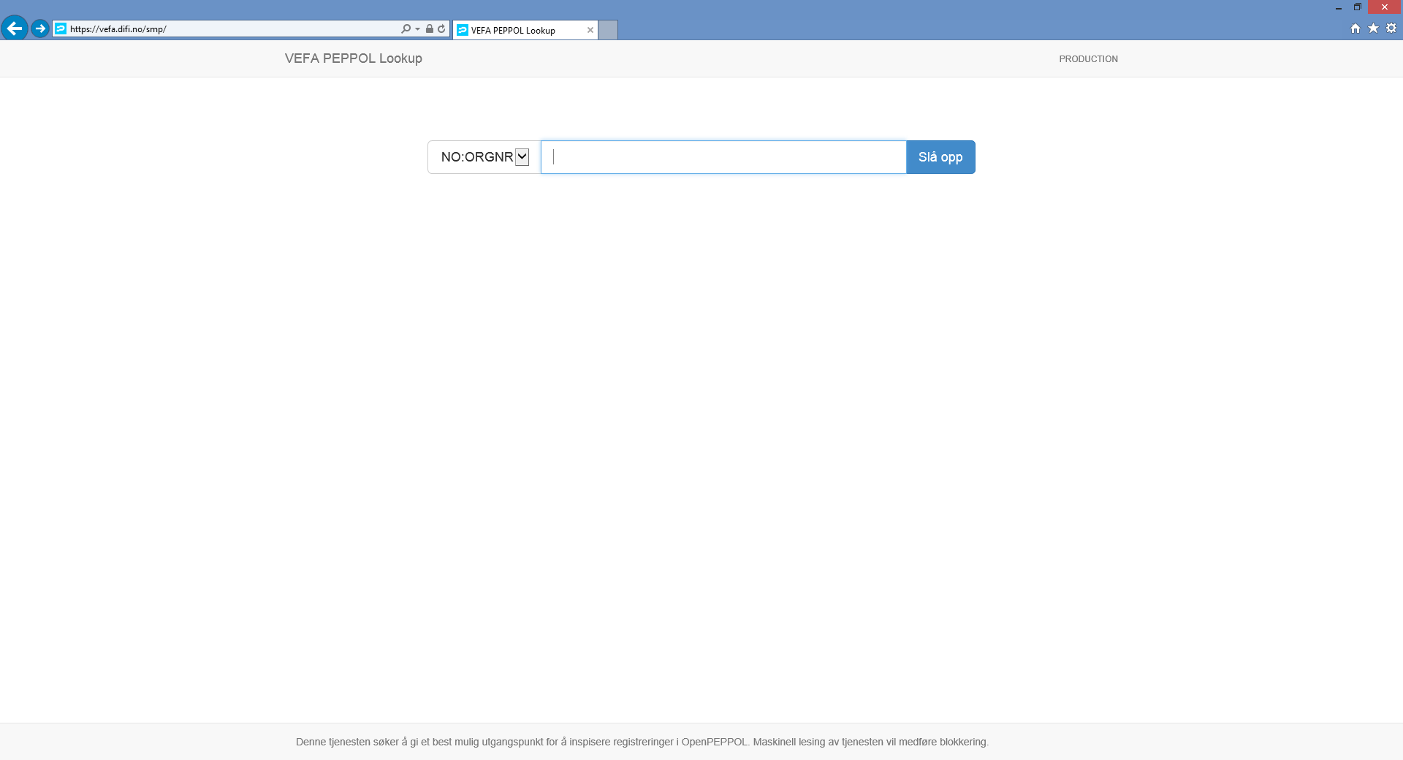
1 | Go to URL https://vefa.difi.no/smp/ | N/a

 | Alternatively use vefa-peppol/peppol-lookup/
 | Using BDXL in production mode.
 | https://github.com/difi/vefa-peppol/tree/master/peppol-lookup

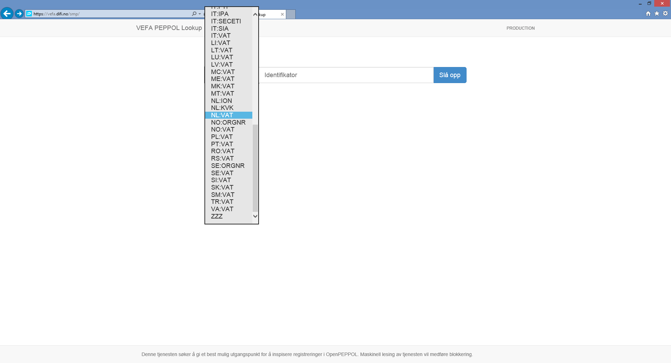
2 | Select scheme ID (Input Sheet > Input: Scheme ID) | NL:VAT

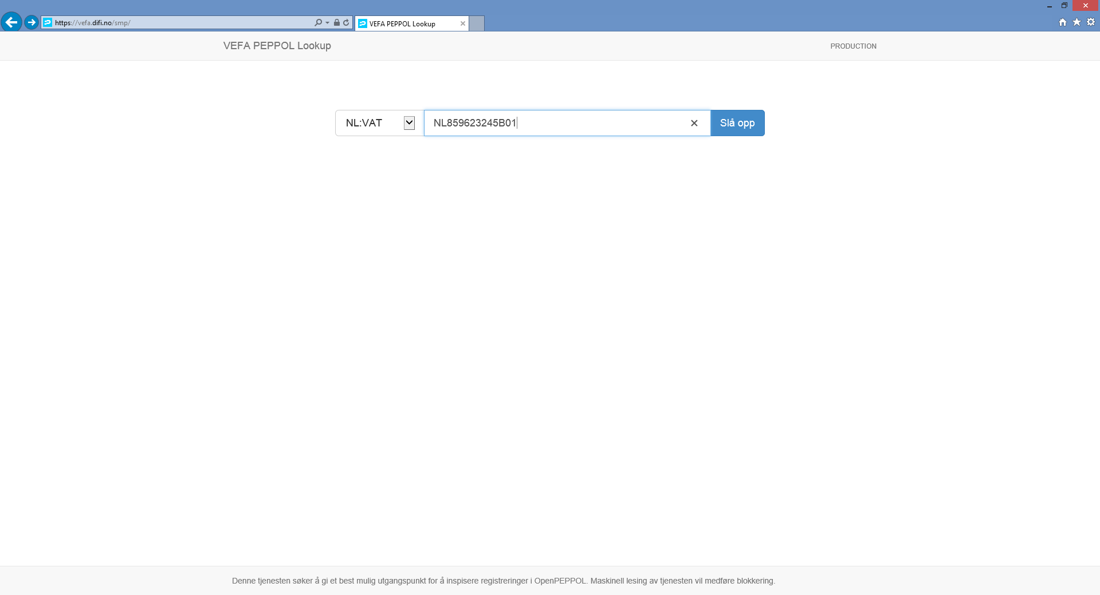
3 | Enter search value (Input sheet > Input: Search Value) | NL859623245B01

4 | Execute search by confirming with Enter key or Slå opp button | N/a

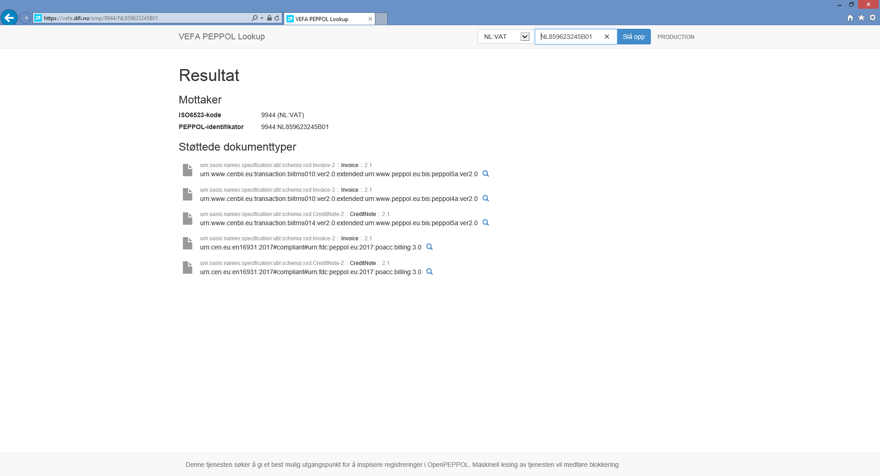
5 | Return values:

a | ISO6523-kode | 9944 (NL:VAT)

b | PEPPOL-identifikator | 9944:NL859623245B01

c | Støttede dokumenttyper | urn:oasis:names:specification:ubl:schema:xsd:Invoice-2 :: Invoice :: 2.1 urn:www.cenbii.eu:transaction:biitrns010:ver2.0:extended:urn:www.peppol.eu:bis:peppol5a:ver2.0 

 |  | urn:oasis:names:specification:ubl:schema:xsd:Invoice-2 :: Invoice :: 2.1 urn:www.cenbii.eu:transaction:biitrns010:ver2.0:extended:urn:www.peppol.eu:bis:peppol4a:ver2.0

 |  | urn:oasis:names:specification:ubl:schema:xsd:CreditNote-2 :: CreditNote :: 2.1 urn:www.cenbii.eu:transaction:biitrns014:ver2.0:extended:urn:www.peppol.eu:bis:peppol5a:ver2.0

 |  | urn:oasis:names:specification:ubl:schema:xsd:Invoice-2 :: Invoice :: 2.1 urn:cen.eu:en16931:2017#compliant#urn:fdc:peppol.eu:2017:poacc:billing:3.0

 |  | urn:oasis:names:specification:ubl:schema:xsd:CreditNote-2 :: CreditNote :: 2.1 urn:cen.eu:en16931:2017#compliant#urn:fdc:peppol.eu:2017:poacc:billing:3.0

