Sheet1
Magnets are 2in deep, 1in high |  | Results are normalized to 1 inch wide configuration for comparison |  |  | simulation results
m/s | width in inch | drag in N | lift in N | lift/drag | drag | lift
10 | 1 | 116 | 130 | 1.1
 | 2 | 164 | 231 | 1.4 | 327 | 462
 | 3 | 147 | 227 | 1.5 | 441 | 680
 | 5 | 100 | 169 | 1.7 | 501 | 845
 | 8 | 57 | 108 | 1.9 | 459 | 861
50 | 1 | 96 | 270 | 2.8
 | 2 | 98 | 388 | 4.0 | 196 | 775
 | 3 | 75 | 358 | 4.8 | 225 | 1075
 | 4 | 46 | 266 | 5.8 | 229 | 1330
 | 8 | 26 | 178 | 6.7 | 211 | 1420
100 | 1 | 77 | 316 | 4.1
 | 2 | 78 | 430 | 5.5 | 155 | 860
 | 3 | 59 | 389 | 6.6 | 176 | 1166
 | 5 | 34 | 283 | 8.3 | 170 | 1416
 | 8 | 18 | 189 | 10.3 | 147 | 1510

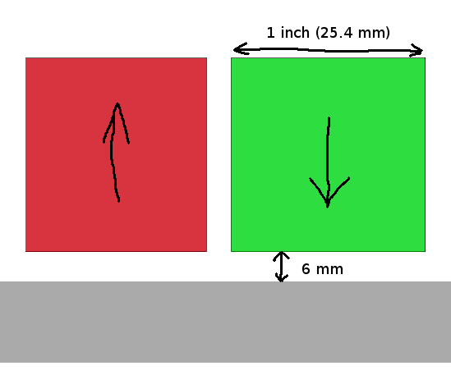
 | - mass of two 1x1x2 in³ magnets is about 0.5 kg = 5 N
 | - 2 inch wide magnets have highest total lift
 | - lift/drag ratio increases with magnet width

