Read me
METHODOLOGY TOOL
VERSION v.1.0
PUBLICATION DATE 14.12.2021
How to use the tool
Step 0 | Enter project ID and current project status

Step 1 | Select project type from default list. The inbuilt drop list of project types that are covered in this tool.

Step 2 | Select the method i.e., Impact Area/ category or Sustainable Development Goal from dropdown list that user would like to follow for monitoring indicator selection. Select Impact Area/ category or Sustainable Development Goal of interest from dropdown list to assess sustainable development contribution assessment of the ProJet. The user must follow the same selection method i.e., Impact Area/ category or Sustainable Development Goal for all monitoring indicators. | 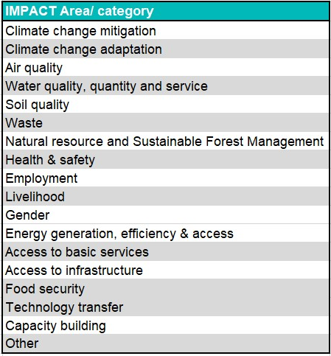

Step 3 | Select the monitoring indicator from dropdown list. The tool will populate the list of default monitoring indicators as per user's selection of Impact Area/ category or Sustainable Development Goal. Repeat Step 3 for other indicators that user would like to assess following red arrows. The tool provides space for maximum 10 indicators selection.

Step 4 | Read the guidelines to design the monitoring and reporting plan for selected indicators. Guidelines provides user a snapshot of _ Relevant Impact indicator, SDG, SDG targets _ purpose of the indicator _ how assessment and monitoring should be conducted, _ limitations associated with the parameter for example minimum monitoring requirements, where applicable _ other reference sources for further details that could be useful for decision making

Step 5 | Complete the project level assessment to quantify the sustainable development contributions for selected monitoring indicator. |  | 