Sheet1
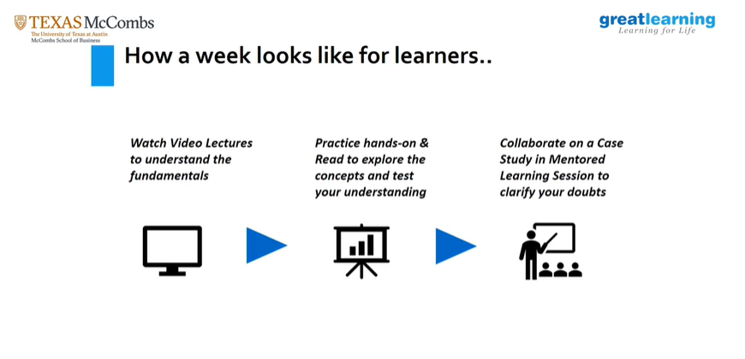
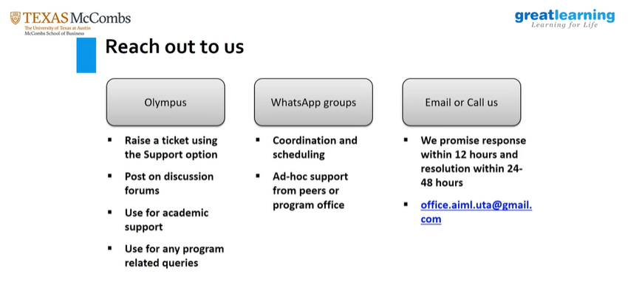
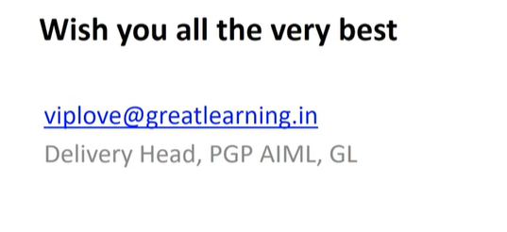
Olympus > Dashboard > Activities > Ongoing/Upcoming | https://olympus.mygreatlearning.com/dashboard

