category
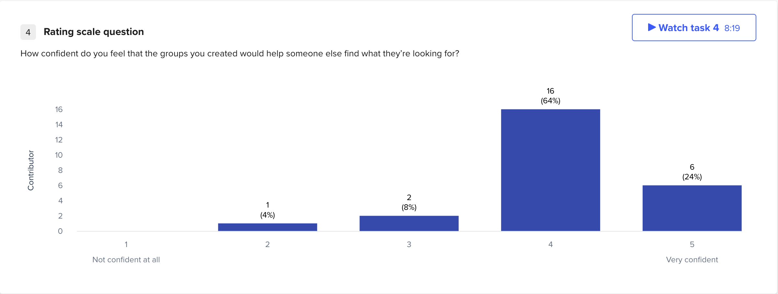
Were there any categories that you found difficult to name or define? If so, which ones and why? | anemcarou | Audi2003 | Cheeqah | cheetah87 | christianwifettc | drev | fjleon | hgoldz22 | Kdawg1196 | kentle387 | Ladyred73 | LocaLady | marieski22 | mcstuffin | Nmdexpick | RedtintJ | rovin2000 | Sabhartz | screege | Silversky | Skippy2001 | StellaStar | The Handy BA | tifchi5414 | yardgnome736 | Total
 |  |  |  |  |  |  |  |  |  | Acccount vs. general |  |  | all of them |  | credit score vs. benefit | security | Other questions |  | Login and account |  |  |  | account and questions about pre payment
 |  |  |  |  |  |  |  |  |  |  |  |  | others, account setting, loan and payment info, navigation help

