Sheet1
Image | PubChem CID | n | ΔE [V]
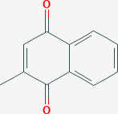 | 4055 | 2 | 0.68
 | 5766 | 2 | 0.88
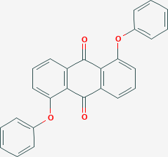 | 6699 | 2 | 1.09
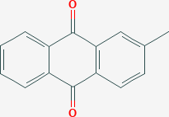 | 6773 | 2 | 0.43
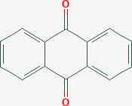 | 6780 | 2 | 0.47
 | 8530 | 2 | 0.74
 | 8718 | 2 | 0.82
 | 10281 | 2 | 0.81
 | 10688 | 2 | 0.82
 | 11122 | 2 | 0.89
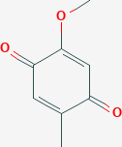 | 11958 | 2 | 1.03
 | 18771 | 2 | 1.27
 | 68238 | 2 | 0.67
 | 68241 | 2 | 0.82
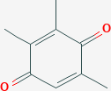 | 70291 | 2 | 0.75
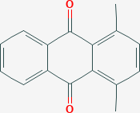 | 73698 | 2 | 0.35
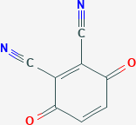 | 78362 | 2 | 2.08
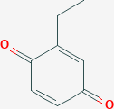 | 78494 | 2 | 0.89
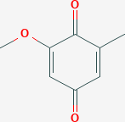 | 101355 | 2 | 1.11
 | 138558 | 1 | -0.11
 | 212470 | 2 | 1.42
 | 223813 | 2 | 0.84
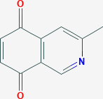 | 265508 | 2 | 0.84
 | 297370 | 2 | 0.83
 | 346879 | 2 | 0.4
 | 388306 | 2 | 1.29
 | 599944 | 2 | 0.84
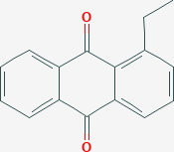 | 616789 | 2 | 0.42
 | 2764161 | 2 | 0.53
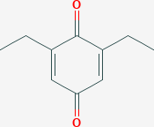 | 2818090 | 2 | 0.83
 | 10154120 | 2 | 1.18
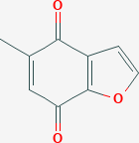 | 10419488 | 2 | 0.94
 | 10986586 | 2 | 0.87
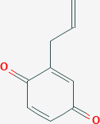 | 11029986 | 2 | 0.92
 | 11040862 | 3 | 0.63
 | 11228886 | 2 | 0.88
 | 11309532 | 2 | 1.04
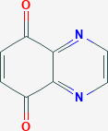 | 11355645 | 2 | 1.69
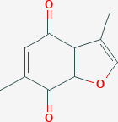 | 11805258 | 2 | 0.94
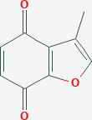 | 12078641 | 2 | 0.98
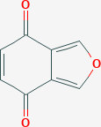 | 12209139 | 2 | 0.61
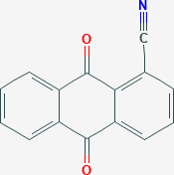 | 12344381 | 2 | 1.02
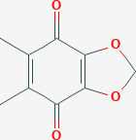 | 12488903 | 2 | 1.11
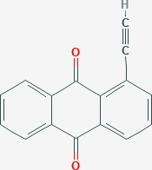 | 12506460 | 2 | 0.79
 | 12527779 | 4 | 1.18
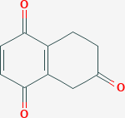 | 12587549 | 3 | 0.55
 | 12635763 | 2 | 0.54
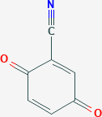 | 12754795 | 2 | 1.54
 | 12838779 | 2 | 1.22
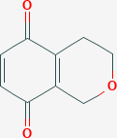 | 12913941 | 2 | 0.89
 | 13182761 | 2 | 0.65
 | 13839673 | 2 | 1.12
 | 14080455 | 2 | 1.25
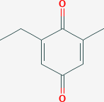 | 14289169 | 2 | 0.83
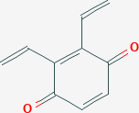 | 14642912 | 2 | 1.08
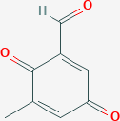 | 15269886 | 3 | 0.95
 | 15321799 | 2 | 0.87
 | 15699186 | 2 | 1.01
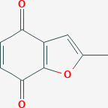 | 15736817 | 2 | 0.97
 | 17981306 | 2 | 1.5
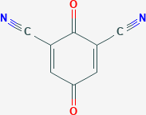 | 20443080 | 2 | 1.78
 | 21099940 | 3 | 0.83
 | 22489347 | 2 | 0.89
 | 23115907 | 2 | 1.3
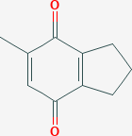 | 23162507 | 2 | 0.81
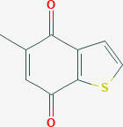 | 24973987 | 2 | 0.8
 | 44131424 | 2 | 0.99
 | 45079186 | 2 | 1.28
 | 45082930 | 3 | 0.98
 | 53700101 | 2 | 1.32
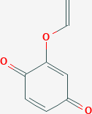 | 56972288 | 2 | 1.17
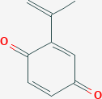 | 57123206 | 2 | 0.94
 | 57194585 | 3 | 0.65
 | 59350869 | 2 | 0.86
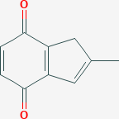 | 59350876 | 2 | 0.86
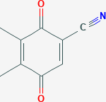 | 66787266 | 2 | 1.41
 | 67210468 | 2 | 1.26
 | 68487052 | 2 | 1.36
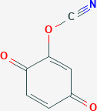 | 70407085 | 2 | 1.58
 | 70500537 | 2 | 1.2
 | 71362029 | 2 | 1.47
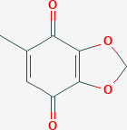 | 73507565 | 2 | 1.11
 | 86210053 | 2 | 2.01
 | 89324826 | 2 | 1.32
 | 102160488 | 3 | 0.96
 | 102182508 | 2 | 1.17
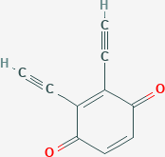 | 129812261 | 2 | 1.56
 | 129814774 | 2 | 1.39
 | 130027375 | 2 | 1.39
 | 130029656 | 2 | 1.45
 | 130029677 | 2 | 1.39
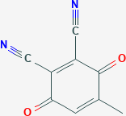 | 130029688 | 2 | 2.03
 | 130412007 | 2 | 0.88
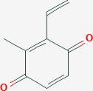 | 134204124 | 2 | 0.98
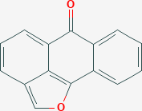 | 140650304 | 1 | 0.5
 | 141161619 | 3 | 1.26
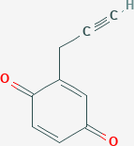 | 141265078 | 2 | 1.14
 | 141333781 | 2 | 1.13
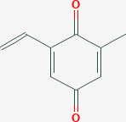 | 141345307 | 2 | 0.9
 | 152386883 | 2 | 1.31

