FormA_Template
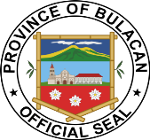
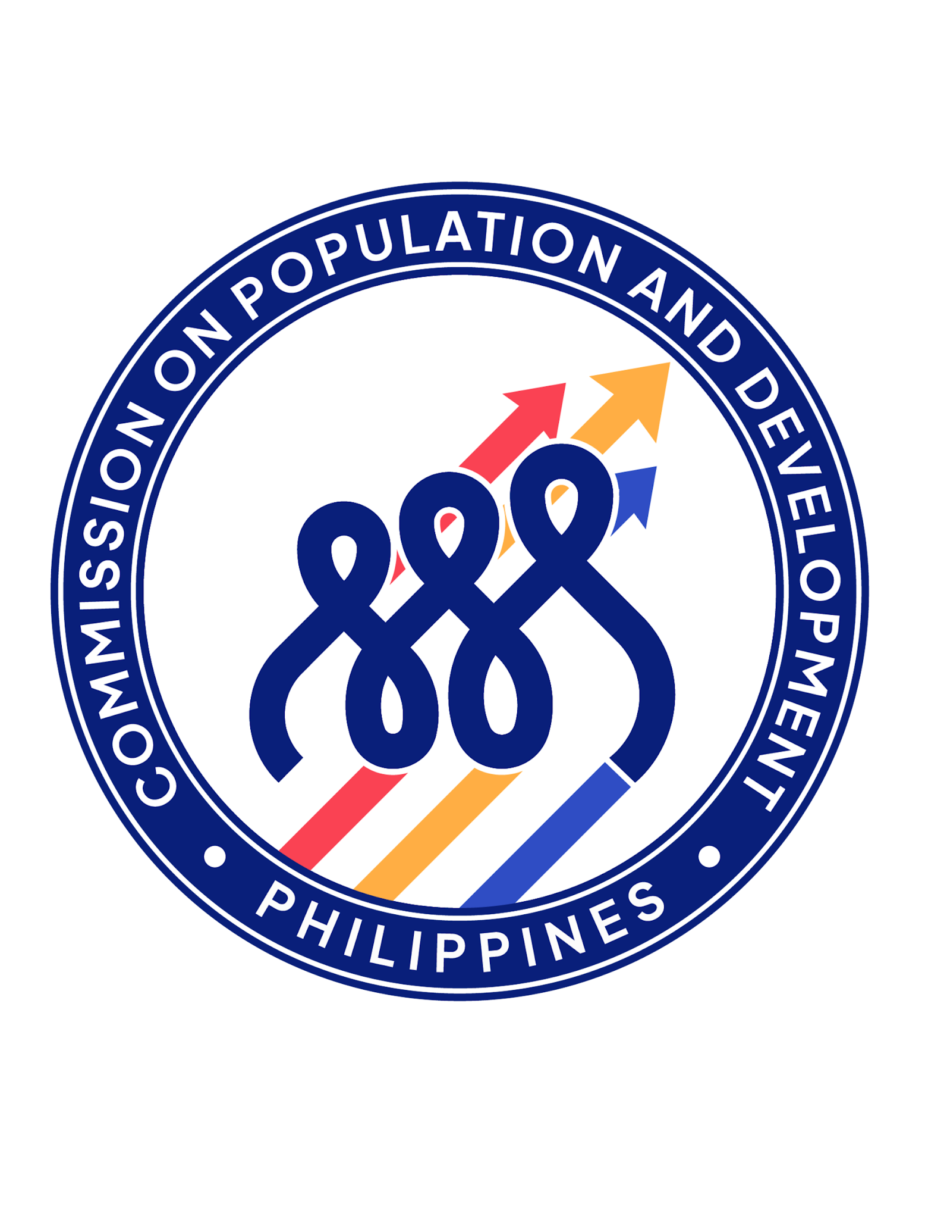
Republic of the Philippines
Province of Bulacan
Provincial Social Welfare and Development Office

Responsible Parenthood and Family Planning (RPFP)

FORM A

Month | No. of Classes Held |  |  |  |  |  |  | TOTAL | No. of Target Couples | No. of Individuals of Reproductive Age Reached |  |  |  |  |  |  | TOTAL | Solo/Couple Disaggregation
 | 4Ps | Non-4Ps | USAPAN | PMOC | House to House | Profiled | Others |  |  | 4Ps | Non-4Ps | USAPAN | PMOC | House to House | Profiled | OTHERS |  | Solo Attendees |  | TOTAL(Solo Attendees) | TOTAL (Couple Attendees)
 |  |  |  |  |  | only |  |  |  |  |  |  |  |  | Only |  |  | Male | Female
January
February
March
Sub-total
April
May
June
Sub-total
July
August
September
Sub-total
October
November
December
Sub-total
Grand Total

