Modelagem
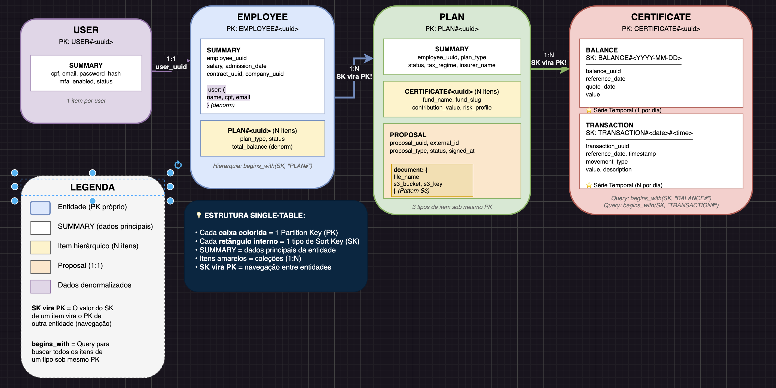
Entidade | Padrões de acesso | Operação | PK | SK | Parâmetros Especiais
Employee | Buscar dados do employee | GetItem | EMPLOYEE#<uuid> | SUMMARY
 | Listar todos os planos de um employee | Query | EMPLOYEE#<uuid> | PLAN# | begins_with(PLAN#)
 | Informações completas do employee (dados + planos) | Query | EMPLOYEE#<uuid> | (todos os SKs)
Plan | Buscar certificado específico do plano | GetItem | PLAN#<uuid> | CERTIFICATE#<uuid>
 | Buscar documento da proposta | GetItem | PLAN#<uuid> | PROPOSAL#DOCUMENT
 | Listar certificados de um plano | Query | PLAN#<uuid> | CERTIFICATE# | begins_with(CERTIFICATE#)
 | Detalhes completos do plano | Query | PLAN#<uuid> | (todos os SKs)
Certificate | Buscar ÚLTIMO saldo (Query Reversa) | Query | CERTIFICATE#<uuid> | BALANCE# | begins_with(BALANCE#) ScanIndexForward=false, Limit=1
 | Buscar saldos de um mês específico | Query | CERTIFICATE#<uuid> | BALANCE# | SK BETWEEN BALANCE#2025-11-01 AND BALANCE#2025-11-30
 | Buscar saldos dos últimos | Query | CERTIFICATE#<uuid> | BALANCE# | SK >= BALANCE#2025-09-01
 | Últimas 10 transações de um certificado | Query | CERTIFICATE#<uuid> | TRANSACTION# | begins_with(TRANSACTION#) ScanIndexForward=false, Limit=10
 | Listar transações de um período de um certificado | Query | CERTIFICATE#<uuid> | TRANSACTION# | SK >= TRANSACTION#2025-11-01 AND SK <= TRANSACTION#2025-11-30#235959

 |  | Query, GetItem, Scan

