READ ME
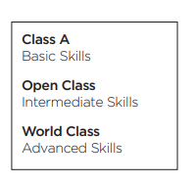
DISCLAIMER:
All data in this spreadsheet is considered STRICTLY CONFIDENTIAL and for INTERNAL USE ONLY. DO NOT SHARE this document or the data contained within to anyone without the express permission from the Executive or Ensemble Directors. Do not export copies of the spreadsheet or the data contained within. Do not export any graphics within this spreadsheet. Take care that your device is properly secured and not left exposed to auditionees or unauthorized users. When in use, take care to conceal your screen out of respect and privacy for the auditionees and other staff members. Failure to abide by these rules may result in disciplinary action and / or harm the Infinity Percussion Organization, its staff, and members.

How-To Use this Audition Worksheet:
- Navigate to your assigned sheet by sliding along the bottom, or using the menu on the bottom left of the screen

- Enter scores for each auditionee. Note the guidelines at the top of the page.
-Take notes on auditionees for later reference in the "Notes" section on your page
- NOTE: You may filter by name, instrument, etc.
- Reference the "READ ME" page for guidance on each scoring category.

- If you need more info on an auditionee, you may read their full experience description on the "ROSTER" page

- Authorized users may select "Contract / Callback", assign auditionees to instruments, and assign auditionees to ensembles on the "MAIN" tab.
- NOTE: Please fill out this info for every auditionee, as these selections populate the final rosters.

- All users may view results.
 | - "MAIN" contains the "raw" data from all user's score sheets. Every user will have read access to view score data.
 | - "FINAL ROSTERS" contains an overview of the assigned auditionees for each auditionee. These can be printed in landscape orientation for EXTERNAL ANNOUNCMENTS.
 | - "i1" "i2" and "i3" roster sheets contain more in-depth detail of assigned auditionees, for INTERNAL USE ONLY.
 | - "RANKS" contain graphics for each instrument illustrating the scores of all auditionees, for INTERNAL USE ONLY.

- Questions? Problems? Contact Tony Camarano on Slack.

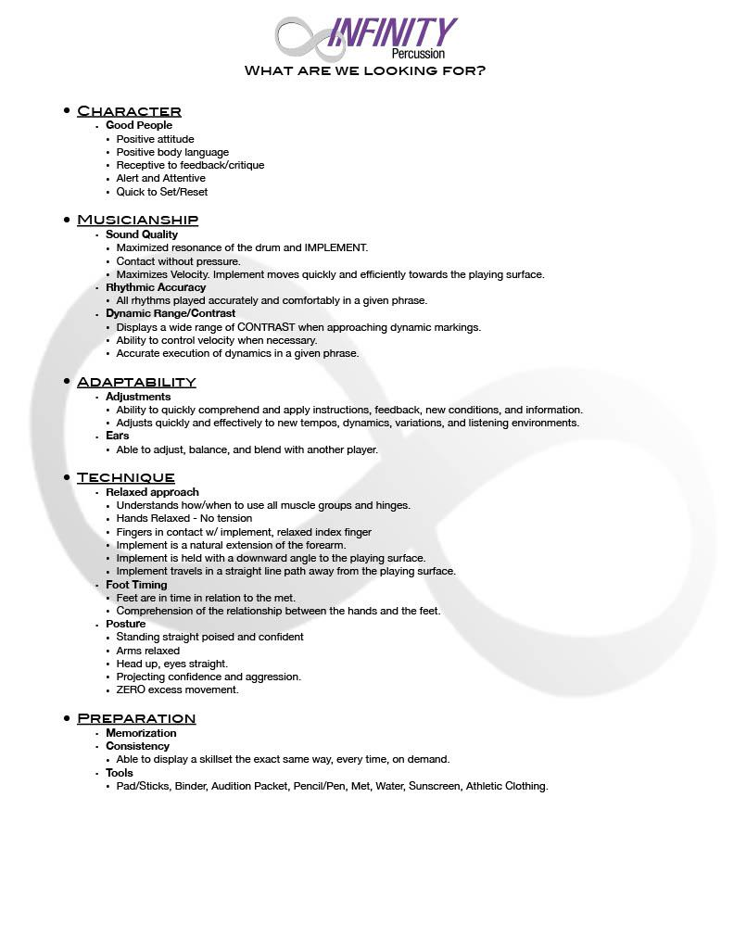

Guidelines for score ratings: 3 = Advanced Skill / Consistently Achieves / WORLD Class 2 = Intermediate Skill / Frequently Achieves / OPEN Class 1 = Basic Skill / Sometimes Achieves / A Class 0 = Little Skill / Rarely Achieves / Not Ready

