resultados
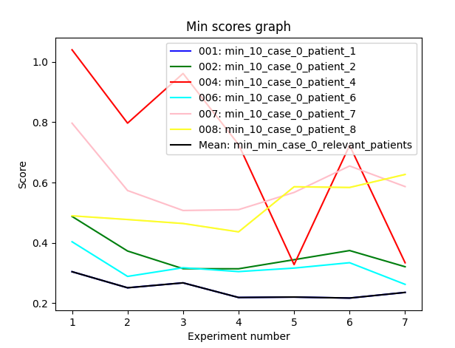
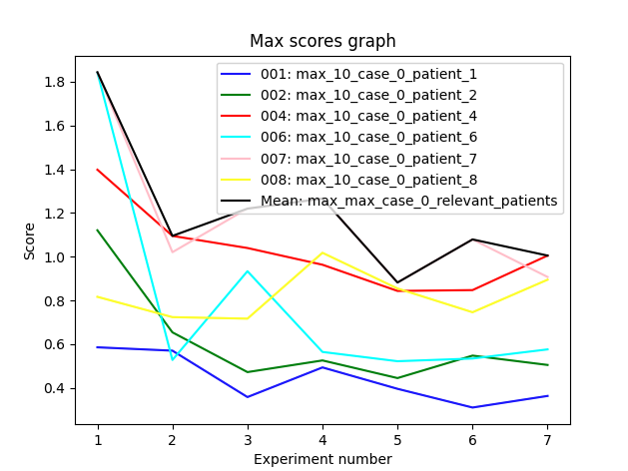
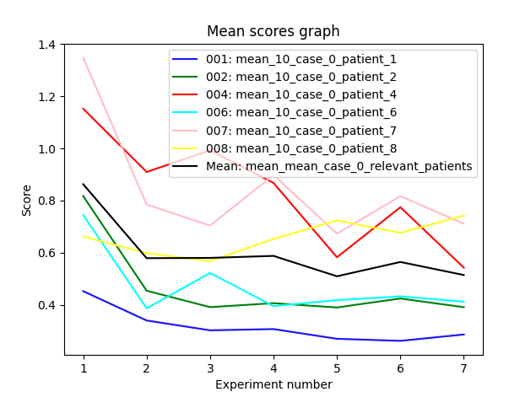
L010

paciente 7
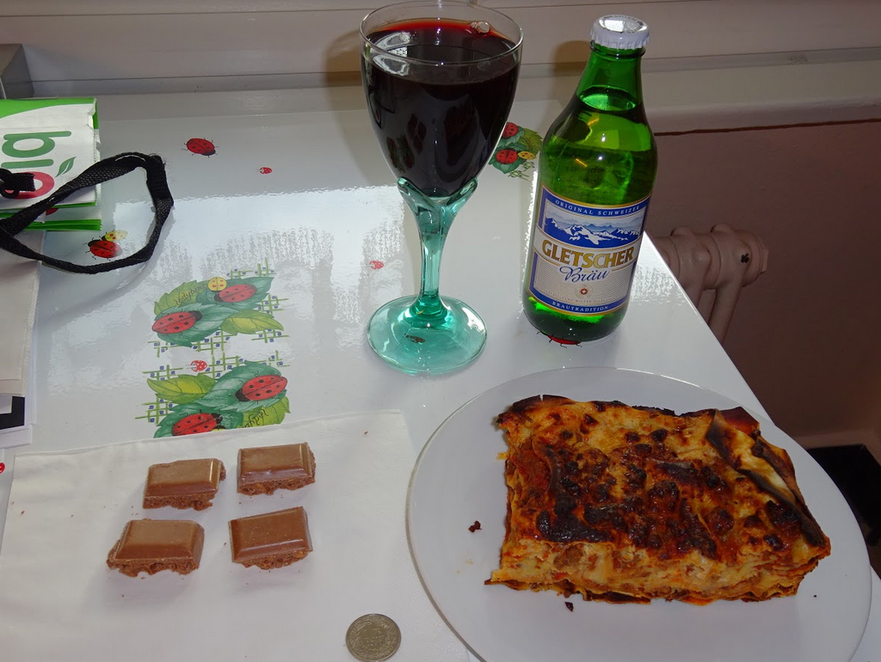
picture | description | calories | balance | quality | datetime
001.jpg | Cantaloupe and couscous | 375 | Unbalance | Good quality | 2015:05:21 11:38:37 | preprecomida
002.jpg | Tomatoes salad with feta and bread | 1137 | Unbalance | Good quality | 2015:05:21 11:55:34 | precomida
003.jpg | Hamburguer, zuchinni and red wine | 434 | Unbalance | Good quality | 2015:05:21 12:35:42 | comida
004.jpg | Wholegrain bread and milkchocolate | 304 | Unbalance | Medium quality | 2015:05:21 16:24:04 | merienda
005.jpg | wienerschnitzel, potatoes, coliflower, carrots, bread and beer | 1691 | Unbalance | Medium quality | 2015:05:21 21:34:39 | cena
006.jpg | Wholegrain bread, butter and coffee | 314 | Unbalance | Good quality | 2015:05:22 08:08:07 | desayuno
007.jpg | Wholegrain bread with flaxseeds | 183 | Unbalance | Good quality | 2015:05:22 11:25:46 |  | falta comida
008.jpg | Farmer cerealbar and sinergy pills | 420 | Unbalance | Low quality | 2015:05:22 17:53:17
009.jpg | Lasagne, wine and chocolate | 919 | Unbalance | Low quality | 2015:05:22 19:22:10 | cena de dia?
010.jpg | Wholegrain bread, brie cheese and kiwi and coffee | 433 | Balance | Good quality | 2015:05:23 06:54:03 | desayuno
011.jpg | Couscous, watermelon and tomato salad and ham with bread | 1193 | Unbalance | Good quality | 2015:05:23 11:51:25
012.jpg | Chocolate and coffee | 356 | Unbalance | Medium quality | 2015:05:23 14:38:07 | café media mañana
013.jpg | Sinergy pills and olive crackers | 303 | Unbalance | Low quality | 2015:05:23 17:12:34 | precomida
014.jpg | Vegetable soup,black bread and ham. m&m package and wine | 540 | Balance | Low quality | 2015:05:23 17:50:14 | comida?
015.jpg | Crackers | 394 | Unbalance | Low quality | 2015:05:23 20:35:02 | precena
016.jpg | Salad with fried goat cheese | 735 | Unbalance | Good quality | 2015:05:23 21:17:23 | cena
017.jpg | Wholegrain bread with kiwi and coffee | 163 | Unbalance | Good quality | 2015:05:24 08:25:26 | desayuno
018.jpg | Croissant and chocolate | 206 | Unbalance | Low quality | 2015:05:24 09:32:45 | desayuno2
019.jpg | Cracker and spiral bread | 380 | Unbalance | Low quality | 2015:05:24 12:09:42 | desayuno3
020.jpg | Cantaloupe with ham and pink wine | 193 | Unbalance | Good quality | 2015:05:24 12:37:51 | tapa
021.jpg | Pork with potatoes pure and sauce with harricots and ham | 795 | Unbalance | Medium quality | 2015:05:24 13:14:25 | comida
022.jpg | Stracciatela and caramel icre cream | 555 | Unbalance | Low quality | 2015:05:24 15:11:05 | comida
023.jpg | Lasagne and carrots with wine | 555 | Unbalance | Low quality | 2015:05:24 20:17:24 | cena

 |  |  |  |  |  | 3 comida
 |  |  |  |  |  | 4 cenas
 |  |  |  |  |  | 3 desayuno

