indicators
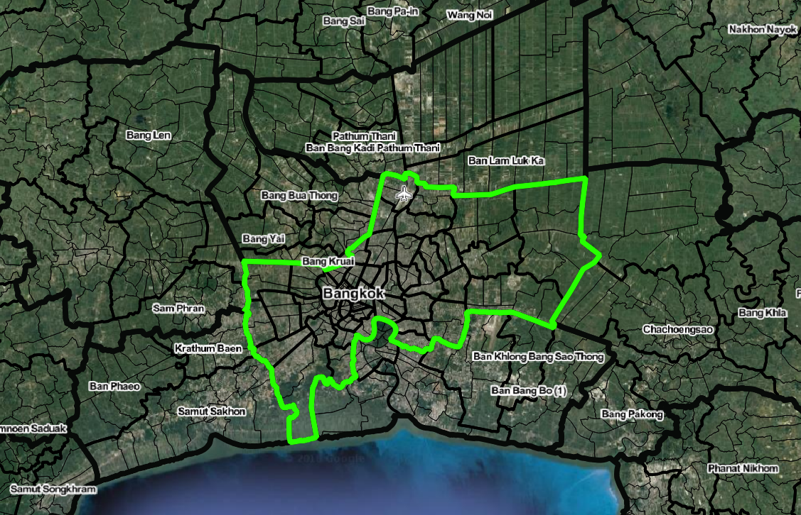
Priority | Indicator | Most useful measure
 |  |  | specific data | boundaries | census | population grid | OSM roads (?) | OSM points / polygons | BMA GIS data | Possible source | All Acquired? | questions | possible source | url
1 - immediate | Crime | Criminal cases per 100,000 persons | "crime" | x |  | x |  |  |  |  |  | Specific kind of criminal cases? (e.g. violent assaults? Traffic misdemeanours?)
1 - immediate | Tree coverage | Number of green areas | Vegetation data (NDVI) / BMA Parks? | x |  |  |  |  | x |  | ? | Number of green areas of particular size? Proportion of area with vegetation?
1 - immediate | Air quality | Nitrogen dioxide in the air (ppm) | Nitrogen dioxide | x |  |  |  |  |  | x |  | Interpolate surface using sample points? Annual average? | air quality and sound database | http://air4thai.pcd.go.th/webV2/ | http://air4thai.pcd.go.th/services/getNewAQI_JSON.php?stationID=03t | http://www.pcd.go.th/info_serv/pol2_stat2559.html | http://air4thai.pcd.go.th/webV2/history/
 | Air quality | Dust/suspended particles in the air – micrograms/m3 | Particulate matter |  |  |  |  |  |  | x |  |  | Pollution Control Department
1 - immediate | Water quality* | Number of canal water quality testing points showing dissolved oxygen content of ≥ 2.0 mL/L | testing locations | x |  |  |  |  |  | ?
1 - immediate | Water quality* | Number of floods per year | Historical Flood Analysis Tool | x |  |  |  |  |  | c | x |  | NASA MODIS Flood Map |  | https://floodmap.modaps.eosdis.nasa.gov/getTile.php?location=100E020N&day=337&year=2018&product=14 | https://floodtool-servir.adpc.net/en/map/
1 - immediate | Access to temples | Number of temples per district area | BMA / OSM | x |  |  |  | ? | x |  | ?
1 - immediate | Access to schools | Number of primary schools per 1,000 residents | school point data | x |  | x |  | ? |  |  | ?
1 - immediate | Access to schools | Number of secondary schools per 1,000 residents | school point data | x |  | x |  | ? |  |  | ?
1 - immediate | Waste management | Average volume (kg) per household of non-recyclable garbage | waste data | x |  |  |  |  |  | ?
1 - immediate | Sense of community | Ratio of community population to district population |  | x | x | x |  |  |  |  | ? | Is community the smaller administrative unit?
2 - medium-term | Sense of community | Unemployment rate | employment data | x | x | x |  |  |  | ?
2 - medium-term | Income | Average monthly household income | household income data | x | x |  |  |  |  |  |  | equivalised?
2 - medium-term | Education | Percentage of residents with a primary school education | SGIS has this data | x | x |  |  |  |  | x |  |  | http://mapserv.nso.go.th/geoserver/NSOGIS/wms?service=WMS&version=1.1.0&request=GetMap&layers=NSOGIS:HALLOWEENLAYER&SLD=http://statgis.nso.go.th/sld/INDPOP_SPK2/PGC1.sld&transparent=true&bbox=97.34369928895264,5.61273764237436,105.63702493555675,20.464925515841447&width=250&height=450&srs=EPSG:4326&format=image/png&viewparams=TABLE:INDPOP_SPK2_P;LVLCODE:PROV_CODE;LVL:P;MAPLEVEL:PROVINCE2552;IND:PGC1;YY:2543
2 - medium-term | Health | Average life expectancy | life expectency | x | x |  |  |  |  |  |  | National? Would much variation be expected across the BMA region?
2 - medium-term | Health | Number of cases of mental and behavioural disorders | burden of disease? disability survey? | x |  |  |  |  |  | ?
2 - medium-term | Health | Percentage of residents living and working in the same district | census? local employment demand? | x |  |  |  |  |  | ?
2 - medium-term | Health | Percentage of samples of food that is in accordance with health and hygiene standards | food contamination data? | x |  |  |  |  |  | ?
2 - medium-term | Traffic congestion | Number of vehicles per kilometre of city roads | traffic data? registrations? | x |  |  | x |  |  | ?
2 - medium-term | Sewerage* | Percentage of population with sewerage at their dwelling |  | x |  |  |  |  |  | ?
2 - medium-term | Areas for passive recreation and physical activity | Percentage of residents living < 400 m of public open space | BMA park data / OSM | x |  | x | x | ? | x |  | x
2 - long-term | Areas for passive recreation and physical activity | Percentage of residents living < 400 m of a large park (> 1.5 hectares) | BMA park data / OSM | x |  | x | x | ? | x |  | x
2 - long-term | Areas for passive recreation and physical activity | Percentage of residents living < 400 m of local park | BMA park data / OSM | x |  | x | x | ? | x |  | x
2 - long-term | Public transport | Percentage of residents living < 400 m of a local bus stop | BMA park data / OSM | x |  | x | x | ? | x |  | x
2 - long-term | Public transport | Percentage of residents living < 800 m of train station | BMA park data / OSM | x |  | x | x | ? | x |  | x
2 - long-term | Housing affordability | Percentage of land being used for informal housing |  | x
2 - long-term | Housing affordability | Number of hours of working per day and per week | labour force survey | x
2 - long-term | Housing affordability | Number of hours per week engaged in leisure activities |  | x
2 - long-term | Access to community centres | Percentage of residents living < 400 m of community centre | BMA / OSM | x |  | x | x | ? | x |  | x
2 - long-term | Neighbourhood amenity | Percentage of residents living near locally-defined ‘social infrastructure’ (37) | BMA / OSM | x |  | x | x | ? | x |  | x
2 - long-term | Drinking water quality* | Percentage of population with piped water |  | x
2 - long-term | Access to liquefied petroleum gas* | Liquefied petroleum gas connections per household | Household energy report pdf | x |  | x |  |  |  | x

