Speed range
Requested speed (Mbps) | FW PLL Multiplier | Output speed (Mbps) | Pixel clock div | Pixel clock (MHz) | Minimum Line length | Line time (us) | Max frame rate | Input clock | 12 | MHz
1200 | 100 | 1200 | 8 | 150 | 1128 | 7.52 | 186.8 | Pix clock target | 150 | MHz
1188 | 99 | 1188 | 8 | 148.5 | 1128 | 7.60 | 184.9 | Minimum FL | 712
1176 | 98 | 1176 | 8 | 147 | 1128 | 7.67 | 183.0
1164 | 97 | 1164 | 8 | 145.5 | 1128 | 7.75 | 181.2
1152 | 96 | 1152 | 8 | 144 | 1128 | 7.83 | 179.3
1140 | 95 | 1140 | 8 | 142.5 | 1128 | 7.92 | 177.4
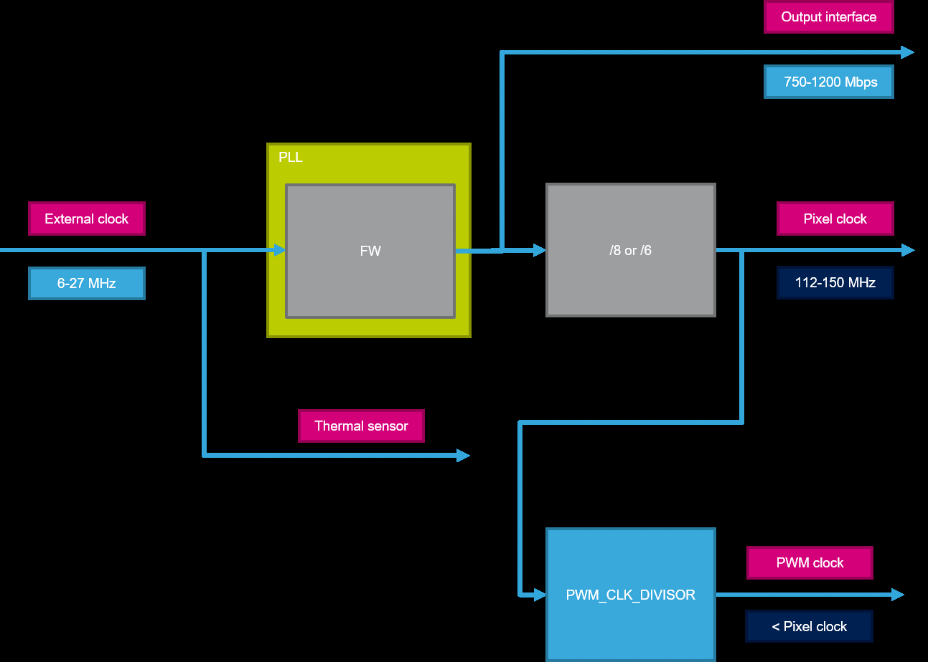
1128 | 94 | 1128 | 8 | 141 | 1128 | 8.00 | 175.6
1116 | 93 | 1116 | 8 | 139.5 | 1128 | 8.09 | 173.7
1104 | 92 | 1104 | 8 | 138 | 1128 | 8.17 | 171.8
1092 | 91 | 1092 | 8 | 136.5 | 1128 | 8.26 | 170.0
1080 | 90 | 1080 | 8 | 135 | 1128 | 8.36 | 168.1
1068 | 89 | 1068 | 8 | 133.5 | 1128 | 8.45 | 166.2
1056 | 88 | 1056 | 8 | 132 | 1128 | 8.55 | 164.4
1044 | 87 | 1044 | 8 | 130.5 | 1128 | 8.64 | 162.5
1032 | 86 | 1032 | 8 | 129 | 1128 | 8.74 | 160.6
1020 | 85 | 1020 | 8 | 127.5 | 1128 | 8.85 | 158.8
1008 | 84 | 1008 | 8 | 126 | 1128 | 8.95 | 156.9
996 | 83 | 996 | 8 | 124.5 | 1128 | 9.06 | 155.0
984 | 82 | 984 | 8 | 123 | 1128 | 9.17 | 153.1
972 | 81 | 972 | 8 | 121.5 | 1128 | 9.28 | 151.3
960 | 80 | 960 | 8 | 120 | 1128 | 9.40 | 149.4
948 | 79 | 948 | 8 | 118.5 | 1128 | 9.52 | 147.5
936 | 78 | 936 | 8 | 117 | 1128 | 9.64 | 145.7
924 | 77 | 924 | 8 | 115.5 | 1128 | 9.77 | 143.8
912 | 76 | 912 | 8 | 114 | 1128 | 9.89 | 141.9
900 | 75 | 900 | 6 | 150 | 1200 | 8.00 | 175.6
888 | 74 | 888 | 6 | 148 | 1200 | 8.11 | 173.2
876 | 73 | 876 | 6 | 146 | 1200 | 8.22 | 170.9
864 | 72 | 864 | 6 | 144 | 1200 | 8.33 | 168.5
852 | 71 | 852 | 6 | 142 | 1200 | 8.45 | 166.2
840 | 70 | 840 | 6 | 140 | 1200 | 8.57 | 163.9
828 | 69 | 828 | 6 | 138 | 1200 | 8.70 | 161.5
816 | 68 | 816 | 6 | 136 | 1200 | 8.82 | 159.2
804 | 67 | 804 | 6 | 134 | 1200 | 8.96 | 156.8
792 | 66 | 792 | 6 | 132 | 1200 | 9.09 | 154.5
780 | 65 | 780 | 6 | 130 | 1200 | 9.23 | 152.2
768 | 64 | 768 | 6 | 128 | 1200 | 9.38 | 149.8
756 | 63 | 756 | 6 | 126 | 1200 | 9.52 | 147.5
744 | 62 | 744 | 6 | 124 | 1200 | 9.68 | 145.1
732 | 61 | 732 | 6 | 122 | 1200 | 9.84 | 142.8
720 | 60 | 720 | 6 | 120 | 1200 | 10.00 | 140.4
708 | 59 | 708 | 6 | 118 | 1200 | 10.17 | 138.1
696 | 58 | 696 | 6 | 116 | 1200 | 10.34 | 135.8
684 | 57 | 684 | 6 | 114 | 1200 | 10.53 | 133.4

