People
Metrics | Definition | Formula | Type | Notes
Time to Fill | Number of days it takes to find and hire a new candidate. Often measured by the number of days between approving a job requisition and the candidate accepting your offer. |  | Staffing Metrics | According to Society of Human Resource Management report, a good average time to fill is 42 workdays.
Time to Hire | Number of days between candidate applies/is approached and when accepts the job. |  | Staffing Metrics | 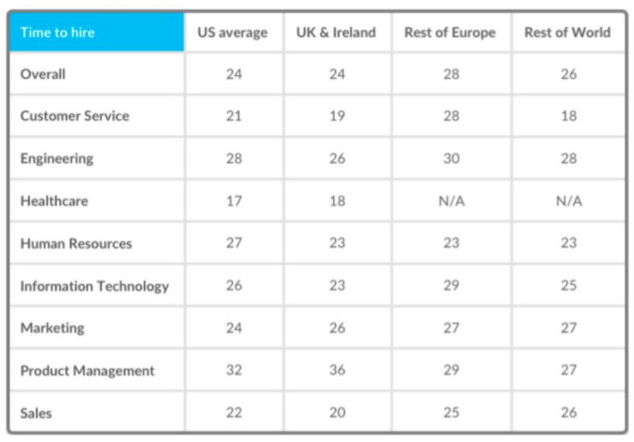
Cost Per Hire | Costs associated with the process of hiring new employees. These include expenses such as sourcing and recruitment advertising costs, onboarding, referral bonus program costs. | Internal or External Recruiting Cost / Total Number of Hires | Staffing Metrics | Internal hiring is the process which company promote or transfer a professional who already works for the company to a new role. Internal hiring cost including administrative (legal document, procedure document, office equipment), training & development, and recruiting staff salary. While external hiring is process hire a professional outside company. External cost including marketing (e.g., cost promote vacany), employee referral cost, job fair expenses.
Turnover Rate | Percentage of employees leaving in a given period of time (e.g., annual). | Number of separation / Avg. number of employees | Staffing Metrics | Turnover is when employees are leaving due to dismissal, attrition, and any other reasons.
Course Completion Rate | How many course completed per employee. | Number of employees who completed the courses / Number of employees who enrolled the courses | Training & Development Metrics
Assessment Pass Rate | Rates of employees who passed a course taken. | Number of employees who passed the courses / Number of employees who enrolled the courses | Training & Development Metrics
Training Spend Rates | How much of operating costs are attributed to training program. | Total training spend / Total operating cost | Training & Development Metrics
Training Cost Per Employee | Average training cost per employee. | Total training cost / Number of employee | Training & Development Metrics
Average Performance Rating | Average of performance rating | Total all performance ratings / Number of employees who received a performance rating | Performance Metrics | Performance review is a two-way conversation between manager an employee about performance impact, development, and growth. Type of rating scales: - Nominal (Which of company values does employee most live-up to? Loyalty/Honesty/Ingenuity/Trust/Accountabilty/Respect) - Binary (Is this employee ready for promotion? Yes/No) - Ordinal (Poor, Unsatisfactory, Satisfactory, Very Satisfactory, Outstanding)
Performance Review Completion Rate | Percentage of completed reviews. | Number of completed reviews / Number of reviews scheduled | Performance Metrics
Absence Rate | Rate of unplanned period of being away from work due to sickness or other causes. | Number of absences days / Available working days in given period | Performance Metrics
Promotion Rate | Employee promotion is a rate when a company raises a member of its team to higher or more specialized position. | Total number of promotion / Number of headcount | Performance Metrics
HR to Employee Worker Ratio | Number of HR compared to number of employee working on company. | Number of HR / Number of headcount | General Workforce Metrics
Employee Satisfaction | How satisfy an employee is with their job and work environment. To calculate employee satisfaction, company can use these metrics to assess employee satisfaction: - Employee NPS - Glassdoor.com rating - Employee Satisfaction Index (ESI) |  | General Workforce Metrics
Employee NPS | How likely employee recommend this organization as a place to work. | %Promoters - %Detractors | General Workforce Metrics | Any NPS score that is above 0 is okay. 10-30 is good. Above 59 is excellent. Below -10 is bad.
Employee Satisfaction Index (ESI) | Usually measured by how satisfied, how well does meet expectations, how close to ideal job. All questions are measured on a scale from 1 to 10. | ((Question/3) - 1) / 9 | General Workforce Metrics | How satisfied are you with your workplace? How well does your workplace meet your expectations? How close is your workplace to your ideal job?
Salary Hike Since Last Year | Annual percentage salary increment. | (Current Salary - Previous Year Salary) / Previous Year Salary | General Workforce Metrics

