Figures
This template utilizes signals from the target (labeled as "modified peptide"), reference ("unmodified peptide") and internal standard to provide an overview of the samples with the most efficient target production (e.g. most efficient catalysis of modification on peptide)
The internal standard is utilized to discard analyses where the quality of the signal is too low to trust the % of target calculation. The signal intensities of the standard are grouped in quartiles, where the 4th quartile represents the runs with the most intense signals.

Best modification yield (in %)
 | Modified / total | Ratio if not valid
Sample 2 | 80.8% | 0
Sample 1 | 35.1% | 0
Sample 3 | 20.0% | 0.19957181321
#N/A | #N/A | #N/A
#N/A | #N/A | #N/A
#N/A | #N/A | #N/A
#N/A | #N/A | #N/A
#N/A | #N/A | #N/A
#N/A | #N/A | #N/A
#N/A | #N/A | #N/A
#N/A | #N/A | #N/A
#N/A | #N/A | #N/A
#N/A | #N/A | #N/A
Best modification yield (in %)
 | Modified / total
Sample 2 | 80.8%
Sample 1 | 35.1%
Sample 3 | 0.0%
#N/A | #N/A
#N/A | #N/A
#N/A | #N/A
#N/A | #N/A
#N/A | #N/A
#N/A | #N/A
#N/A | #N/A
#N/A | #N/A
#N/A | #N/A
#N/A | #N/A
 | Good runs
yes | 2
no | 1
All runs: % modifications
 | New ratio
 | 80.8%
 | 35.1%
 | 0.0%
 | 0.0%
 | 0.0%
 | 0.0%
 | 0.0%
 | 0.0%
 | 0.0%
 | 0.0%
 | 0.0%
 | 0.0%
 | 0.0%
 | 0.0%
 | 0.0%
 | 0.0%
 | 0.0%
 | 0.0%
 | 0.0%
 | 0.0%
 | 0.0%
 | 0.0%
 | 0.0%
 | 0.0%
 | 0.0%
 | 0.0%
 | 0.0%
 | 0.0%
 | 0.0%
 | 0.0%
 | 0.0%
 | 0.0%
 | 0.0%
 | 0.0%
 | 0.0%
 | 0.0%
 | 0.0%
 | 0.0%
 | 0.0%
 | 0.0%
 | 0.0%
 | 0.0%
 | 0.0%
 | 0.0%
 | 0.0%
 | 0.0%
 | 0.0%
 | 0.0%
 | 0.0%
 | 0.0%
...
Please, modify the cell (or utilize the spin button) below to increase and decrease the stringency of the analysis based on the signal intensity of the internal standard | Below, the runs with the highest target/reference ratio (in %) are highlighted. Runs with insufficient quality signal from the internal standard are colored in beige | Below, the runs with the highest target/reference ratio (in %) are highlighted. Runs with insufficient quality signal from the internal standard are removed from the graph | Heatmap of target/reference ratio (in %) displayed as 96-well plate format. This graph is only applicable if the file name is in the format "Sample name{plate position}". Color scale is red (highest) to blue (lowest) |  |  |  |  |  |  |  |  |  |  |  |  |  | Graphs displaying number of good runs and their % of target signal. These graphs (as all others) are dynamics and will change if the quartile confidence value is modified | Simplified list of Top 30 runs with the highest % of target signal ranked below. Runs with internal standard below allowed threshold are discarded
Select confidence (1: most relaxed, 4: most stringent) |  |  |  |  |  |  |  |  |  |  |  |  |  |  |  |  |  |  | List best runs | % target
2 |  |  |  | Best modification yield (no internal standard consideration) |  |  |  |  |  |  |  |  |  |  |  |  |  |  | Sample 2 | 80.8%
 |  |  |  |  | 1 | 2 | 3 | 4 | 5 | 6 | 7 | 8 | 9 | 10 | 11 | 12 |  |  | Sample 1 | 35.1%
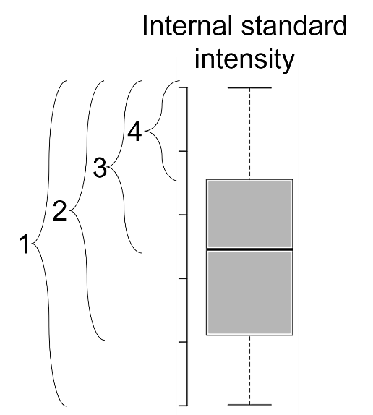
 |  |  |  | A | 35% | 81% | 20% | #N/A | #N/A | #N/A | #N/A | #N/A | #N/A | #N/A | #N/A | #N/A |  |  | Sample 3 | 0.0%
 |  |  |  | B | #N/A | #N/A | #N/A | #N/A | #N/A | #N/A | #N/A | #N/A | #N/A | #N/A | #N/A | #N/A |  |  | 0 | 0.0%
 |  |  |  | C | #N/A | #N/A | #N/A | #N/A | #N/A | #N/A | #N/A | #N/A | #N/A | #N/A | #N/A | #N/A |  |  | 0 | 0.0%
 |  |  |  | D | #N/A | #N/A | #N/A | #N/A | #N/A | #N/A | #N/A | #N/A | #N/A | #N/A | #N/A | #N/A |  |  | 0 | 0.0%
 |  |  |  | E | #N/A | #N/A | #N/A | #N/A | #N/A | #N/A | #N/A | #N/A | #N/A | #N/A | #N/A | #N/A |  |  | 0 | 0.0%
 |  |  |  | F | #N/A | #N/A | #N/A | #N/A | #N/A | #N/A | #N/A | #N/A | #N/A | #N/A | #N/A | #N/A |  |  | 0 | 0.0%
 |  |  |  | G | #N/A | #N/A | #N/A | #N/A | #N/A | #N/A | #N/A | #N/A | #N/A | #N/A | #N/A | #N/A |  |  | 0 | 0.0%
 |  |  |  | H | #N/A | #N/A | #N/A | #N/A | #N/A | #N/A | #N/A | #N/A | #N/A | #N/A | #N/A | #N/A |  |  | 0 | 0.0%
 |  |  |  |  |  |  |  |  |  |  |  |  |  |  |  |  |  |  | 0 | 0.0%
 |  |  |  |  |  |  |  |  |  |  |  |  |  |  |  |  |  |  | 0 | 0.0%
 |  |  |  |  |  |  |  |  |  |  |  |  |  |  |  |  |  |  | 0 | 0.0%
 |  |  |  |  |  |  |  |  |  |  |  |  |  |  |  |  |  |  | 0 | 0.0%
 |  |  |  |  |  |  |  |  |  |  |  |  |  |  |  |  |  |  | 0 | 0.0%
 |  |  |  | Best modification yield (filtered by internal standard) |  |  |  |  |  |  |  |  |  |  |  |  |  |  | 0 | 0.0%
 |  |  |  |  | 1 | 2 | 3 | 4 | 5 | 6 | 7 | 8 | 9 | 10 | 11 | 12 |  |  | 0 | 0.0%
 |  |  |  | A | 35% | 81% | 0% | #N/A | #N/A | #N/A | #N/A | #N/A | #N/A | #N/A | #N/A | #N/A |  |  | 0 | 0.0%
 |  |  |  | B | #N/A | #N/A | #N/A | #N/A | #N/A | #N/A | #N/A | #N/A | #N/A | #N/A | #N/A | #N/A |  |  | 0 | 0.0%
 |  |  |  | C | #N/A | #N/A | #N/A | #N/A | #N/A | #N/A | #N/A | #N/A | #N/A | #N/A | #N/A | #N/A |  |  | 0 | 0.0%
 |  |  |  | D | #N/A | #N/A | #N/A | #N/A | #N/A | #N/A | #N/A | #N/A | #N/A | #N/A | #N/A | #N/A |  |  | 0 | 0.0%
 |  |  |  | E | #N/A | #N/A | #N/A | #N/A | #N/A | #N/A | #N/A | #N/A | #N/A | #N/A | #N/A | #N/A |  |  | 0 | 0.0%
 |  |  |  | F | #N/A | #N/A | #N/A | #N/A | #N/A | #N/A | #N/A | #N/A | #N/A | #N/A | #N/A | #N/A |  |  | 0 | 0.0%
 |  |  |  | G | #N/A | #N/A | #N/A | #N/A | #N/A | #N/A | #N/A | #N/A | #N/A | #N/A | #N/A | #N/A |  |  | 0 | 0.0%
 |  |  |  | H | #N/A | #N/A | #N/A | #N/A | #N/A | #N/A | #N/A | #N/A | #N/A | #N/A | #N/A | #N/A |  |  | 0 | 0.0%
 |  |  |  |  |  |  |  |  |  |  |  |  |  |  |  |  |  |  | 0 | 0.0%
 |  |  |  |  |  |  |  |  |  |  |  |  |  |  |  |  |  |  | 0 | 0.0%
 |  |  |  |  |  |  |  |  |  |  |  |  |  |  |  |  |  |  | 0 | 0.0%
 |  |  |  |  |  |  |  |  |  |  |  |  |  |  |  |  |  |  | 0 | 0.0%
 |  |  |  |  |  |  |  |  |  |  |  |  |  |  |  |  |  |  | 0 | 0.0%

