Linear model
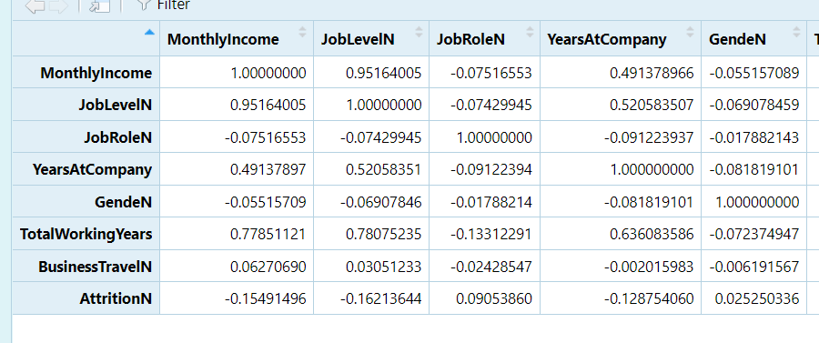
Variable | Relationship | Type | Test | Description
JobLevel | Strong | Continous | Correlation
YearsAtCompany | Strong | Continous | Correlation
TotalWorkingYears | Strong | Continous | Correlation

