Planilha1
f | Z, Case #10 | f | Z, Case #11
101.35511581 | 25.628273264 | 100.89195484 | 12.087957967
25042.3442 | 24.221229533 | 19360.93559 | 11.227094539
92822.644256 | 23.769595894 | 28363.343449 | 11.227094539
122043.87212 | 23.769595894 | 37684.833638 | 11.563827492
202629.67122 | 24.993102108 | 47471.89408 | 11.998981536
303440.30469 | 27.806203023 | 60872.283146 | 12.729543639
515232.34329 | 36.417313258 | 74005.398489 | 13.604727256
844004.00035 | 51.103055347 | 96596.080856 | 15.42535949
1298392.7431 | 67.350042585 | 126082.73217 | 17.881601703
2015416.3158 | 77.318492654 | 160244.12118 | 20.882673399
2326583.4166 | 79.28345387 | 196554.25632 | 23.852840655
3128408.5247 | 75.876797379 | 238960.57962 | 27.044911305
3547178.8517 | 70.816790443 | 311905.02236 | 32.291699999
4094840.0723 | 57.572883805 | 379198.12232 | 36.613088354
4379911.3021 | 49.836517161 | 486238.35045 | 42.130724787
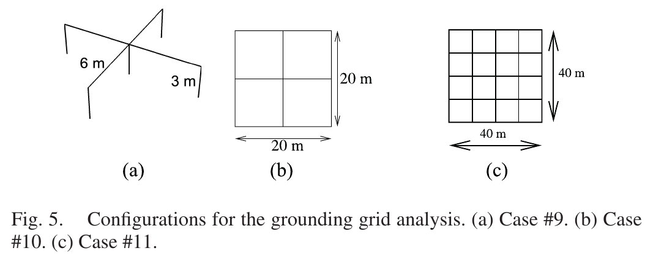
4769665.4584 | 45.933055991 | 607103.35117 | 47.417191669
5170850.2922 | 48.297394859 | 785420.43809 | 54.161394739
6529606.1072 | 60.157745648 | 1007129.2967 | 60.508750073
7047133.0453 | 64.456141669 | 1235337.3619 | 65.148398366
7743408.8442 | 64.456141669 | 1655965.5282 | 72.247617403
8245405.2054 | 62.858660576 | 2049312.4376 | 77.214797133
8898923.8463 | 58.666796008 | 2491448.9113 | 78.945286143
9349139.2629 | 47.69513852 | 2923274.8423 | 78.364189662
10412068.643 | 31.523730222 | 3491406.2552 | 70.663941999
11237313.829 | 41.807423715 | 3682473.2999 | 67.599973246
 |  | 4024435.5336 | 59.621248963
 |  | 4557183.23 | 47.068165596
 |  | 4764081.4152 | 43.716130248
 |  | 5114833.1276 | 45.027303106
 |  | 5948296.3237 | 57.459029819
 |  | 7041526.1299 | 62.785732093
 |  | 8152666.0466 | 63.720338594
 |  | 8989210.6581 | 56.199521817
 |  | 9651034.157 | 40.903898861
 |  | 10315680.412 | 29.118642401

