Planilha1
Ref.: WIRE ANTENNA MODEL FOR TRANSIENT ANALYSIS OF SIMPLE GROUNDINGSYSTEMS, PART I: THE VERTICAL GROUNDING ELECTRODE
L = 2 m, d = 0.5 m, rho = 5400 ohm m

f | Z
64866.082138 | 2569.3741926
305482.53022 | 2031.46499
497975.68868 | 1434.8080245
738592.13676 | 991.90496942
899003.10215 | 919.54118874
979208.58484 | 772.059826
1187742.8398 | 704.13272532
1155660.6468 | 658.84799153
1412318.1914 | 566.44265637
1652934.6395 | 470.9775419
1893551.0875 | 414.06564674
2230414.1149 | 359.90755295
2727688.1076 | 295.95816538
3208921.0037 | 247.00169642
3674112.8033 | 209.8253778
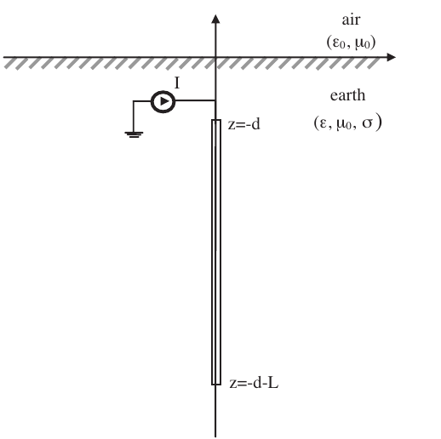
4540332.0164 | 163.77569919
5495923.0531 | 128.45710373
6715504.7071 | 94.991860302
7836777.3551 | 69.840474375
9025422.6086 | 45.239848723
10161132.244 | 30.369321277
11197387.08 | 18.946145186
12266793.516 | 14.254483578
13357588.081 | 34.449027023
14378107.365 | 53.4487995
15392133.825 | 75.118593684
16498969.486 | 106.0988592
17595493.014 | 138.68550885
18563458.611 | 192.29284236
19314181.929 | 247.73604345
19827497.018 | 288.61469503
20469140.879 | 336.2248611
21142866.934 | 389.09784757
22132831.749 | 412.75431275
23048549.203 | 350.17745475
23693401.284 | 301.6187571
24338253.364 | 261.32146359
25088976.682 | 217.62781504
25979257.54 | 168.28887367
27178902.403 | 132.3911057
28233031.604 | 106.86380402
29287733.701 | 87.051732993
30350456.347 | 71.574349317
31451944.976 | 49.747923573
32510657.348 | 33.021130012
33568300.313 | 19.53770252
34617388.026 | 15.682380589
35676100.398 | 15.682380589
36840684.007 | 30.369321277
37976393.642 | 45.423435482
39108895.057 | 66.066746559
40117192.554 | 87.805750037
41230902.971 | 119.015499
42204826.689 | 150.61864816
43155834.555 | 193.49926963
44261295.266 | 224.05335159
45332840.514 | 238.23032906
46551963.851 | 221.98800056
47541928.666 | 192.45020244
48633296.127 | 164.1581716
49704039.321 | 136.39067437
50754731.144 | 115.63517138
51856219.773 | 93.808745636
52936320.274 | 80.345716672
53943701.136 | 66.168739203
54989580.631 | 53.623644032
56041876.564 | 41.017353275
57119838.251 | 31.28725507
58197799.938 | 24.861718519
59352758.889 | 15.682380589
60400777.196 | 23.637806795
61416713.31 | 37.712791621
62496813.811 | 56.887408629
63587608.375 | 77.693907937
64670382.392 | 101.50919023
65787530.186 | 132.91563929
66884053.714 | 162.78127091
68014951.02 | 188.71290056
69030887.134 | 197.63725689
70014741.055 | 193.76153643
71105535.62 | 173.15902241
72129492.282 | 154.51986678
73180184.105 | 133.17790609
74217508.348 | 118.08299483
75361773.235 | 95.848598509
76377709.349 | 78.509849086
77437491.127 | 65.25080541
78515452.814 | 54.235599894
79583789.844 | 44.689088447
80671376.189 | 32.664155759
81710839.245 | 17.701834934
82740677.642 | 15.682380589
83760891.382 | 16.600314382
84858102.386 | 29.267800725
85948896.95 | 44.852276677
87039691.515 | 66.066746559
88082362.79 | 86.1337992
89199892.515 | 114.00328908
90211818.355 | 139.60344264
91270530.727 | 166.45300609
92365335.566 | 182.74633091
93375924.648 | 182.74633091
94472066.244 | 166.42750792
95552166.745 | 146.64093505
96588154.23 | 126.75236954
97668522.081 | 107.47575989
98804231.716 | 91.136538372
99551746.815 | 82.997525407

