Planilha1
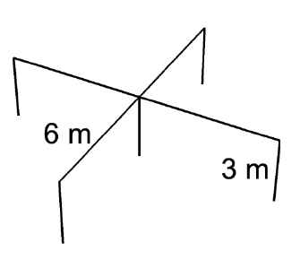
Fig. 6, Lima - A Computational Improvement in Grounding Systems Transient Analysis

f | Z
99.53365572 | 62.537042544
14453.316709 | 61.010941274
377518.89456 | 55.269975286
602480.72714 | 51.321628565
913307.73033 | 45.357839563
1492010.3059 | 32.897839842
1858591.3948 | 25.38086609
2326087.598 | 17.738914425
2765271.1216 | 14.202359938
2980014.8812 | 14.202359938
3764615.8453 | 18.18262795
4331337.3024 | 23.278381946
5077425.0832 | 38.154438301
5896644.6048 | 61.010941274
6266074.2088 | 69.890894825
6848041.4827 | 64.10131705
7311172.1117 | 48.847371795
7915853.8445 | 27.673244859
8530578.4556 | 9.8042936187
9193040.9804 | 6.68509058
9953365.572 | 22.156112529

