Hoja1
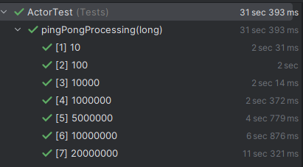
TIME TAKEN TO PROCESS 20M messages sent using the pingPong test

N messages | Time taken(s)
10 | 0:00:02
100 | 0:00:02
10000 | 0:00:02
5000000 | 0:00:05
10000000 | 0:00:07
20000000 | 0:00:12

