Form
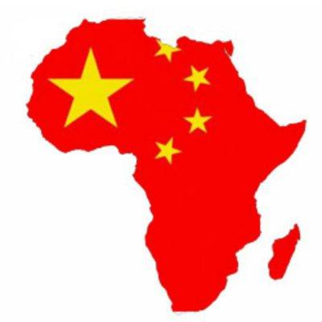
Instructions
This workbook is an interactive exploration of Africans' views on China and its influence in the continent. The data was obtained by Afrobarometer, which periodically polls people across Africa on a variety of topics. Click the button on the left and select a country and a question on the form that pops up, and the workbook will generate a pivot bar chart. On the chart you can change the country again, or even select multiple countries, but if you want to select a different question, you need to click on the button again and select it on the form.
Github page for the project:
https://github.com/carlosror/afrobarometer_china
The five poll questions that pertain to China are:
- Q81A: How much influence do you think China's economic activities in our country have on our economy, or haven't you heard enough to say?
- Q81B: In general, do you think that China's economic and political influence on our country is mostly positive, or mostly negative, or haven't you heard enough to say?
- Q81C: Which of the following factors contributes most to the positive image of China in our country, or haven't you heard enough to say?
- Q81D: Which of the following factors contributes most to the negative image of China in our country, or haven't you heard enough to say?
- Q81E: In your opinion, China's economic assistance to our country do a good job or bad job of meeting the country's needs, or haven't you heard enough to say?

