1. Title Page
Final Report

Project Name: Instacart_Analysis
Date: 8.4.24
Analyst Name: Doris Benitez

Contents:
Population Flow
Consistency checks
Wrangling steps
Column derivations
Visualizations
Recommendations

2. Population Flow
Population flow

Exclusion flag
Condition: max_order < 5
Obervations to be removed:
Final total count of order_products_all: 322,326,821

Orders_products_combined
Orders_products_merged
Orders_products_all

Total:
Total:
Total:
32,434,489 | 3420853 | 32433030

1.) The grey boxes in the first row of the population flow represent the original data sets as they were when you downloaded them. In the Total fields you need to add the count of the rows when you imported the data set into Jupyter.
2.) The second row of boxes (coloured) represents the data sets after you manipulated them, e.g., removed missing values and duplicates. In the Total fields you need to add the count of the rows after conducting these operations. This offers a visual oveview of how the data flows throughout the data consistency checks.
3.) The third row, where also the arrows are coloured, represents the merges you performed between the datasets. In the Total fields you need to add the count of the rows in the merged datasets, so that you end up with the final dataset (in the red box). Keep in mind the final dataset should be without exclusions (based on the exclusion flag).

3. Consistency checks
 |  |  |  | Title page
Consistency checks

Dataset | Missing values | Missing values treatment | Duplicates
orders | 206209
products
orders_products_prior
customers

 |  | I left missing values as I wasn’t sure how to remove

4. Wrangling steps
 |  |  |  | Title page
Wrangling steps

Columns dropped | Columns renamed | Columns' type changed | Comment/Reason
First Name and Last Name in | order_dow
customer information
 | capitalized the first letter |  | I wanted consistency in all columns

5. Column derivations
 |  |  |  |  | Title page

Column derivations and aggregations

In this tab you should add tables below that the frequences of flags/label variables that you produced after deriving them. NB: don't do this for continuous variables, only for flags.
Dataset | New column | Column/s it was derived from | Conditions
df= orders | I placed this in the code | it would execute the path | multiple through script
df_2=products aggregated file | I placed this in the code | it would execute the path | multiple through script | Flags were made with low spending and high spending in my scripts but I was unable to produce cvs on them.
d_3=orders df1 and df2 | I placed this in the code | it would execute the path | multiple through script
df_4=departments | I placed this in the code | it would execute the path | multiple through script
df_5=orders | I placed this in the code | it would execute the path | multiple through script
df_6=df_5,df_4,df_3 | I placed this in the code | it would execute the path | multiple through script

6. Visualizations
 |  |  |  |  | Title page

Visualisations

In this tab you should include all the visualtions from Exercises 4.9 and 4.10, alongside the questions from the project brief that they answer. Include any commentary on the relationship between different variables.

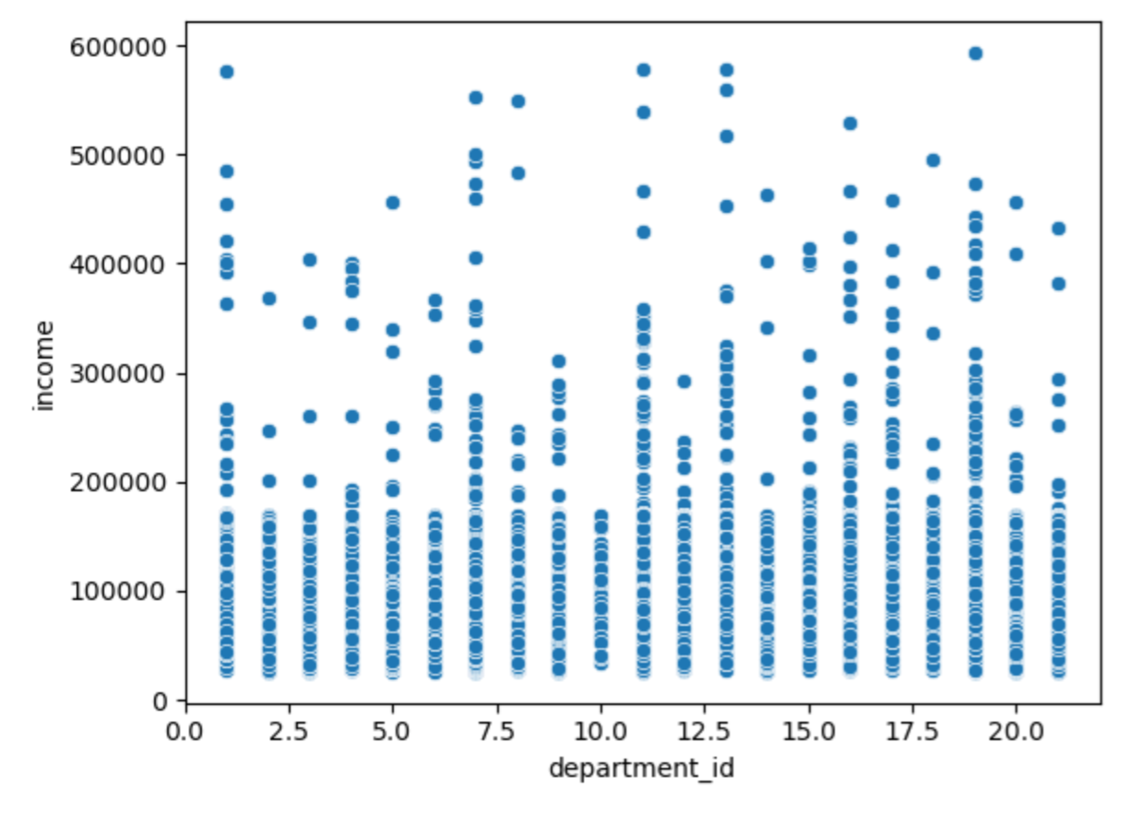
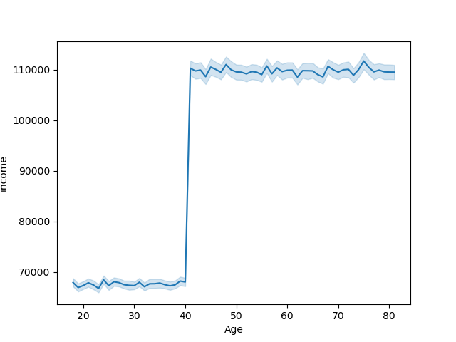
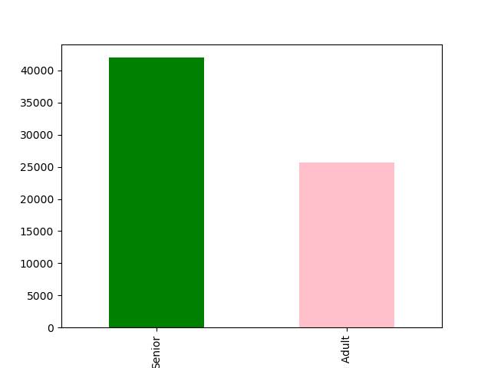

The age range is a from young adult to senior. |  |  | This graph emphasizes that spending by that sharp
Visual shows that from forty and over spendint on instacart |  |  | increase. Instacart should look at that demographic.
increases dramatically. |  | Roughtly by 50,000 on the chart.
 |  |  |  |  |  | All department isles are consumed but the few outliers show that as income increases certain items are shopped more so that should be looked at.

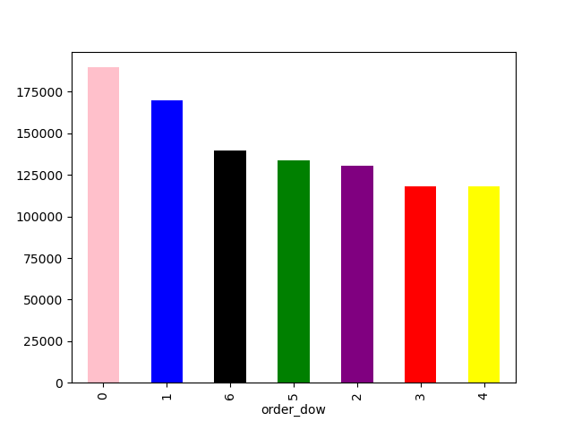

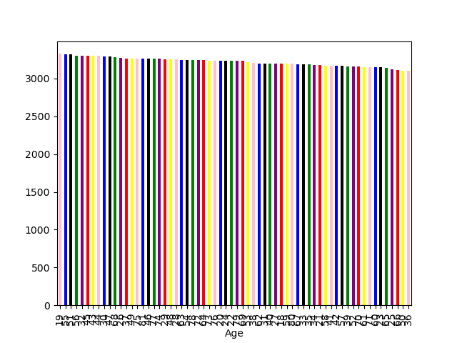

 |  |  |  | I would not derive much from this graph. With more time and some mentoring I would try to derive some more conclustions or analysis execution
 | 0- Sunday | As you can see midweek decreases in sale.
 | 1-Monday | Most sales occur Friday, Saturday, and Sunday
 | 2-Tuesday
 | 3-Wednesday
 | 4- Thursday
 | 5-Friday
 | 6-Saturday

7. Recommendations
 |  |  |  | Title page

Recommendations

In this tab you should include any recommendations you would made to Instcart in terms of their marketing strategy based on the questions posed in the brief. Every key question has been covered in the Tasks of the Exercises - here you need to add an item - a visualisation or table/crosstable that is showing the answer in the data, acompanied by a comment from you. Please, list the questions below and add the answer underneath.

Question | Answer
What Regions spend more? |  | The south spends the most on grocery items. | We should look to them for any recommendations
What ages spend more? |  | Since the elderly spend more on deliveries we should place a special care for them.
What items are bought more |  | All items are properly purchased I would suggest looking at what items are least purchased and why
When are the busiest days |  | Since the weekends are busier maybe hiring people for those periods would be suggested.

